Tabelle1
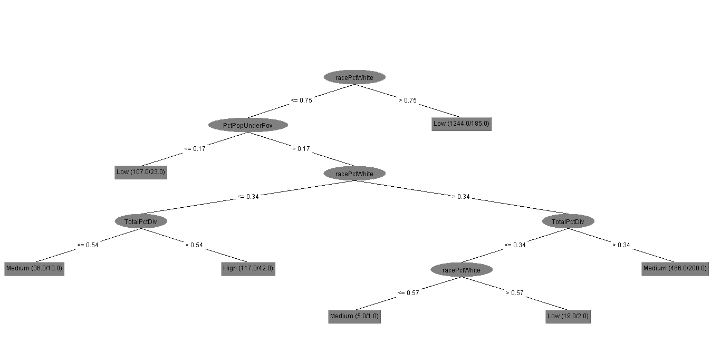
Confidence Factor | Correct Predictions | Tree Size | RAE | RRQE | Precision | Recall | F-Measure
0.5 | 74.37% | 357 | 58.73% | 91.47% | 0.734 | 0.744 | 0.737
0.4 | 74.37% | 345 | 59.27% | 91.60% | 0.734 | 0.744 | 0.737
0.3 | 74.37% | 325 | 59.76% | 91.49% | 0.734 | 0.744 | 0.737
0.2 | 73.37% | 275 | 62.27% | 90.89% | 0.737 | 0.734 | 0.733
0.1 | 72.86% | 195 | 63.09% | 90.45% | 0.727 | 0.729 | 0.723
0.01 | 75.38% | 33 | 67.55% | 84.48% | 0.73 | 0.754 | 0.736
0.001 | 73.87% | 13 | 68.86% | 83.86% | 0.714 | 0.739 | 0.724
0.0001 | 73.37% | 13 | 70.39% | 84.64% | 0.715 | 0.734 | 0.723

Percentage Split | Algorithm
90% Training | J48

