Theater Outcomes by Launch Date
Category | theater

Count of outcomes | Column Labels
Row Labels | successful | failed | canceled | Grand Total
Jan | 56 | 33 | 7 | 96
Theater Outcomes Based on Launch Date
 | successful | failed | canceled
Jan | 56 | 33 | 7
Feb | 71 | 39 | 3
Mar | 56 | 33 | 3
Apr | 71 | 40 | 2
May | 111 | 52 | 3
Jun | 100 | 49 | 4
Jul | 87 | 50 | 1
Aug | 72 | 47 | 4
Sep | 59 | 34 | 4
Oct | 65 | 50
Nov | 54 | 31 | 3
Dec | 37 | 35 | 3
Feb | 71 | 39 | 3 | 113
Mar | 56 | 33 | 3 | 92
Apr | 71 | 40 | 2 | 113
May | 111 | 52 | 3 | 166
Jun | 100 | 49 | 4 | 153
Jul | 87 | 50 | 1 | 138
Aug | 72 | 47 | 4 | 123
Sep | 59 | 34 | 4 | 97
Oct | 65 | 50 |  | 115
Nov | 54 | 31 | 3 | 88
Dec | 37 | 35 | 3 | 75
Grand Total | 839 | 493 | 37 | 1369

Failures as a % of Total
 | successful | failed | canceled
Jan | 56 | 33 | 7
Feb | 71 | 39 | 3
Mar | 56 | 33 | 3
Apr | 71 | 40 | 2
May | 111 | 52 | 3
Jun | 100 | 49 | 4
Jul | 87 | 50 | 1
Aug | 72 | 47 | 4
Sep | 59 | 34 | 4
Oct | 65 | 50
Nov | 54 | 31 | 3
Dec | 37 | 35 | 3

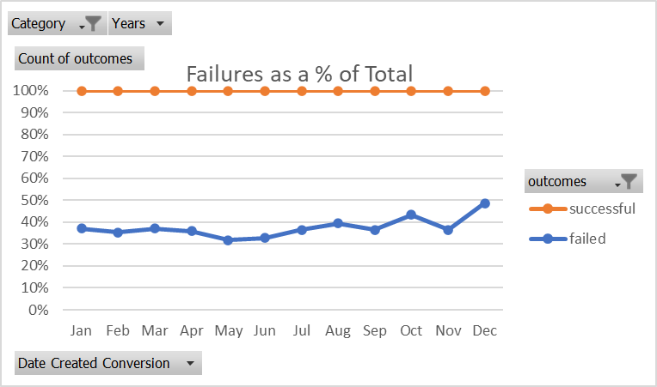
Failures as a % of Total
 | successful | failed | canceled
Jan | 56 | 33 | 7
Feb | 71 | 39 | 3
Mar | 56 | 33 | 3
Apr | 71 | 40 | 2
May | 111 | 52 | 3
Jun | 100 | 49 | 4
Jul | 87 | 50 | 1
Aug | 72 | 47 | 4
Sep | 59 | 34 | 4
Oct | 65 | 50
Nov | 54 | 31 | 3
Dec | 37 | 35 | 3

Outcomes Based on Goals
Goal | Number Successful | Number Failed | Number Canceled | Total Projects | Percentage Successful | Percentage Failed | Percentage Canceled |  | Number Failed | Number Successful
Less than 1000 | 141 | 45 | 0 | 186 | 76% | 24% | 0% | Less than 1000 | 45 | 141
1000 to 4999 | 388 | 146 | 0 | 534 | 73% | 27% | 0% | 1000 to 4999 | 146 | 388
5000 to 9999 | 93 | 76 | 0 | 169 | 55% | 45% | 0% | 5000 to 9999 | 76 | 93
10000 to 14999 | 39 | 33 | 0 | 72 | 54% | 46% | 0% | 10000 to 14999 | 33 | 39
15000 to 19999 | 12 | 12 | 0 | 24 | 50% | 50% | 0% | 15000 to 19999 | 12 | 12
20000 to 24999 | 9 | 11 | 0 | 20 | 45% | 55% | 0% | 20000 to 24999 | 11 | 9
25000 to 29999 | 1 | 4 | 0 | 5 | 20% | 80% | 0% | 25000 to 29999 | 4 | 1
30000 to 34999 | 3 | 8 | 0 | 11 | 27% | 73% | 0% | 30000 to 34999 | 8 | 3
35000 to 39999 | 4 | 2 | 0 | 6 | 67% | 33% | 0% | 35000 to 39999 | 2 | 4
40000 to 44999 | 2 | 1 | 0 | 3 | 67% | 33% | 0% | 40000 to 44999 | 1 | 2
45000 to 49999 | 0 | 1 | 0 | 1 | 0% | 100% | 0% | 45000 to 49999 | 1 | 0
Greater than 50000 | 2 | 14 | 0 | 16 | 13% | 88% | 0% | Greater than 50000 | 14 | 2

Outcomes Based on Goal

Number Failed as a % of Total by Size Tranche

Category Statistics
country | US

Count of outcomes | Column Labels
Row Labels | canceled | failed | live | successful | Grand Total
film & video | 31 | 130 |  | 261 | 422
food | 15 | 115 | 4 | 34 | 168
games |  | 96 |  | 52 | 148
journalism | 23 |  |  |  | 23
music | 19 | 110 | 17 | 490 | 636
photography |  | 72 |  | 62 | 134
publishing | 22 | 87 |  | 69 | 178
technology | 121 | 138 |  | 158 | 417
theater | 26 | 349 | 12 | 525 | 912
Grand Total | 257 | 1097 | 33 | 1651 | 3038

Parent Category Outcomes (US)
 | canceled | failed | live | successful
film & video | 31 | 130 |  | 261
food | 15 | 115 | 4 | 34
games |  | 96 |  | 52
journalism | 23
music | 19 | 110 | 17 | 490
photography |  | 72 |  | 62
publishing | 22 | 87 |  | 69
technology | 121 | 138 |  | 158
theater | 26 | 349 | 12 | 525

Subcategory Statistics
country | US
Category | theater

Count of outcomes | Column Labels
Row Labels | canceled | failed | live | successful | Grand Total
musical | 11 | 40 |  | 45 | 96
plays |  | 250 | 9 | 412 | 671
spaces | 15 | 59 | 3 | 68 | 145
Grand Total | 26 | 349 | 12 | 525 | 912

Sub Category Outcomes (US)
 | canceled | failed | live | successful
musical | 11 | 40 |  | 45
plays |  | 250 | 9 | 412
spaces | 15 | 59 | 3 | 68

Outcomes Based on Launch Date
 | canceled | failed | live | successful
Jan | 7 | 33 | 2 | 56
Feb | 3 | 39 | 8 | 71
Mar | 3 | 33 | 14 | 56
Apr | 2 | 40 |  | 71
May | 3 | 52 |  | 111
Jun | 4 | 49 |  | 100
Jul | 1 | 50 |  | 87
Aug | 4 | 47 |  | 72
Sep | 4 | 34 |  | 59
Oct |  | 50 |  | 65
Nov | 3 | 31 |  | 54
Dec | 3 | 35 |  | 37
Category | theater
Years | (All)

Count of outcomes | Column Labels
Row Labels | canceled | failed | live | successful | Grand Total
Jan | 7 | 33 | 2 | 56 | 98
Feb | 3 | 39 | 8 | 71 | 121
Mar | 3 | 33 | 14 | 56 | 106
Apr | 2 | 40 |  | 71 | 113
May | 3 | 52 |  | 111 | 166
Jun | 4 | 49 |  | 100 | 153
Jul | 1 | 50 |  | 87 | 138
Aug | 4 | 47 |  | 72 | 123
Sep | 4 | 34 |  | 59 | 97
Oct |  | 50 |  | 65 | 115
Nov | 3 | 31 |  | 54 | 88
Dec | 3 | 35 |  | 37 | 75
Grand Total | 37 | 493 | 24 | 839 | 1393

