Theater Outcomes by Launch Date
Category | theater
Years | (All)

Count of outcomes | Column Labels
Row Labels | successful | failed | Grand Total
Jan | 56 | 33 | 89
Theater Outcomes Based on Launch Date
Feb | 71 | 39 | 110
Mar | 56 | 33 | 89
Apr | 71 | 40 | 111
May | 111 | 52 | 163
Jun | 100 | 49 | 149
Jul | 87 | 50 | 137
Aug | 72 | 47 | 119
Sep | 59 | 34 | 93
Oct | 65 | 50 | 115
Nov | 54 | 31 | 85
Dec | 37 | 35 | 72
Grand Total | 839 | 493 | 1332

Failures as a % of Total

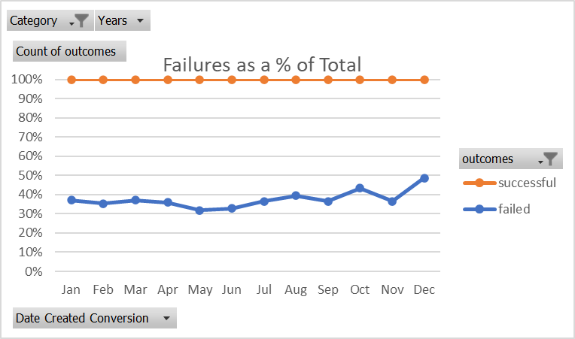
Failures as a % of Total

Outcomes Based on Goals
Goal | Number Successful | Number Failed | Number Canceled | Total Projects | Percentage Successful | Percentage Failed | Percentage Canceled |  | Number Failed | Number Successful
Less than 1000 | 141 | 45 | 0 | 186 | 76% | 24% | 0% | Less than 1000 | 45 | 141
1000 to 4999 | 388 | 146 | 0 | 534 | 73% | 27% | 0% | 1000 to 4999 | 146 | 388
5000 to 9999 | 93 | 76 | 0 | 169 | 55% | 45% | 0% | 5000 to 9999 | 76 | 93
10000 to 14999 | 39 | 33 | 0 | 72 | 54% | 46% | 0% | 10000 to 14999 | 33 | 39
15000 to 19999 | 12 | 12 | 0 | 24 | 50% | 50% | 0% | 15000 to 19999 | 12 | 12
20000 to 24999 | 9 | 11 | 0 | 20 | 45% | 55% | 0% | 20000 to 24999 | 11 | 9
25000 to 29999 | 1 | 4 | 0 | 5 | 20% | 80% | 0% | 25000 to 29999 | 4 | 1
30000 to 34999 | 3 | 8 | 0 | 11 | 27% | 73% | 0% | 30000 to 34999 | 8 | 3
35000 to 39999 | 4 | 2 | 0 | 6 | 67% | 33% | 0% | 35000 to 39999 | 2 | 4
40000 to 44999 | 2 | 1 | 0 | 3 | 67% | 33% | 0% | 40000 to 44999 | 1 | 2
45000 to 49999 | 0 | 1 | 0 | 1 | 0% | 100% | 0% | 45000 to 49999 | 1 | 0
Greater than 50000 | 2 | 14 | 0 | 16 | 13% | 88% | 0% | Greater than 50000 | 14 | 2
Total | 694 | 353 | 0 | 1047 | 66% | 34% | 0%

Outcomes Based on Goal

Number Failed as a % of Total by Size Tranche

Category Statistics
country | US

Count of outcomes | Column Labels
Row Labels | canceled | failed | live | successful | Grand Total
theater | 26 | 349 | 12 | 525 | 912
Grand Total | 26 | 349 | 12 | 525 | 912

Parent Category Outcomes

Subcategory Statistics
country | US
Category | theater

Count of outcomes | Column Labels
Row Labels | failed | live | successful | Grand Total
plays | 250 | 9 | 412 | 671
Grand Total | 250 | 9 | 412 | 671

Outcomes Based on Launch Date
Category | technology
Years | (All)

Count of outcomes | Column Labels
Row Labels | canceled | failed | successful | Grand Total
Jan | 17 | 23 | 9 | 49
Feb | 13 | 14 | 20 | 47
Mar | 12 | 13 | 17 | 42
Apr | 11 | 7 | 26 | 44
May | 11 | 11 | 14 | 36
Jun | 17 | 22 | 17 | 56
Jul | 18 | 17 | 18 | 53
Aug | 12 | 14 | 18 | 44
Sep | 13 | 24 | 15 | 52
Oct | 12 | 23 | 20 | 55
Nov | 26 | 23 | 24 | 73
Dec | 16 | 22 | 11 | 49
Grand Total | 178 | 213 | 209 | 600

