Sheet1
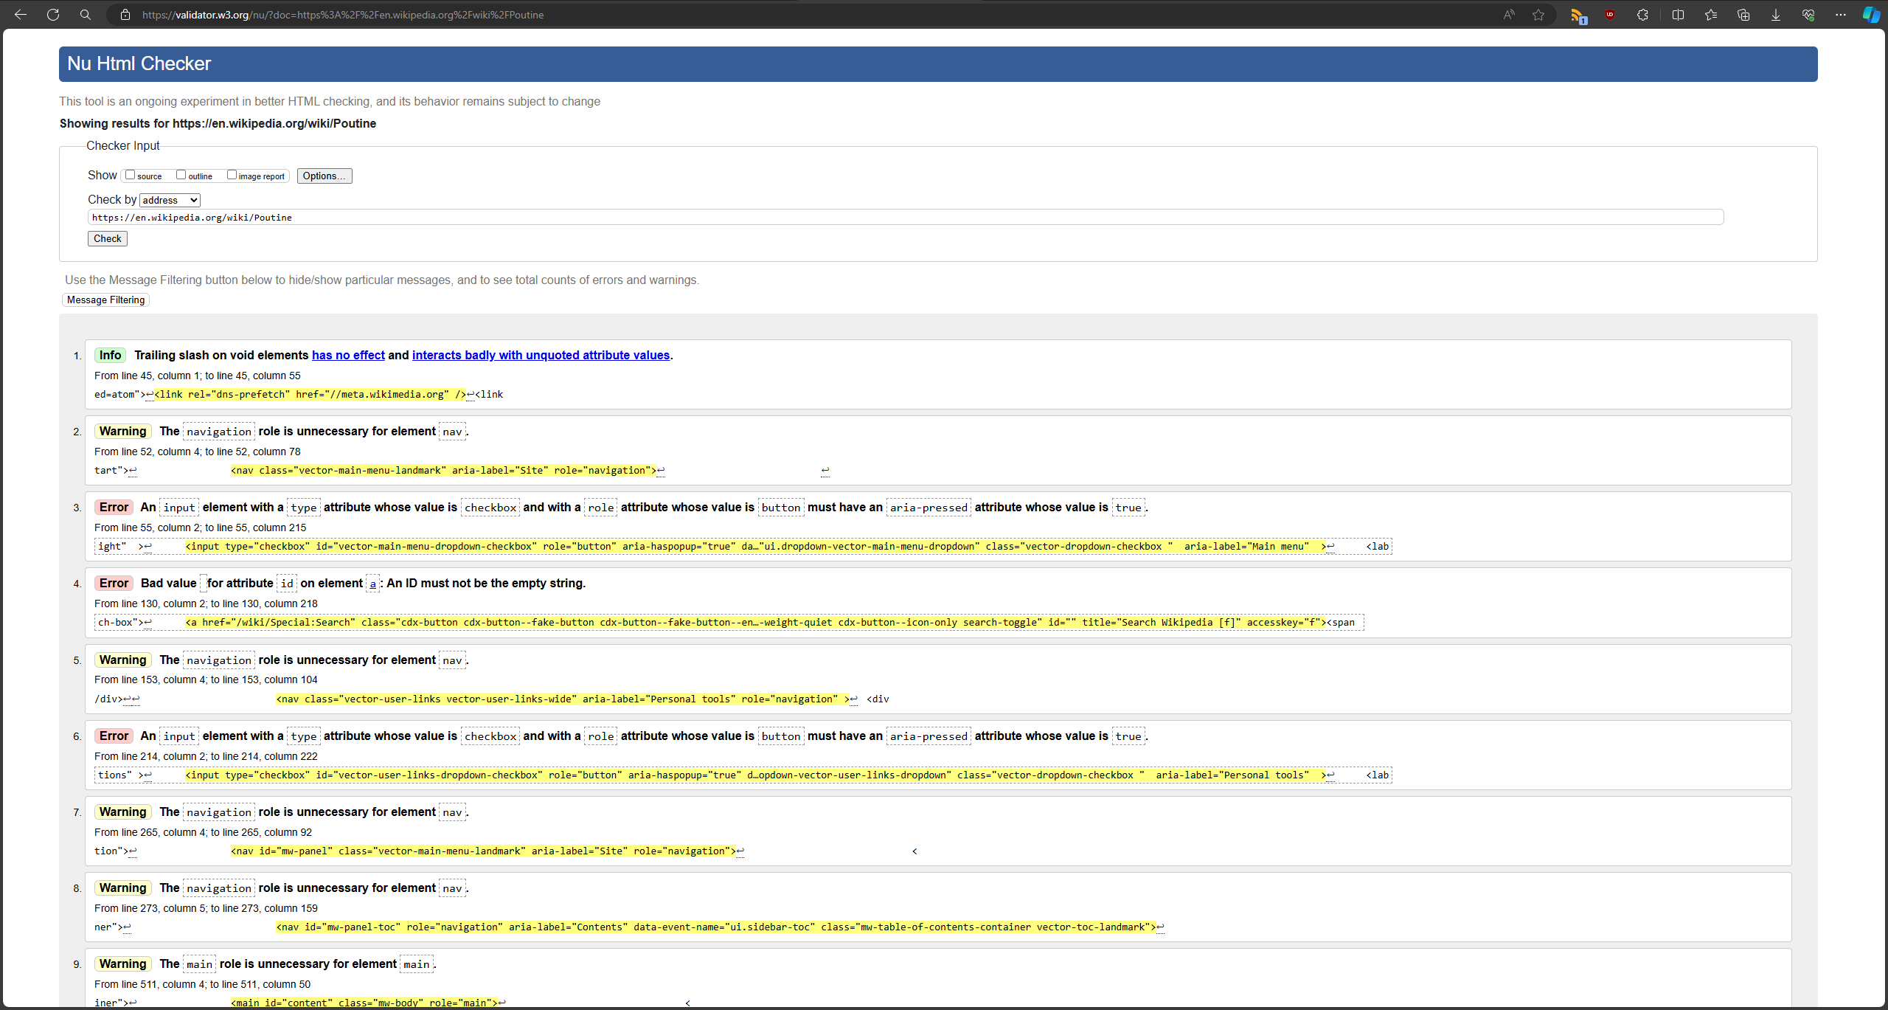
Website: | https://en.wikipedia.org/wiki/Poutine
Assessment Criteria | PASS/FAIL | Screenshot of results | Recommendations
Website passes the W3C validator | FAIL |  | All images should have alt attribute
 |  |  | Elements should not have duplicate ids or empty ids

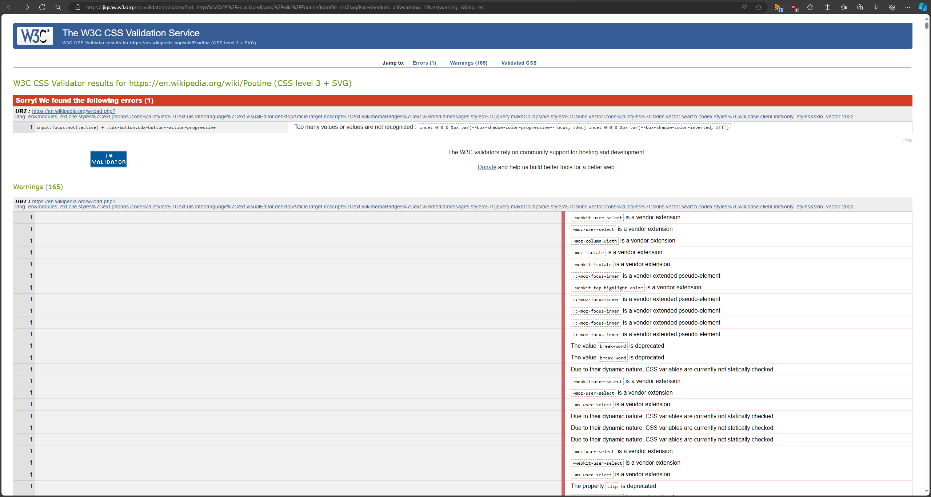
Website passes CSS validator | FAIL |  | Some elements have the same background-color and border-color
 |  |  | Some values/properties are deprecated and should not be used

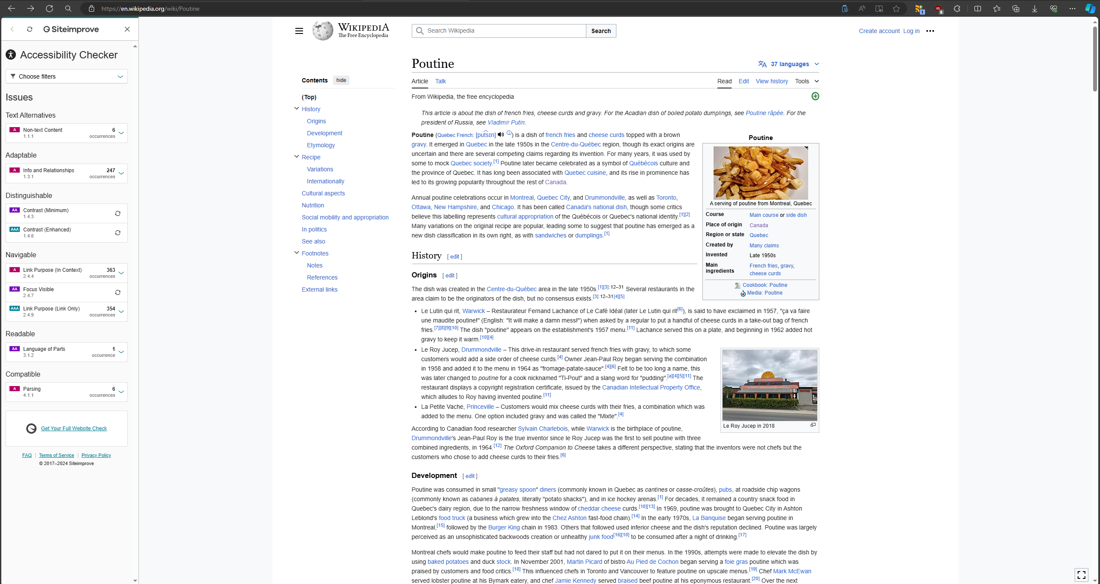
Website status using SiteImprove | FAIL |  | Use 'strong' tag to emphasize text instead of 'bold'
 |  |  | Add alt text to image links that would explain what the link is for

