2_HR_MegaPack Demand Leveling
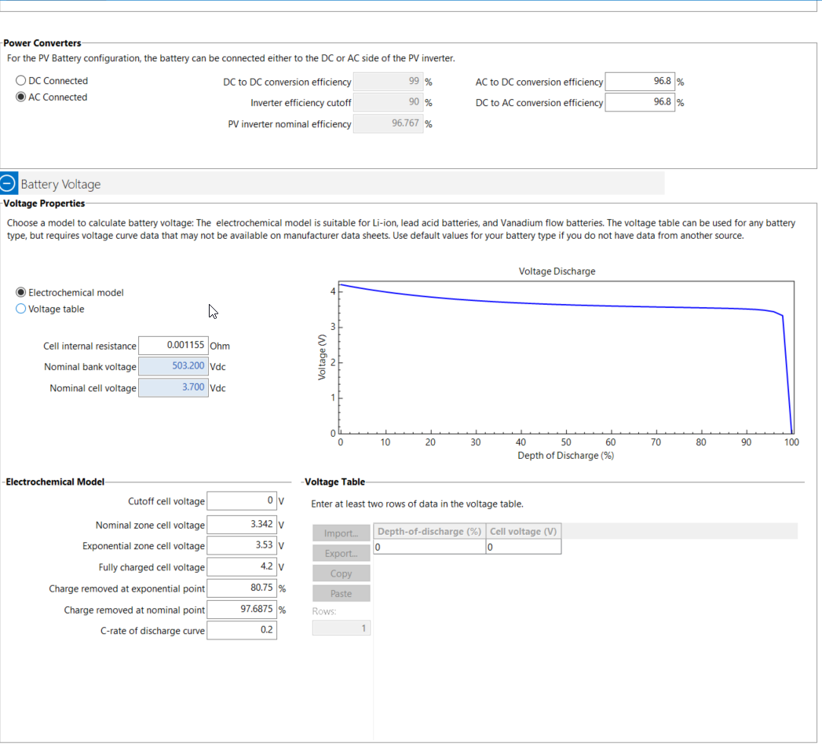
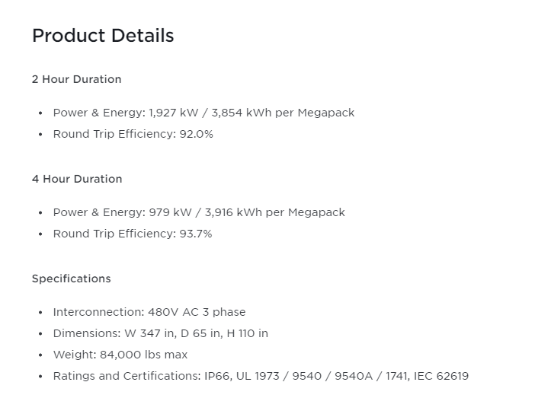
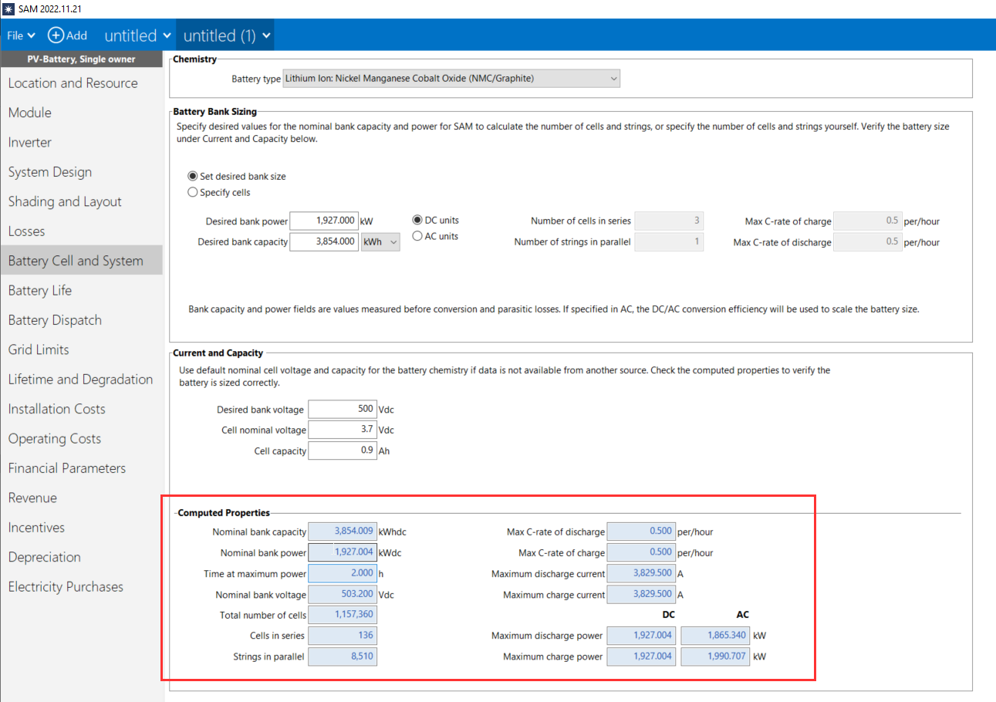
https://www.tycorun.com/blogs/news/the-ultimate-comparative-analysis-of-4680-battery-vs-18650
Megapack Datasheet (planning.org.uk)

Converter Simple Fixed Efficiency | (0-1) | 0.94 | Converter | From Tesla Cut Sheet
Converter Ancillary Power Consumed In Standby | W | 100 | Converter | From Tesla Cut Sheet
Converter Radiative Fraction | (0-1) | 0.25 | Converter | Not used
Battery Make Model | N/A | 2022 Tesla Megapack - Two Hour | Storage/Inverter/Converter | Design Spec - provided by User
Design Storage Control Charge Power Per Battery | kW | 1927 | ELCD | From Tesla Cut Sheet
Design Storage Control Discharge Power Per Battery | kW | 1927 | ELCD | From Tesla Cut Sheet
Storage Control Utility Demand Target | kW | 450 | ELCD | Design Spec - provided by User
Minimum Storage State Of Charge Fraction | (0-1) | 0.05 | ELCD | Manufacturer Recommendation
Maximum Storage State Of Charge Fraction | (0-1) | 0.96 | ELCD | Manufacturer Recommendation
Electrical Buss Type | N/A | DirectCurrentWithInverterACStorage | ELCD | Fixed for Demand Leveling
Storage Operation Scheme Type | N/A | FacilityDemandLeveling | ELCD | Fixed for Demand Leveling
Number of Batteries in Parallel | Integer | 1 | Storage | Provided by user
Thermal Zone | N/A | - | Storage | Not Used
Number of Cells in Series | Integer | 136 | Storage | From SAM Interface
Number of Cells in Parallel | Integer | 8510 | Storage | From SAM Interface
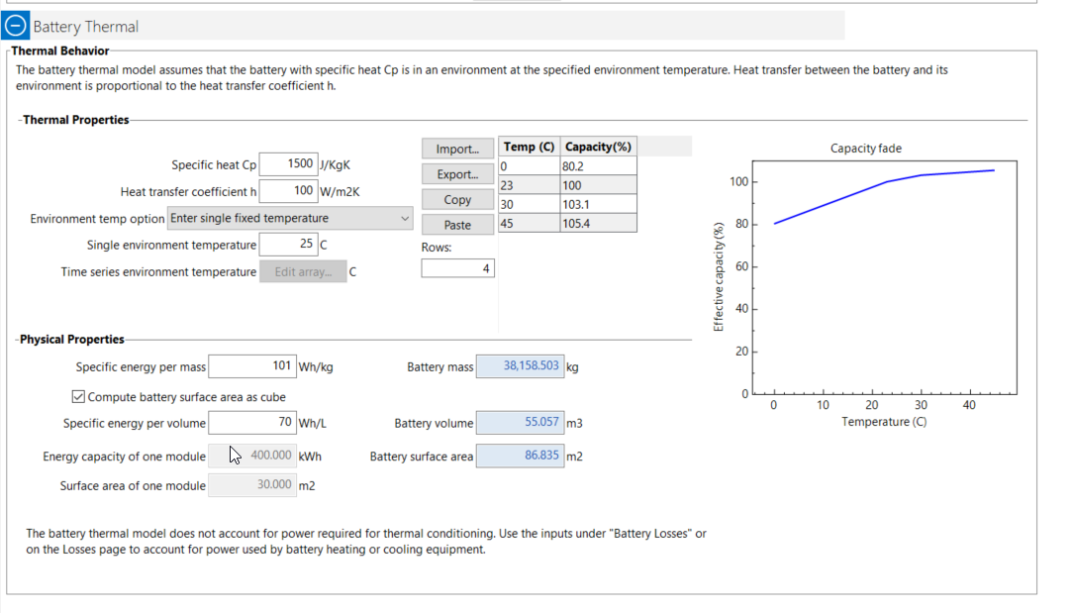
Battery Mass | Kilograms | 38512 | Storage | From SAM Interface
Battery Surface Area | Square Meters | 86.835 | Storage | From SAM Interface
Radiative Fraction | (0-1) | 0 | Storage | Default
Lifetime Model | N/A | KandlerSmith | Storage | Default
Initial Fraction State of Charge | (0-1) | 0.95 | Storage | Default
DC to DC Charging Efficiency | (0-1) | 0.969 | Storage | From Tesla Cut Sheet
Battery Specific Heat Capacity | J/kg-K | 1500 | Storage | From SAM Interface
Heat Transfer Coefficient between Battery and Ambient | W/m2-K | 100 | Storage | From SAM Interface
Fully Charged Cell Voltage | Volts | 4.2 | Storage | From Tesla 4680 Cut Sheet
Cell Voltage at End of Exponential Zone | Volts | 3.53 | Storage | Default from E+ idd file
Cell Voltage and End of Nominal Zone | Volts | 3.342 | Storage | Default from E+ idd file
Default Nominal Cell Voltage | Volts | 3.7 | Storage | From Tesla Cutsheet
Fully Charged Cell Capacity | Amp-Hr | 26.136 | Storage | From Tesla Cutsheet
Fraction of Cell Capacity Removed at End of Exponential Zone | (0-1) | 0.8075 | Storage | From SAM Interface
Fraction of Cell Capacity Removed at End of Nominal Zone | (0-1) | 0.976875 | Storage | From SAM Interface
Charge Rate at Which Voltage vs Capacity Curve was generated | (0-1) | 1 | Storage | From E+ defaults
Battery Cell Internal Electrical Resistance | Ohms | 0.001155 | Storage | From SAM Interface

PowerWall v3 Demand Leveling
 |  |  |  |  | Lithium Iron Phosphate
Argument Name | Units | Value | Component | Source | https://electrek.co/2023/05/23/tesla-powerwall-13-kw-power-output/
Converter Simple Fixed Efficiency | (0-1) | 0.94 | Converter | From Tesla Cut Sheet | https://driveteslacanada.ca/energy/tesla-powerwall-3-with-prismatic-lfp-cells-coming-soon-heres-what-else-to-expect/
Converter Ancillary Power Consumed In Standby | W | 100 | Converter | From Tesla Cut Sheet | https://thedigitaltech.com/tesla-powerwall-3-2023-release-date-price-specs-capacity/
Converter Radiative Fraction | (0-1) | 0.25 | Converter | Not used
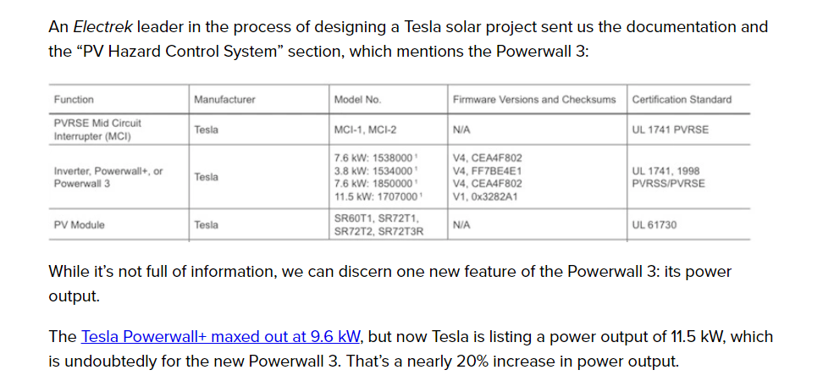
Battery Make Model | N/A | 2023 Tesla PowerWall v3 | Storage/Inverter/Converter | Design Spec - provided by User
Design Storage Control Charge Power Per Battery | kW | 5 | ELCD | From Tesla Cut Sheet
Design Storage Control Discharge Power Per Battery | kW | 5 | ELCD | From Tesla Cut Sheet
Storage Control Utility Demand Target | kW | 12 | ELCD | Design Spec - provided by User
Minimum Storage State Of Charge Fraction | (0-1) | 0.05 | ELCD | Manufacturer Recommendation
Maximum Storage State Of Charge Fraction | (0-1) | 0.96 | ELCD | Manufacturer Recommendation
Electrical Buss Type | N/A | DirectCurrentWithInverterACStorage | ELCD | Fixed for Demand Leveling
Storage Operation Scheme Type | N/A | FacilityDemandLeveling | ELCD | Fixed for Demand Leveling
Number of Batteries in Parallel | Integer | 1 | Storage | Provided by user
Thermal Zone | N/A | - | Storage | Not Used
Number of Cells in Series | Integer | 67 | Storage | From SAM Interface
Number of Cells in Parallel | Integer | 26 | Storage | From SAM Interface
Battery Mass | Kilograms | 201.4 | Storage | From SAM Interface
Battery Surface Area | Square Meters | 1.058 | Storage | From SAM Interface
Radiative Fraction | (0-1) | 0 | Storage | Default
Lifetime Model | N/A | KandlerSmith | Storage | Default
Initial Fraction State of Charge | (0-1) | 0.95 | Storage | Default
DC to DC Charging Efficiency | (0-1) | 0.969 | Storage | From Tesla Cut Sheet
Battery Specific Heat Capacity | J/kg-K | 1500 | Storage | From SAM Interface
Heat Transfer Coefficient between Battery and Ambient | W/m2-K | 7.5 | Storage | From SAM Interface
Fully Charged Cell Voltage | Volts | 4.1 | Storage | From SAM Interface
Cell Voltage at End of Exponential Zone | Volts | 4.05 | Storage | From SAM Interface
Cell Voltage and End of Nominal Zone | Volts | 3.6 | Storage | From SAM Interface
Default Nominal Cell Voltage | Volts | 3.6 | Storage | From SAM Interface
Fully Charged Cell Capacity | Amp-Hr | 26.136 | Storage | From Tesla Cutsheet
Fraction of Cell Capacity Removed at End of Exponential Zone | (0-1) | 0.8075 | Storage | From SAM Interface
Fraction of Cell Capacity Removed at End of Nominal Zone | (0-1) | 0.976875 | Storage | From SAM Interface
Charge Rate at Which Voltage vs Capacity Curve was generated | (0-1) | 1 | Storage | From E+ defaults
Battery Cell Internal Electrical Resistance | Ohms | 0.001155 | Storage | From SAM Interface

