GnattChart
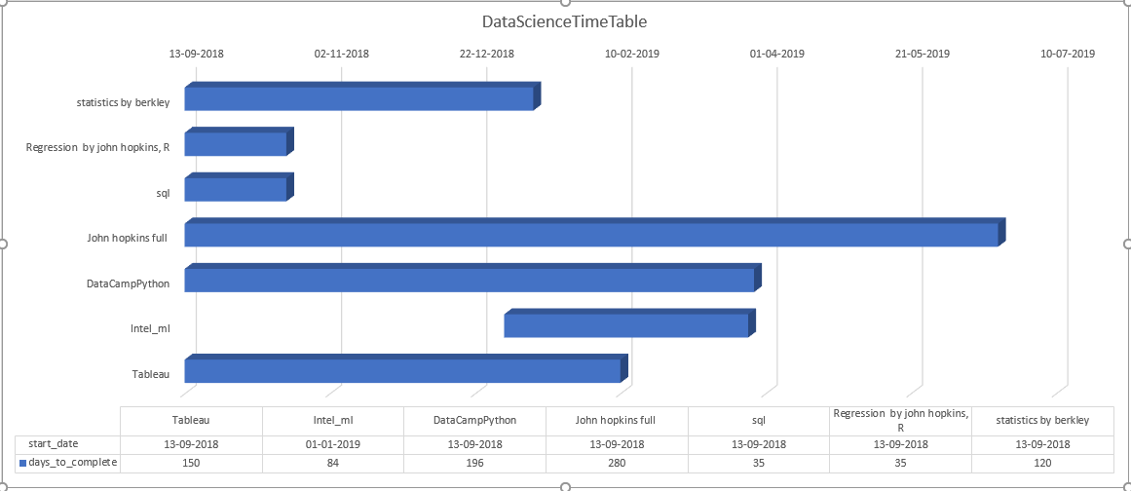
task | start_date | days_to_complete | finish_date
statistics by berkley | 2018-09-13 | 120 | 2019-01-11
Regression by john hopkins, R | 2018-09-13 | 35 | 2018-10-18
sql | 2018-09-13 | 35 | 2018-10-18
John hopkins full | 2018-09-13 | 280 | 2019-06-20
DataCampPython | 2018-09-13 | 196 | 2019-03-28
Intel_ml | 2019-01-01 | 84 | 2019-03-26
Tableau | 2018-09-13 | 150 | 2019-02-10

Next change in October

