Rubber Speed Hump
K.D SENITH TRADERS PVT LTD
MANHOLE & GULLY COVERS AND PARKING SAFETY EQUIPMENTS DISTRIBUTOR
Address: NO- 13/7, Pattivila, Gonawala
Tel: 011 7320068 / 0771453183 / 0756539790
Email: kd@senithtraders.lk / info@senithtraders.lk Web: www.senithtraders.lk

PRODUCT SPECIFICATION SHEET

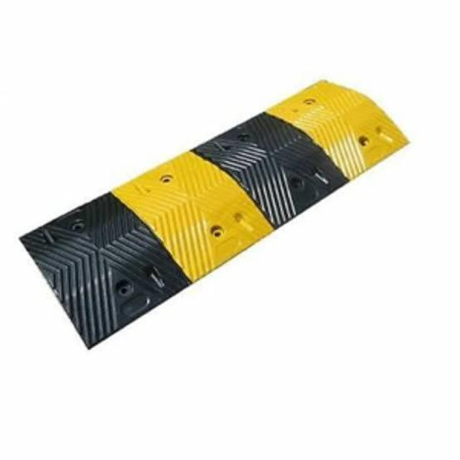 | Item | Rubber Speed Hump
 | Product Description | Rubber Speed Bump made of high-quality rubber materials, featuring high durability and strength with excellent resistance to wear and pressure, ensuring a long service life. It has a visible and clear design with eye-catching colors, making it effective in various environmental conditions. Designed to reduce vehicle speed in areas that require speed reduction, helping to improve road safety.
 | Size | 1000 x 325 x 50 cm
 | Weight | 10 kg
 | Attachments | Includes 8 screws for installation
 | Material | Rubber
 | Code | 809
 | Price

