Lights & Mirrors
K.D. SENITH TRADERS - LIGHTS & MIRRORS

Item | Picture | Model | Color | Specification | Price | Remarks
Car Truck Emergency Beacon Light |  | AB-1150 | Red & Yellow color | DIA - 11.5CM Power - DC 12V
Aviation Light AC |  | ST-SAL003(AC) | Red color | Size -(H) 26.5CM (D)14CM Visual Distance - 5km
Aviation Light Solar | 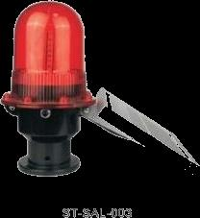 | ST-SAL003 | Red color | Size -(H) 26.5CM (D)14CM Solar Panel - 4.8v 630MA,3W Visual Distance - 5km
GO - STOP LED PADDALE |  | WL-A21-002 | Red color / Green color | Red & Green STOP - 9 LED GO - 7 LED
Vehicle Inspection Mirror |  |  |  | Diameter 20 x 24 CM Handle 85cm 130 cm max when expanded
Arrow Warning LED Light - Large |  |  |  | Large 125 x 64 Led Arrow 4 (LED 44)
Arrow Warning LED Light - Small |  |  |  | Small 48 x 28 Led Arrow 4 (LED 28)
LED Traffic Cone Cover |  |  |  | UP LED - 11 DOWN LED - 13

