Taxes
 |  |  |  |  | Score | Max | The teacher will enter your marks
 |  |  |  |  | 0 | 13 | Totals
 | Write your answers in the yellow cells or in the designated cells.

Taxes on a typical US family
 | Tax type | Taxed amount | Rate | Tax
 | Federal | 50,000 | 20% | 10,000
 | State | 50,000 | 7%
 | City | 50,000 | 4.50%
 | Sales tax | 35,000 | 8.875%

1) | Complete the tax calculations in column E.

2) | At which government level is the highest rate levied? |  |  |  |  | 1

3) | Based on the pie chart, what percentage of the family's tax is federal?
 |  |  |  |  |  | 1

4) | Add totals to the table in cells C11 and E11 |  |  |  |  | 4
 | (full credit for a spreadsheet calculation,
 | half credit for a correct number manually entered)

5) | Calculate the overall tax rate in cell D11. |  |  |  |  | 4
 |  |  |  |  |  | 1
 |  |  |  |  |  | 2

Pie charts
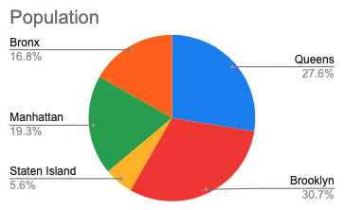
 |  |  |  | Score | Max | The teacher will enter your marks
 |  |  |  | 0 | 22 | Totals
 | Write your answers in the yellow cells or in the designated cells.

1) | How many degrees are there in the whole circle? |  |  |  | 1

2) | Based on the pie chart, what percentage is Queens?
 | (enter the value as a percentage) |  |  |  | 1

3) | Calculate the central angle measure of the green |  |  |  | 2
 | sector representing Manhattan's population.

4) | Complete the table below of the largest ten US states.
 | Enter population in millions, rounded to three significant figures |  |  |  | 9
 | Source: Wikipedia / US Census

5) | Enter the total US population in cell C34. |  |  |  | 1
 | Calculate the remaining population in states
 | not listed in cell C33 |  |  |  | 4

6) | Calculate and format the percentages of each state in column D |  |  |  | 4
 | hint: divide by $C36

US Top 10 States' Population
 | State | Population | Percentage
 | California | 39.2
 | Two | 2.0
 | Three | 3.0
 | Four | 4.0
 | Five | 5.0
 | Six | 6.0
 | Seven | 7.0
 | Eight | 8.0
 | Nine | 9.0
 | Ten | 10.0
 | Other
 | Total

Boroughs of NY
Population
 |  |  |  |  | Score | Max | The teacher will enter your marks
 |  |  |  |  | 0 | 15 | Totals
 | Write your answers in the yellow cells or in the designated cells.

 | Borough | Population | Area (sq mi) | Density
 | Queens | 4,460,101 | 108.53
 | Brooklyn | 4,970,026 | 70.82
 | Staten Island | 912,458 | 58.37
 | Manhattan | 3,123,068 | 22.83
 | Bronx | 2,717,758 | 42.10

 | source: City of New York |  | source: CUNY Baruch
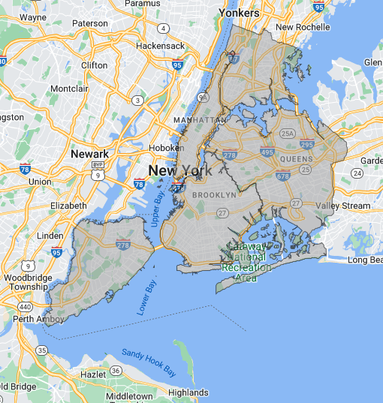

1) | What is the population of the least populated borough? |  |  |  |  | 1

2) | Based on the pie chart, what percentage of NYC's
 | population is in the Bronx? |  |  |  |  | 1

3) | According to the map, which borough extends |  |  |  |  | 1
 | furthest east?

4) | Add totals to the table in cells C14 and D14 |  |  |  |  | 4
 | (full credit for a spreadsheet calculation,
 | half credit for a correct number manually entered)

5) | Add the population density in column E |  |  |  |  | 4
 | Format the rest of the column to match cell E7 |  |  |  |  | 1
 | Calculate the city-wide average density in cell E12 |  |  |  |  | 2

6) | Approximately how many times more dense is Manhattan |  |  |  |  | 1
 | than the Bronx?

