1. Arithmetic
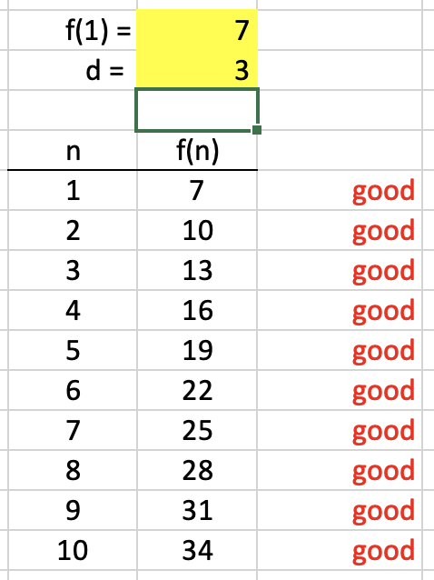
1) | Build the sequence calculator in columns E & F, including the formatting
 | Use this formula in G8: '=IF(C8:C17=F8:F17, "good","")'

 | Arithmetic sequence f

 | n | f(n)
 | 1 | 7
 | 2 | 10
 | 3 | 13
 | 4 | 16
 | 5 | 19
 | 6 | 22
 | 7 | 25
 | 8 | 28
 | 9 | 31
 | 10 | 34

2. Geometric
2) | Replicate the geometric sequence calculator, including formatting

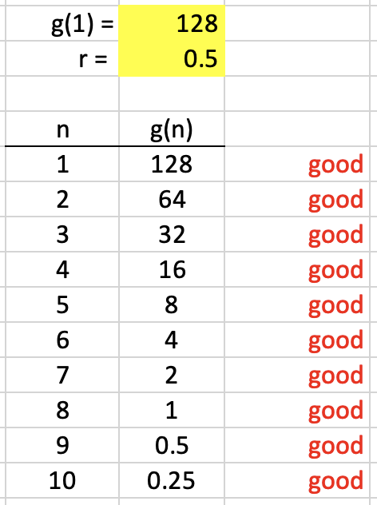
 | Geometric sequence g

 | n | g(n)
 | 1 | 128
 | 2 | 64
 | 3 | 32
 | 4 | 16
 | 5 | 8
 | 6 | 4
 | 7 | 2
 | 8 | 1
 | 9 | 0.5
 | 10 | 0.25

 | Formatting
 | a. | Cell border
 | b. | Cell fill
 | c. | Text color
 | d. | Centering
 | e. | Right justified
 | f. | Decimal place precision
 | Formulas
 | a. | References
 | b. | Absolute references (dollar signs)

 | (note: spreadsheets interpret slashes as dates
 | unless they are part of a calculation)

6. Graphing
5) | Complete the values and formulas in column D to replicate the sequence
 | Use formulas (notice the use of the dollar sign)

 |  | g(0) =
 |  | d =

Sequence points and linear formula
 | f(n) | g(n)
n | 15
0 | 27
1 | 39
2 | 51
3 | 63
4 | 75
5 | 87
6 | 99
7 | 111
8 | 123
9
 | n | f(n) | g(n)
 | 0 | 15
 | 1 | 27
 | 2 | 39
 | 3 | 51
 | 4 | 63
 | 5 | 75
 | 6 | 87
 | 7 | 99
 | 8 | 111
 | 9 | 123

