Taxes
 |  |  |  |  | Score | Max | The teacher will enter your marks
 |  |  |  |  | 0 | 8 | Totals
 | Write your answers in the yellow cells or in the designated cells.
 | For full credit use spreadsheet formulas for calculations
Taxes on a typical US family
 | Tax type | Taxed amount | Rate | Tax
 | Federal income tax | 60,000 | 15% | 9,000
 | State income tax | 60,000 | 5.6%
 | City income tax | 60,000 | 3.70%
 | Sales tax | 20,000 | 8.875%

0) | Enter your name

1) | Complete the tax calculations in column E. |  |  |  |  | 2

2) | Given these values, is the amount of sales tax or NYC income tax greater? |  |  |  |  | 1

3) | Based on the pie chart, what percentage of the family's tax is federal? |  |  |  |  | 1

4) | Calculate the sum of the taxes in column E in the cell at right (G20) |  |  |  |  | 2

5) | Calculate the overall tax paid as a percentage of the $60,000 income. |  |  |  |  | 2

Pie charts
 |  |  |  |  | Score | Max | The teacher will enter your marks
 |  |  |  |  | 0 | 20 | Totals
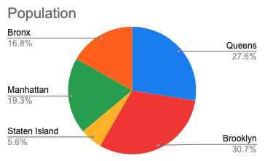

1) | How many degrees are there in the whole circle? |  |  |  |  | 1

2) | Based on the pie chart, what percentage is Staten Island?
 | (enter the value as a percentage) |  |  |  |  | 1

3) | Calculate the central angle measure of the yellow |  |  |  |  | 2
 | sector representing Staten Island's population.

US Top 10 States' Population
4) | Complete the table below of the largest ten US states.
 | Enter each state's number of US Representatives |  |  |  |  | 9
 | Source: Wikipedia / US Census

5) | Copy the formula calculating the population of the Other |  |  |  |  | 2
 | states to the Representatives column. (C34 to D34)

6) | Calculate the Population / Representative of each state |  |  |  |  | 5
 | note: multiply by one million

 | State | Population (millions) | Representatives | Population / Representative
1 | California | 39.2 | 52 | 753,846
2 | Texas | 29.5
3 | Florida | 21.8
US House Representatives per state
4 | New York | 19.8
5 | Pennsylvania | 13.0
6 | Illinois | 12.7
7 | Ohio | 11.8
8 | Georgia | 10.8
9 | North Carolina | 10.6
10 | Michigan | 10.1
 | Other | 155.8
 | Total | 335.1 | 435

Islands of the Caribean
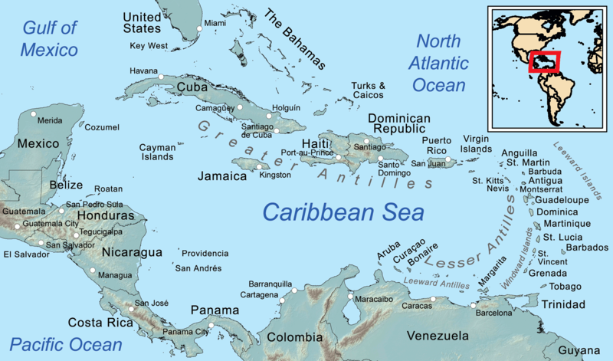
 | Score | Max | The teacher will enter your marks
 | 0 | 30 | Totals
Make a table of Caribean populations, area, and density
List the largest six islands/nations (Cuba, Haiti, the Dominican
Republic, Puerto Rico, Trinidad and Tabago, and Jamaica)
Use the source below for your data, but calculate the density
in the spreadsheet. |  | 20
Source: United Nations, Wikipedia

Challenge: make a pie chart of the population, use the |  | 5
total population of the Caribean to calculate the population |  | 5
on other islands not listed.

 |  |  | Credit: Wikipedia, Kmusser

