Sheet3
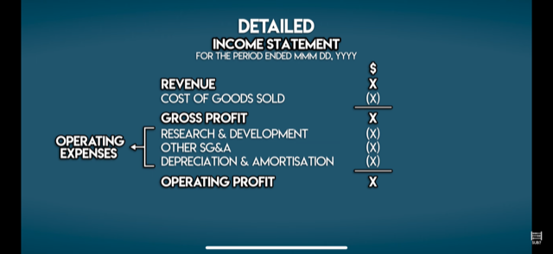
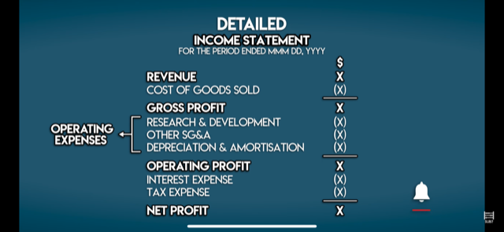

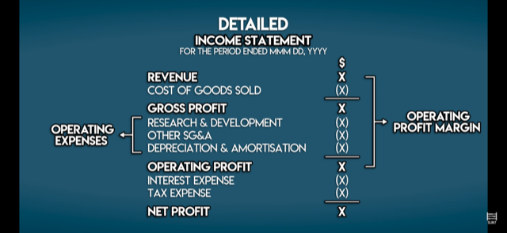
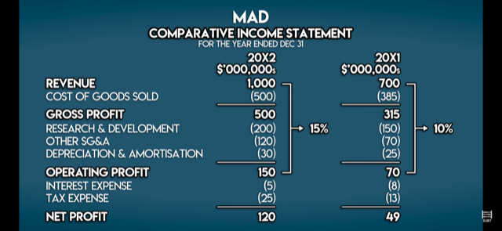

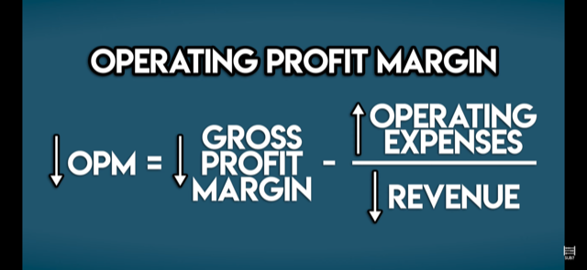
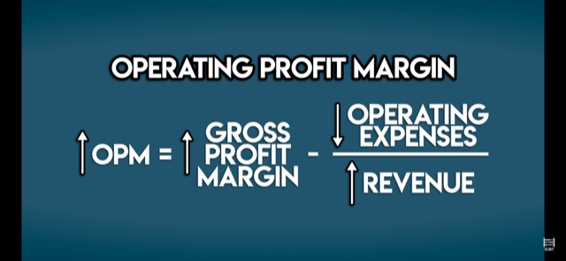

Sheet6
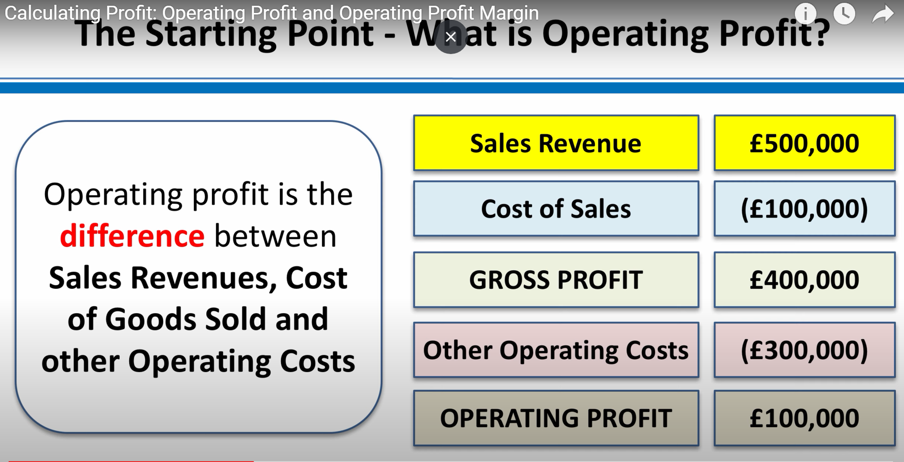
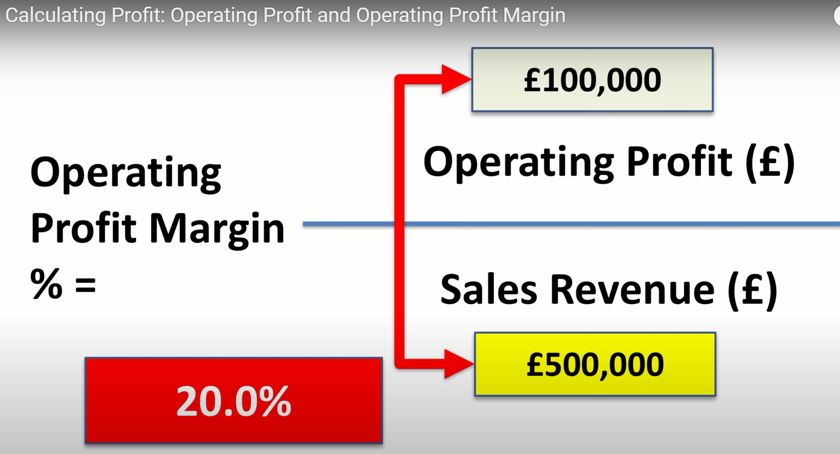

 |  |  |  | Annual |  | Monthly | Pieces monthly | pieces annually
 |  |  |  |  |  | 12 | 100 | 1200
Sales Revenue | $500,000.00 |  | Sales Revenue | $500,000.00 |  | $41,666.67 | $416.67 | $500,000.00
COGS | $100,000.00 | player can effect this number | COGS | $100,000.00 | player can effect this number | $8,333.33
Gross Profit | $400,000.00 |  | Gross Profit | $400,000.00 |  | $33,333.33
Other Operating Costs | $300,000.00 | player can effect this number | Other Operating Costs | $300,000.00 | player can effect this number | $25,000.00
Operating Profit | $100,000.00 |  | Operating Profit | $100,000.00 |  | $8,333.33

Operating Profit Margin | 0.2 |  | Operating Profit Margin | 0.2 | 20% or higher = WIN | 0.2
 |  |  |  |  | below 20% = LOSE

