FrontPage
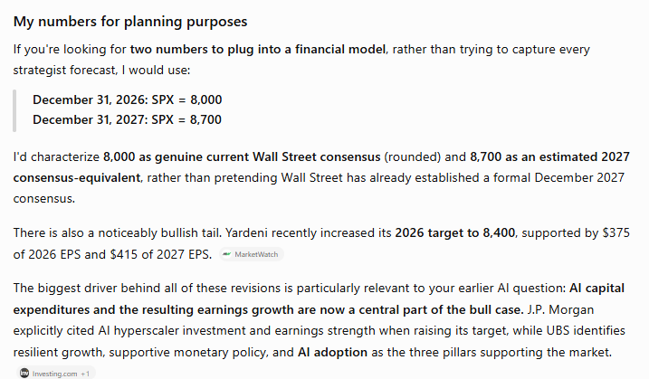
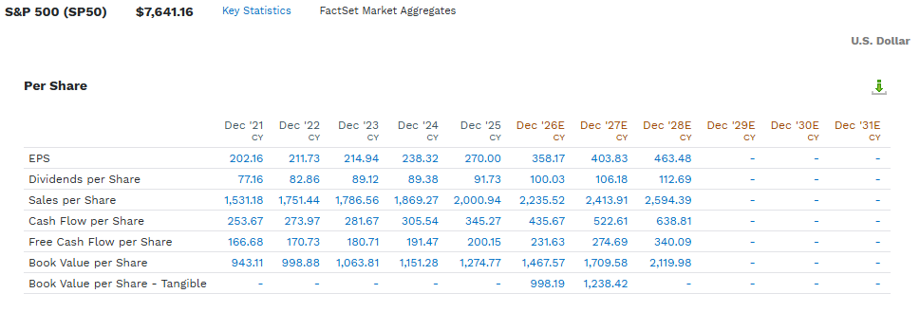
The Hershey Company (HSY)
Share Symbol: |  | HSY | Exchange Traded: | NYSE |  | FUNDAMENTALS
Recent price: (US$) |  | $159.46 | Student: | Chris Lester |  | Most Recent Qtr Report | 2QFY26 | Market Capitalization (M $$) |  | $32,434
Date: |  | 2026-10-04 | TXST Email: | wjs65@txstate.edu |  | Last Full Fiscal Year | 2025 | Enterprise Value (M $$) |  | $35,676
 |  | Index | Earnings (GAAP) | E (% Chg)-cagr | Multiple | Profitability |  | Balance Sheet
S&P 500 (t-1) |  | 6,715.35 |  |  |  | Gross Margin (%) | 41% | Cash - M $$ |  | $1,452
S&P 500 (Current) |  | 7,722.72 | 15.0% | 358.17 | 21.6x | Avg Gross Margin (3 yrs) | 41% | Cash per Share - $$ |  | $7.14
S&P 500 (t+1) |  | 8,000.00 | 0.5% | 360.00 | 22.2x | Net Margin (%) | 14% | Free Cash Flow to the firm- M $$ |  | $0
S&P 500 (t+2) |  | 8,700.00 | 11.1% | 400.00 | 21.8x | Net Margin (3 Yrs) | 14% | FCFF per Share - SS |  | $0.00
Company Description |  |  | CATALYSTS (RECENT DEVELOPMENTS) |  |  | EBITDA Margin (%) | 25% | Net Debt - M $$ |  | $4,694
Founded in 1894, Hershey is the largest producer of quality chocolate in North America and a leading U.S. snack maker. Brands include Hershey's, Reese's, Kisses, Jolly Rancher and Kit Kat (U.S.) and salty snacks (SkinnyPop, Dot's Homestyle Pretzels). FY2025 net sales were $11.69 billion; about 19,600 employees. Source: FY2025 Form 10-K (S1). |  |  | 1) Q3 2026 results, expected Oct 22, 2026: management expects the year's strongest earnings growth as peak cocoa costs are lapped (S3). 2) Cocoa is down more than 70% from late-2024 highs; the relief reaches margins with a lag through hedges and inventory (S6). 3) FY2026 guidance raised in July: net sales growth of 4.5 to 5.0% and adjusted EPS of $8.36 to $8.52 (S2). |  |  | Avg EBITDA Margin (%) | 24% | Net Debt/FCF - % |  | #DIV/0!
 |  |  |  |  |  | Outlook |  | Valuation Models | Multiple | Price Target
 |  |  |  |  |  | Revenue Growth (LTM) | 5.2% | P/E (Current - LTM) | 2.6x | $159
 |  |  |  |  |  | Revenue Growth (Fwd 12month) | 2.5% | P/E (Fwd 12 Months) | 2.6x | $163
Revenue Segments |  |  | WHAT'S UNIQUE (MOAT) |  |  | Revenue Growth (Fwd 24month) | 2.6% | P/E (Fwd 24 Months) | 2.5x | $168
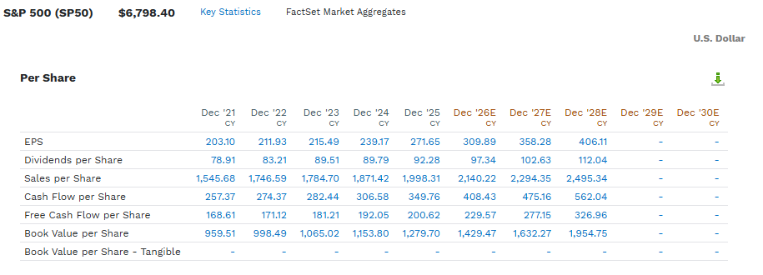
FY2025 net sales (S1): North America Confectionery $9,479.7M (81%); North America Salty Snacks $1,271.3M (11%); International $941.6M (8%). |  |  | 1) Brands with pricing power: Hershey's, Reese's and Kisses carried roughly 14% price increases in 2026 and net sales still grew (S3, S4). 2) Scale: the largest producer of quality chocolate in North America, with the manufacturing and retail distribution that come with it (S1). |  |  | EPS Growth (LTM) | 1293.0% | MC/Rev (Current - LTM) | 2.6x | $159 | Mult = (pr*sh)/rev
 |  |  |  |  |  | EPS Growth (Fwd 12Month) | 2.5% | MC/Rev (Fwd 12Month) | 2.6x | $163 | (Mult*Rev)/Sh
 |  |  |  |  |  | EPS Growth (Fwd 24Month) | 2.6% | MC/Rev (Fwd 24Month) | 2.5x | $168 | Mult = (EV / EBITDA)
How Does the Company Make Money (Unit Economics)?? |  |  | Main Strengths |  |  | Capital Allocation |  | EV / EBITDA (LTM) | 11.5x | $156 | Mult = (MC + Debt - Cash) / EBITDA
Hershey sells branded chocolate, sweets and snacks to retailers and distributors. Revenue is volume times net price, and price is the lever: Q2 2026 net sales rose 6.6% on roughly 14% pricing while confectionery volume fell about 10% (S3, S4). The swing cost is cocoa, then sugar, dairy and packaging: gross margin fell from 47.3% in FY2024 to 33.5% in FY2025 as cocoa peaked (S1). Reinvestment is light: capex was 3.9% of sales in FY2025, below D&A, so operating profit converts to cash ($2.28B operating cash flow) and is returned as dividends ($1.09B) (S1). |  |  | 1) Cash generation: $2.28B of operating cash flow in FY2025, a trough-margin year (S1). |  |  | ROE | 34.5% | EV/EBITDA (Fwd 12Months) | 10.3x | $177 | Mult = ((Pr * SH)+ Debt - Cash) / EBITDA
 |  |  | 2) Low capital intensity: capex 3.9% of sales, below D&A (S1). |  |  | Avg ROE (3 Yrs) | 36.3% | EV/EBITDA (Fwd 24Months) | 9.8x | $188 | ((Mult*EBITDA)+Cash-Debt)/Sh
 |  |  | 3) Pricing power: Q2 2026 net sales up 6.6% on about 14% pricing (S3, S4). |  |  | Asset Turnover | 3.3% |  |  |  | Mult = EV / FCF
 |  |  | Main Risks |  |  | Avg AT (3 yrs) | 35.8% |  |  |  | Mult = ((Pr*sh)+Debt-Cash)/ FCF
Main Peers / Comps |  |  | 1) Volume: confectionery volume fell about 10% in Q2 2026 as prices rose (S4). |  |  | Fincl Lev | 294.4% |  |  |  | Pr = ((Mult * FCF)+Cash-Debt) / Sh
1) Mondelez (MDLZ) | 3) Lindt & Spruengli (LISN) |  | 2) Cocoa: one input took operating margin from 25.9% to 12.3% in a year (S1, S6). |  |  | Avg Fincl Lev (3 Yrs) | 287.8%
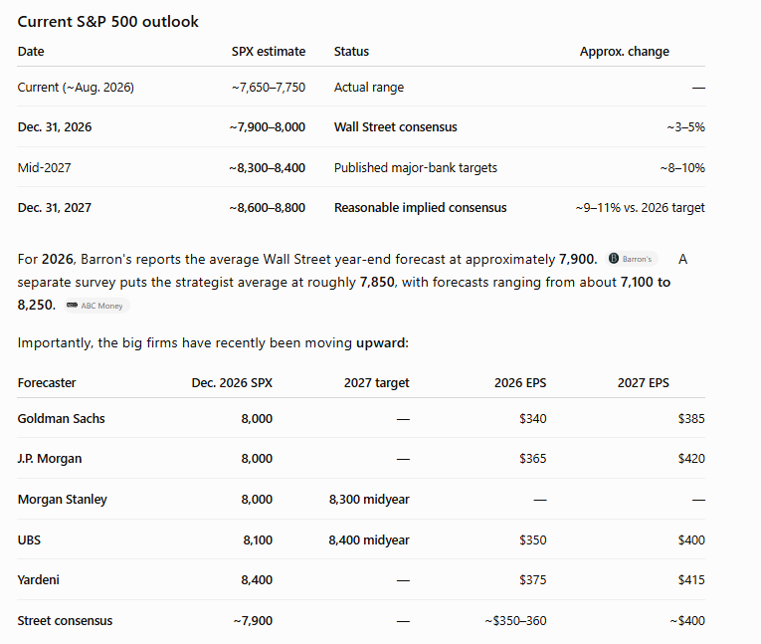
2) Nestle (NESN) | 4) General Mills (GIS) |  | 3) Concentration: North America Confectionery is 81% of net sales (S1).
Share Price (USD) - 5 yrs
 |  |  |  |  |  | Capital Intensity |  | Normalized Multiples
 |  |  |  |  |  | CAPEX/Revenues - % | 3.6% | (P/E) / EGr (Fwd 1Yr) - x |  | 0.2x
 |  |  |  |  |  | Avg CAPEX/Rev (3 yrs) - % | 4.3% | (MC/Rev) / RevGr (Fwd 1Yr) - x |  | 2.5x
 |  |  |  |  |  |  |  | (EV/EBITDA) / EBITDA Gr (Fwd 1Yr) - x |  | 7.4x

 |  |  |  |  |  |  | 79.1%

DCF 1-Pager
Discounted Cash Flow Valuation
$ and shares in thousands, except for per share data |  |  |  |  |  |  |  |  | Summary: |  |  |  | Relative Valuation
Company name |  | The Hershey Company (HSY) |  |  |  |  |  |  |  | Terminal Value Assumption |  |  |  |  | Times | Product | Adjusted | Shares O/S | Value Estimate
Ticker symbol |  | HSY |  |  |  |  |  |  |  | Perpetual Growth | Multiple |  | P/E ratio | #DIV/0! | $901 | #DIV/0! | #DIV/0! | $207,154 | #DIV/0!
Most recent fiscal year end |  | 2025-12-31 |  | Discount rate (WACC) |  | 0.0% |  |  |  |  |  |  | EV/EBITDA | #DIV/0! | $1,945 | #DIV/0! | #DIV/0! | $207,154 | #DIV/0!
End of first fiscal year |  | 2026-12-31 |  | Share price (Public Co) |  | $159.46 |  |  | FCFF | ($0.02) | ($0.02) |  | EV/Sales | #DIV/0! | $11,693 | #DIV/0! | #DIV/0! | $207,154 | #DIV/0!
Most recent quarter end date |  | 2026-06-30 |  | Share price date |  | 2026-10-04 |  |  | FCFE | $0.00 | $0.00
Valuation date |  | 2026-10-04 |  | Midyear adjustment? |  | 0
Per Share Value As of Valuation Day
Summary of Results
Portion of year 1 cash flows in forecast |  | 24.2%

Free cash flow to the firm (FCFF)
Unlevered Free Cash Flows
 |  | Actual | Forecasts
Fiscal year ended |  | 2025A | 2026F | 2027F | 2028F

Revenue |  | 11,693 | 12,297 | 12,604 | 12,932
% growth |  |  | 5.2% | 2.5% | 2.6%
EBITDA |  | 1,945 | 3,035 | 3,394 | 3,554
% margin |  | 16.6% | 24.7% | 26.9% | 27.5%
EBIT |  | 1,442 | 2,547 | 2,835 | 2,985
% margin |  | 12.3% | 20.7% | 22.5% | 23.1%

Tax on EBIT |  | 540 | 598 | 690 | 708
Tax rate |  | 37.5% | 23.5% | 24.3% | 23.7%
NOPAT (aka EBIAT) |  | 901 | 1,949 | 2,146 | 2,277

Depreciation & amortization |  | 504 | 488 | 558 | 569
Changes in net working capital |  | (747) | (285) | (188) | (296)
Capital expenditures |  | (455) | (441) | (504) | (514)
as % of revenue |  | 4.3% | 4.3% | 4.3% | 4.3%

Free cash flow to the firm
Unlevered free cash flows (UFCF)

Net working capital (WC Assets - WC liabilities) | (170) | 577 | 862 | 1,050 | 1,346
as % of revenue |  | 4.9% | 7.0% | 8.3% | 10.4%

Present value of UFCF on Oct 04, 2026 valuation date
 |  | Val date | Yr 1 - Stub | Year 2 | Year 3
Date for discounting cash flows |  | 2026-10-04 | 2026-12-31 | 2027-12-31 | 2028-12-31
Unlevered free cash flows (UFCF) stub adjusted | 24.2% |  | 414 | 2,012 | 2,037 |  |  | <-Stub year counts first year cash flows starting at the valuation date
Present value of of unlevered free cash flows |  |  | 414 | 2,012 | 2,037

Terminal value - growth in perpetuity approach |  |  | Terminal value - EBITDA multiple approach
Long term growth rate |  |  | Terminal year EBITDA
2028 FCF x (1+g) |  | Estimate for 2029 FCF | EBITDA multiple
Terminal value in 2028 |  |  | Terminal value in 2028 |  |  |  |  |  | PV(0) = CF(1)/(r-g)
Present value of terminal value |  |  | Present value of terminal value
Present value of stage 1 cash flows |  |  | Present value of stage 1 cash flows
Total enterprise value (TEV) |  |  | Enterprise value (stage 1 + 2)

Terminal value as % of TEV | #DIV/0! |  | Terminal value as % of TEV |  |  |  | #DIV/0!
Stage 1 cash flows as % of TEV | #DIV/0! |  | Stage 1 cash flows as % of TEV |  |  |  | #DIV/0!
Implied TV exit EBITDA multiple | 0.0x |  | Implied terminal growth rate |  |  |  | #DIV/0!

Net debt |  |  | Shares outstanding
Source doc | Factset
Source date | 2025-12-31 |  |  |  | Source doc | Date | Shares
Gross debt and equivalents |  |  | Basic shares |  | Q1 2020 10Q | 2020-01-17 | 205,241.853
Debt | 4,681 | MV(0)= PV(FCFF) - Debt + Cash | Restricted stock / RSUs |  | Q1 2020 10Q | 2019-12-28 | 1,303.521
Convertible debt |  |  | Options / warrants |  |  |  | 609.000 | <-These are options issued by the company, like to executives
Preferred stock |  |  | Convertible debt |  |  |  | 0.000 | <-Look on FINRA for this if you can't find it in the 10-K
Noncontrolling (minority) interests |  |  | Convertible preferred stock |  |  |  | 0.000 | <-Very few companies have this
Nonoperating assets |  |  | Net diluted shares outstanding |  |  |  | 207,154.374
Cash | 926
Equity investments

Net debt | 3,755

Valuation
 | Perpetuity | EBITDA
Enterprise value | 0 | 0
Net debt | 3,755 | 3,755
Equity value | (3,755) | (3,755)
Shares outstanding | 207,154 | 207,154
Equity value per share | ($0.02) | ($0.02)

Year 1 Multiples | Perpetuity | EBITDA
EV / Revenue | – | –
EV / EBITDA | – | –
EV / EBIT | – | –

Free cash flow to equity
Present value of UFCF on Oct 04, 2026 valuation date
 |  | Val date | Yr 1 - Stub | Year 2 | Year 3
Date for discounting cash flows |  | 2026-10-04 | 2026-12-31 | 2027-12-31 | 2028-12-31
Unlevered free cash flows (UFCF) stub adjusted | 24.2% |  | 0 | 1,725 | 1,945
Present value of of unlevered free cash flows |  |  | 0 | 1,725 | 1,945

Terminal value - growth in perpetuity approach |  |  | Terminal value - PE multiple approach
Long term growth rate |  |  | Terminal year Earnings
2028 FCFE x (1+g) |  |  | PE multiple
Terminal value in 2028 |  |  | Terminal value in 2028
Present value of terminal value |  |  | Present value of terminal value
Present value of stage 1 cash flows |  |  | Present value of stage 1 cash flows
Total equity value (TEV) |  |  | Equity Value

Terminal value as % of TEV | #DIV/0! |  | Terminal value as % of TEV |  |  |  | #DIV/0!
Stage 1 cash flows as % of TEV | #DIV/0! |  | Stage 1 cash flows as % of TEV |  |  |  | #DIV/0!
Implied TV exit PE multiple | 0.0x |  | Implied terminal growth rate |  |  |  | #DIV/0!

Valuation
 | Perpetuity | PE
Equity value | 0 | 0
Shares outstanding | 205,306 | 205,306
Equity value per share | $0.00 | $0.00

Outputs

 |  | Equity value per share |  |  |  |  |  |  | Year 1 EBITDA multiple
 |  |  | Long term growth rate (g): |  |  |  |  |  |  | Long term growth rate (g):
 |  | (0.02) | 2.0% | 2.5% | 3.0% | 3.5% | 4.0% |  | 0.0x | 2.0% | 2.5% | 3.0% | 3.5% | 4.0%
 |  | 7.0% | (0.02) | (0.02) | (0.02) | (0.02) | (0.02) |  | 7.0% | 0.0x | 0.0x | 0.0x | 0.0x | 0.0x
 |  | 6.5% | (0.02) | (0.02) | (0.02) | (0.02) | (0.02) |  | 6.5% | 0.0x | 0.0x | 0.0x | 0.0x | 0.0x
 | WACC: | 6.0% | (0.02) | (0.02) | (0.02) | (0.02) | (0.02) | WACC: | 6.0% | 0.0x | 0.0x | 0.0x | 0.0x | 0.0x
 |  | 5.5% | (0.02) | (0.02) | (0.02) | (0.02) | (0.02) |  | 5.5% | 0.0x | 0.0x | 0.0x | 0.0x | 0.0x
Data |  | 5.0% | (0.02) | (0.02) | (0.02) | (0.02) | (0.02) |  | 5.0% | 0.0x | 0.0x | 0.0x | 0.0x | 0.0x
Tables
 |  | Equity value per share |  |  |  |  |  |  | Implied terminal growth rate
 |  |  | Exit EBITDA Multiple |  |  |  |  |  |  | Exit EBITDA Multiple
 |  | ($0.02) | 12.5x | 13.0x | 13.5x | 14.0x | 14.5x |  | #DIV/0! | 12.5x | 13.0x | 13.5x | 14.0x | 14.5x
 |  | 7.0% | (0.02) | (0.02) | (0.02) | (0.02) | (0.02) |  | 7.0% | #DIV/0! | #DIV/0! | #DIV/0! | #DIV/0! | #DIV/0!
 |  | 6.5% | (0.02) | (0.02) | (0.02) | (0.02) | (0.02) |  | 6.5% | #DIV/0! | #DIV/0! | #DIV/0! | #DIV/0! | #DIV/0!
 | WACC: | 6.0% | (0.02) | (0.02) | (0.02) | (0.02) | (0.02) | WACC: | 6.0% | #DIV/0! | #DIV/0! | #DIV/0! | #DIV/0! | #DIV/0!
 |  | 5.5% | (0.02) | (0.02) | (0.02) | (0.02) | (0.02) |  | 5.5% | #DIV/0! | #DIV/0! | #DIV/0! | #DIV/0! | #DIV/0!
 |  | 5.0% | (0.02) | (0.02) | (0.02) | (0.02) | (0.02) |  | 5.0% | #DIV/0! | #DIV/0! | #DIV/0! | #DIV/0! | #DIV/0!

Equity value range |  |  |  |  | Football field
DCF Equity Valuation Range
LTM EBITDA Multiple Range

 | Low | Diff. | High |  |  |  |  |  |  |  |  | Low | Diff. | High
DCF Value at 12.5x-14.5x Exit EBITDA Range at 6.0% WACC | (0.02) | 0.00 | (0.02) |  | LTM EBITDA Purchase Multiple at 2.0%-4.0% Perpetuity Growth at 6.0% WACC |  |  |  |  |  |  | 0.00 | 0.00 | 0.00
DCF Value at 2.0%-4.0% Perpetuity Range at 6.0% WACC | (0.02) | 0.00 | (0.02) |  | #DIV/0! |  |  |  |  |  |  | #DIV/0! | #DIV/0! | #DIV/0!
52 Week Market High/Low | 169.50 | 158.35 | 327.85 |  | LTM EBITDA Purchase Multiple at 5.0%-7.0% WACC at 13.5x Exit EBITDA |  |  |  |  |  |  | #DIV/0! | #DIV/0! | #DIV/0!

