Apartments
Thumbnail Image | Unique Apartment ID | Number of Bedrooms | Number of Bathrooms | Frontage Type | Dimension Width (m) | Dimension Width 2 (m) | Dimension Depth (m) | Reference Project | Area (m²) | Study
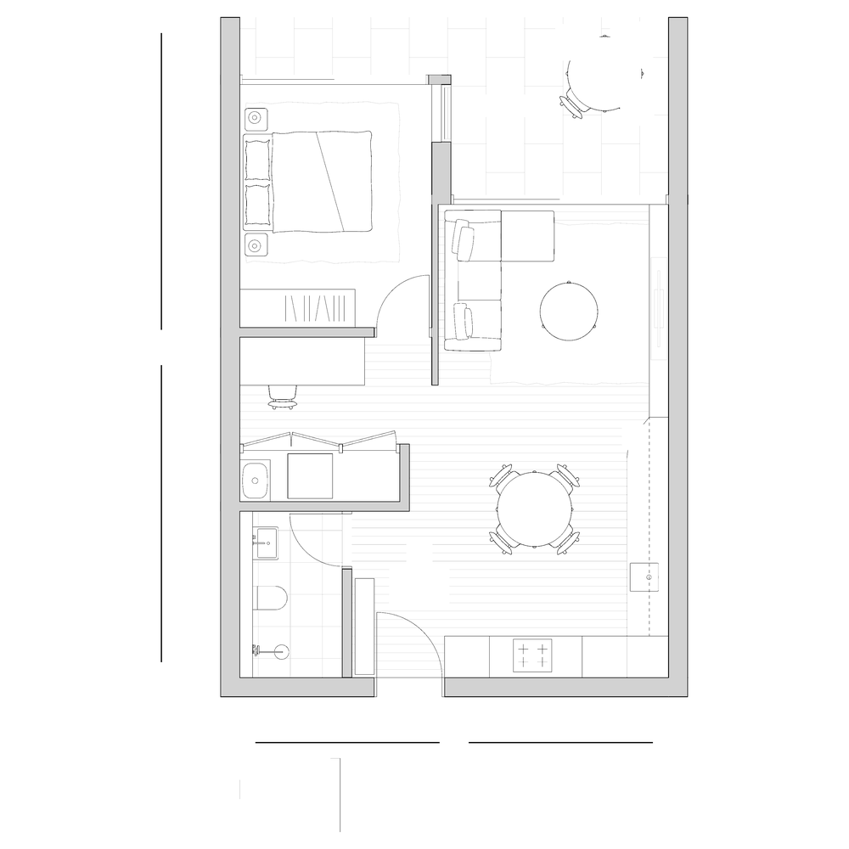 | SING-1B-001 | 1 | 1 | Single aspect | 6.7 |  | 10.3 | TYPICAL | 55.17 | No
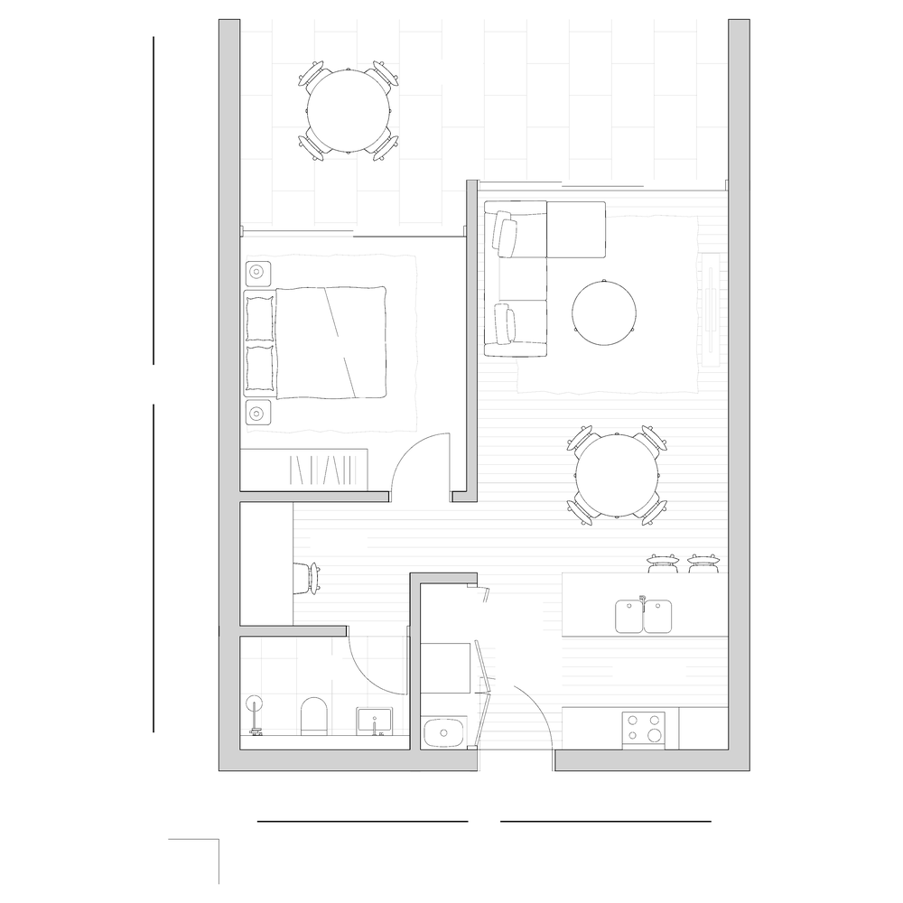 | SING-1B-002 | 1 | 1 | Single aspect | 6.9 |  | 10.32 | 2101 Midtown, Macquarie Park APT 601 | 52.33 | Yes
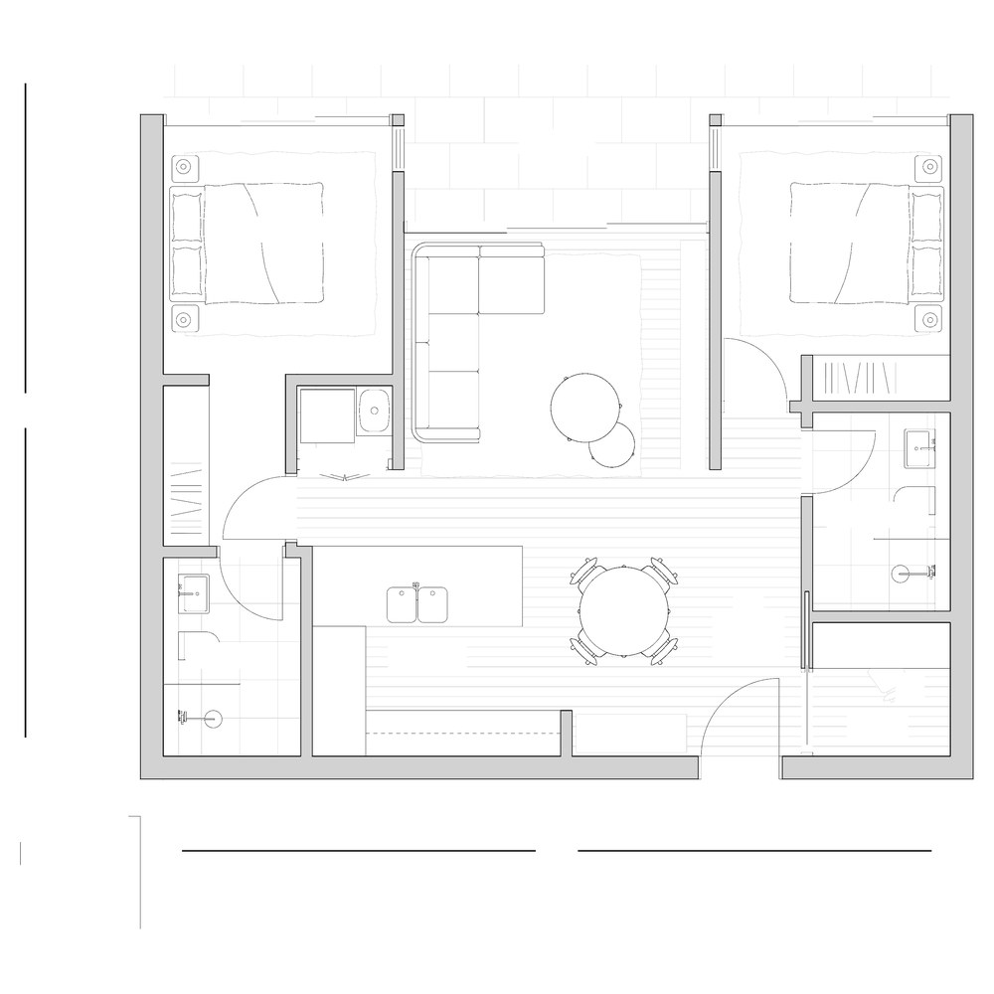 | SING-2B-001 | 2 | 2 | Single aspect | 10.3 |  | 9.05 | 1601 Amara, Alexandria | 79.09 | Yes
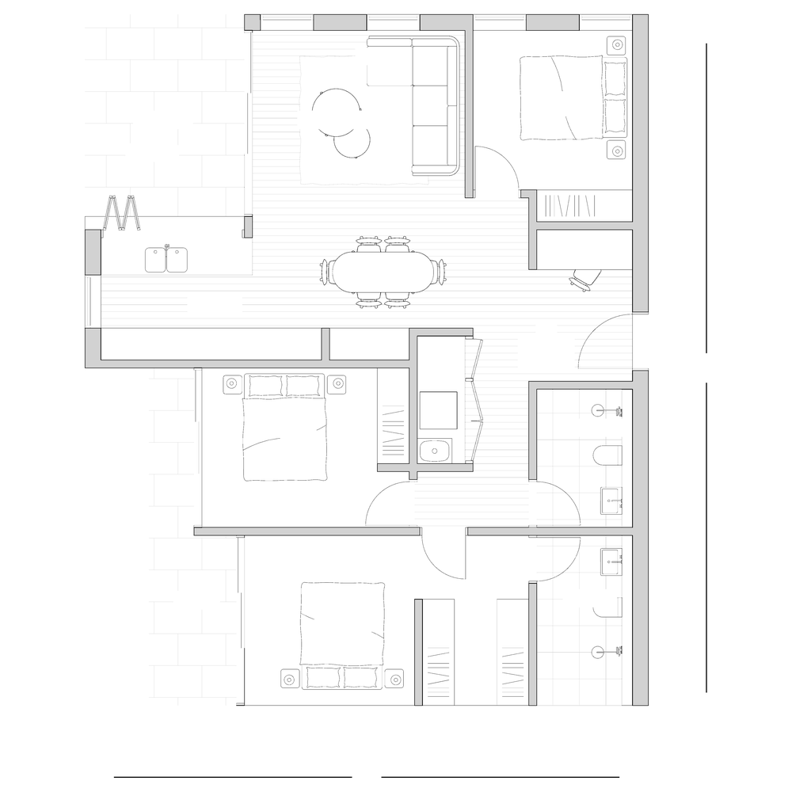 | COR-3B-001 | 3 | 2 | Corner | 10 |  | 12.7 | 2399 Redfern Comp APT 401 | 100.85 | Yes
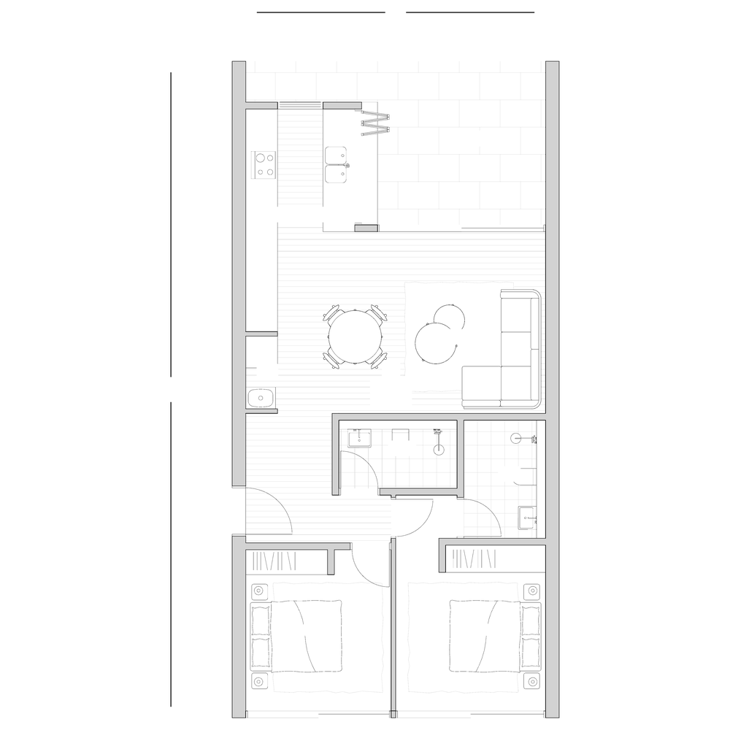 | XTHR-2B-001 | 2 | 2 | Cross-through | 6.6 |  | 14.45 | 1405 Rochford, Erskineville | 76.11 | No
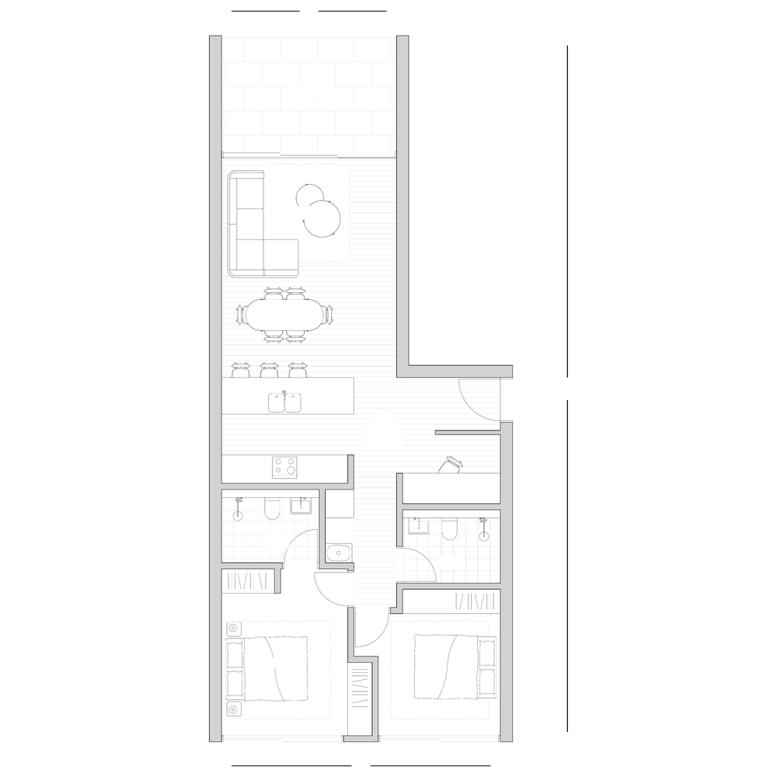 | XTHR-2B-002 | 2 | 2 | Cross-through | 6.85 | 4.3 | 17.35 | 2101 Midtown, Macquarie Park APT 501 | 83.5 | Yes

