Churned and stayed by tenure Ch
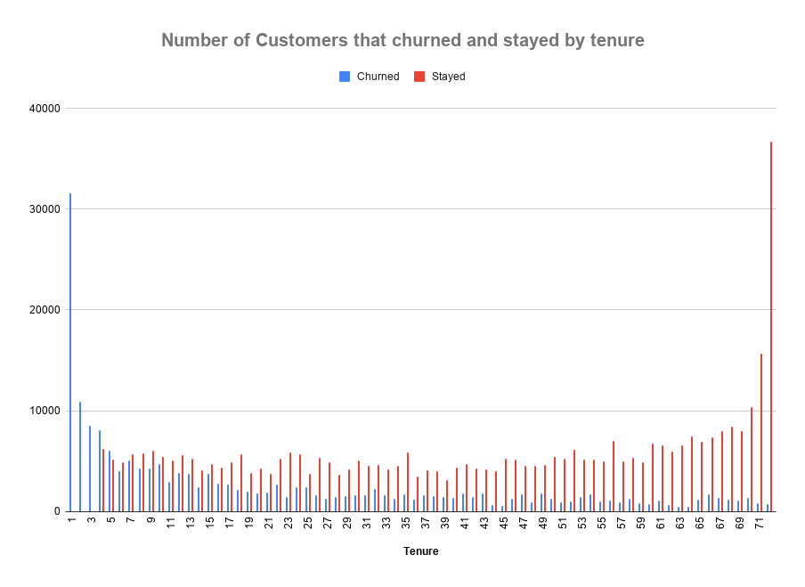

Avg Monthly Long Distance Charg
Avg Monthly Long Distance Charges vs. Average Monthly Revenue

Chart for churn reason
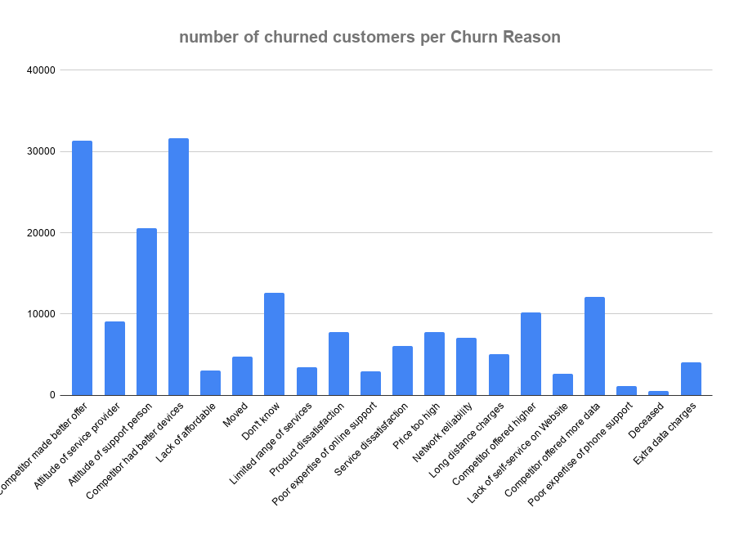

100% stacked column chart
