Sheet1
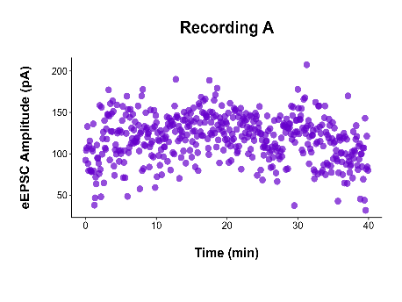
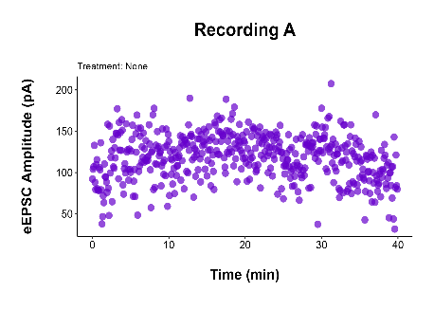
Left: Email (96 dpi) compression) | Right: High fidelity, no compression.

