STOCKHISTORY function
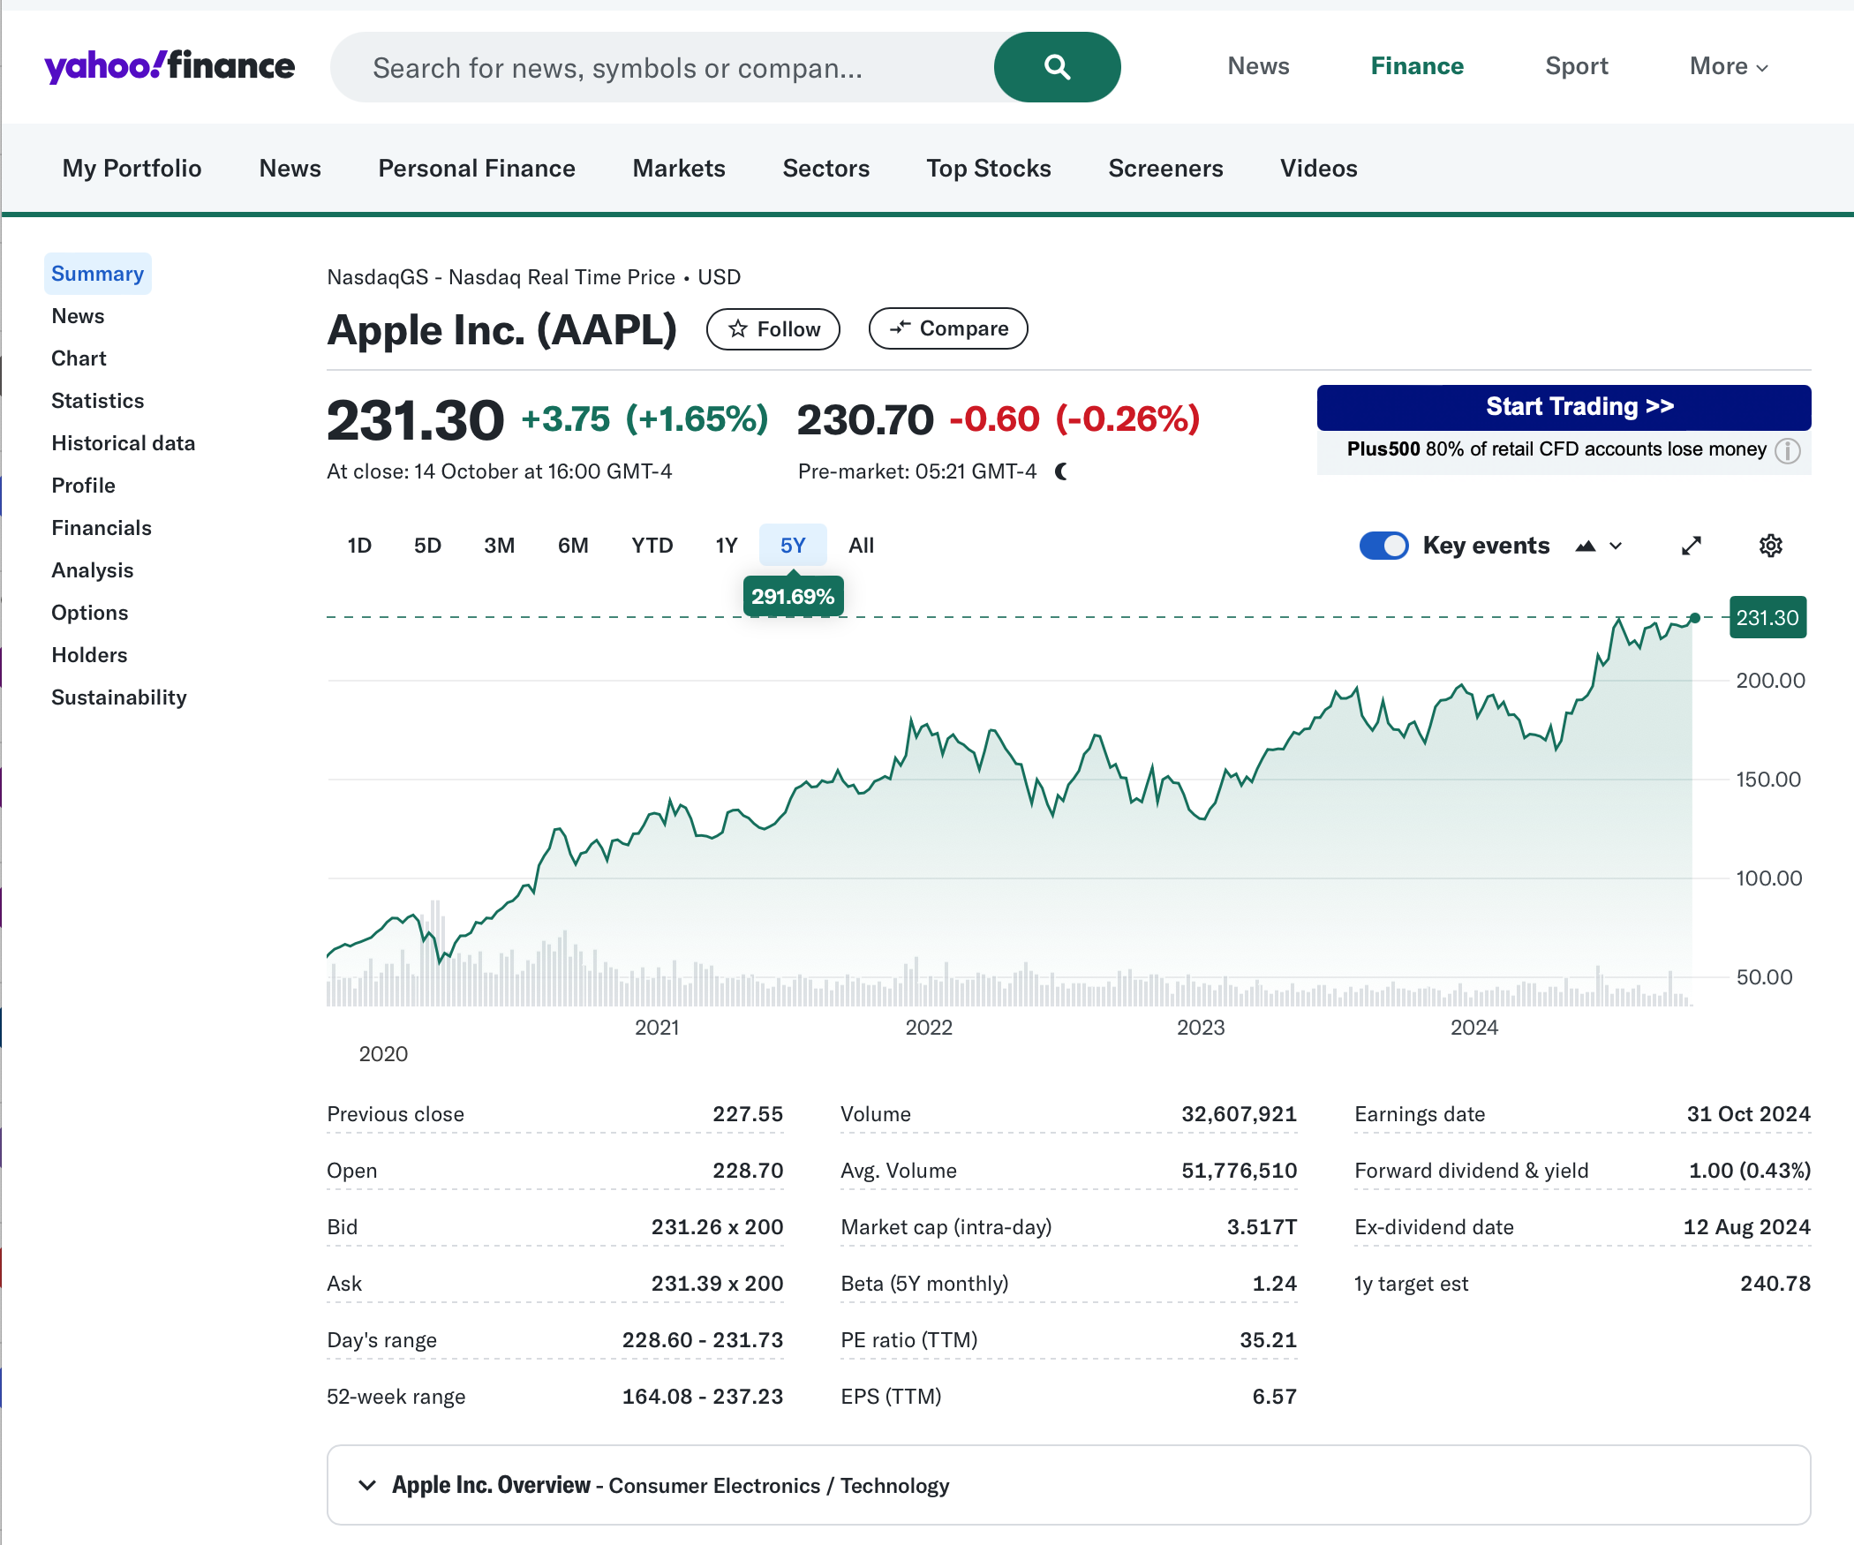
40909 | 16.3028
40940 | 19.3728
40969 | 21.4125
41000 | 20.8564
41030 | 20.6332
41061 | 20.8571
41091 | 21.8128
41122 | 23.7585
41153 | 23.8252
41183 | 21.2614
41214 | 20.9028
41244 | 19.0062
41275 | 16.2675
41306 | 15.7643
41334 | 15.8093
41365 | 15.8136
41395 | 16.0619
41426 | 14.1618
41456 | 16.1618
41487 | 17.4006
41518 | 17.0268
41548 | 18.6679
41579 | 19.8596
41609 | 20.0364
41640 | 17.8786
41671 | 18.7943
41699 | 19.1693
41730 | 21.0746
41760 | 22.6071
41791 | 23.2325
41821 | 23.9
41852 | 25.625
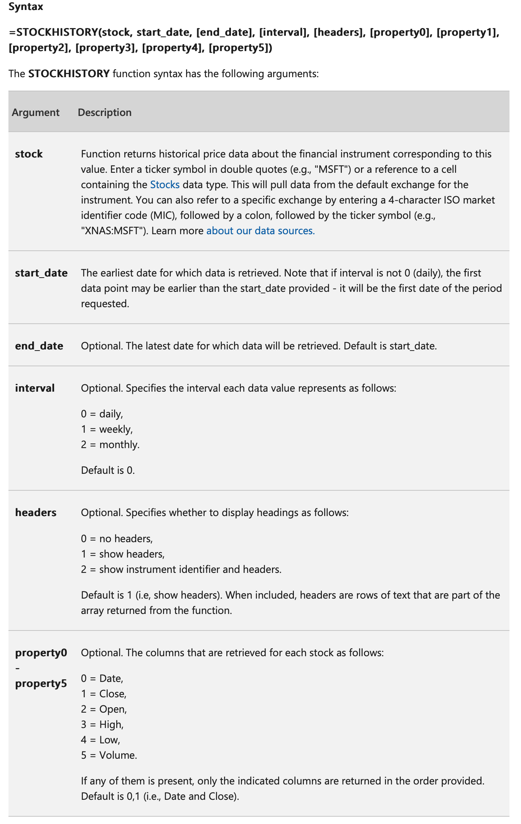
41883 | 25.1875
41913 | 27
41944 | 29.7325
41974 | 27.595
42005 | 29.29
42036 | 32.115
42064 | 31.1075
42095 | 31.2875
42125 | 32.57
42156 | 31.3563
42186 | 30.325
42217 | 28.19
42248 | 27.575
42278 | 29.875
42309 | 29.575
42339 | 26.315
42370 | 24.335
42401 | 24.1725
42430 | 27.2475
42461 | 23.435
42491 | 24.965
42522 | 23.9
42552 | 26.0525
42583 | 26.525
42614 | 28.2625
42644 | 28.385
42675 | 27.63
42705 | 28.955
42736 | 30.3375
42767 | 34.2475
42795 | 35.915
42826 | 35.9125
42856 | 38.19
42887 | 36.005
42917 | 37.1825
42948 | 41
42979 | 38.53
43009 | 42.26
43040 | 42.9625
43070 | 42.3075
43101 | 41.8575
43132 | 44.53
43160 | 41.945
43191 | 41.315
43221 | 46.7175
43252 | 46.2775
43282 | 47.5725
43313 | 56.9075
43344 | 56.435
43374 | 54.715
43405 | 44.645
43435 | 39.435
43466 | 41.61
43497 | 43.2875
43525 | 47.4875
43556 | 50.1675
43586 | 43.7675
43617 | 49.48
43647 | 53.26
43678 | 52.185
43709 | 55.9925
43739 | 62.19
43770 | 66.8125
43800 | 73.4125
43831 | 77.3775
43862 | 68.34
43891 | 63.5725
43922 | 73.45
43952 | 79.485
43983 | 91.2
44013 | 106.26
44044 | 129.04
44075 | 115.81
44105 | 108.86
44136 | 119.05
44166 | 132.69
44197 | 131.96
44228 | 121.26
44256 | 122.15
44287 | 131.46
44317 | 124.61
44348 | 136.96
44378 | 145.86
44409 | 151.83
44440 | 141.5
44470 | 149.8
44501 | 165.3
44531 | 177.57
44562 | 174.78
44593 | 165.12
44621 | 174.61
44652 | 157.65
44682 | 148.84
44713 | 136.72
44743 | 162.51
44774 | 157.22
44805 | 138.2
44835 | 153.34
44866 | 148.03
44896 | 129.93
44927 | 144.29
44958 | 147.41
44986 | 164.9
45017 | 169.68
45047 | 177.25
45078 | 193.97
45108 | 196.45
45139 | 187.87
45170 | 171.21
45200 | 170.77
45231 | 189.95
45261 | 192.53
45292 | 184.4

