Summary
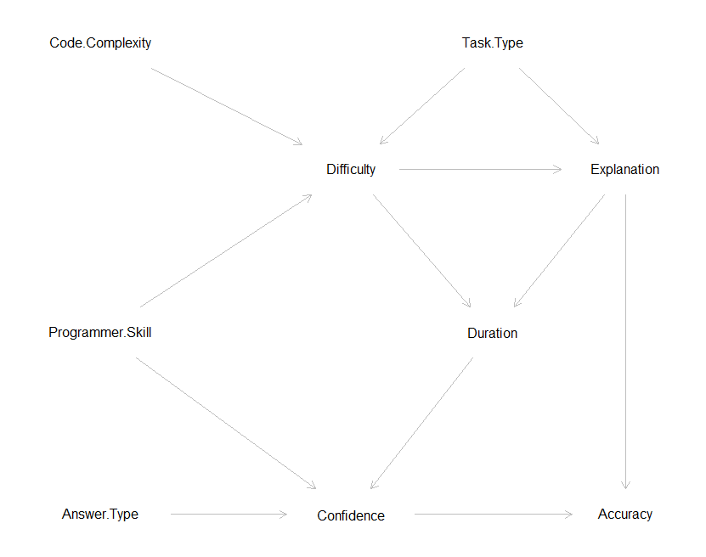
Summary
 | Inspired by | http://dagitty.net/primer/
 |  | http://johannes-textor.name/papers/2017-ije-si.pdf

 | Based on the following causal graph

