microtaskComplexity
Loops: Cyclomatic_Complexity x charCount
Loops: Length_Halstead x charCount
fileName | ID | line | type | charCount | Cyclomatic_Complexity | Length_Halstead | Volume_Halstead | Lenght x Volume
HIT01_8 | 9 | 294 | METHOD_INVOCATION | 31 | 3 | 11 | 22 | 2 | 2
HIT01_8 | 8 | 290 | METHOD_INVOCATION | 85 | 1 | 20 | 60 | 3 | 3
HIT01_8 | 7 | 285 | IF_CONDITIONAL | 128 | 3 | 74 | 245.82267902 | 3.3219280949 | 3.3219280949
HIT01_8 | 6 | 284 | VARIABLE_DECLARATION | 38 | 1 | 18 | 50.532388597 | 2.8073549221 | 2.8073549221
HIT01_8 | 5 | 282 | VARIABLE_DECLARATION | 15 | 1 | 12 | 27.863137139 | 2.3219280949 | 2.3219280949
HIT01_8 | 4 | 279 | IF_CONDITIONAL | 124 | 3 | 38 | 140.61670929 | 3.7004397181 | 3.7004397181
HIT01_8 | 3 | 276 | IF_CONDITIONAL | 118 | 3 | 38 | 140.61670929 | 3.7004397181 | 3.7004397181
HIT01_8 | 2 | 273 | IF_CONDITIONAL | 70 | 4 | 38 | 126.23326761 | 3.3219280949 | 3.3219280949
HIT01_8 | 1 | 272 | VARIABLE_DECLARATION | 118 | 3 | 16 | 53.150849518 | 3.3219280949 | 3.3219280949
HIT01_8 | 0 | 272 | VARIABLE_DECLARATION | 118 | 3 | 16 | 53.150849518 | 3.3219280949 | 3.3219280949
HIT02_24 | 10 | 114 | VARIABLE_DECLARATION | 37 | 1 | 9 | 23.264662506 | 2.5849625007
HIT02_24 | 15 | 119 | METHOD_INVOCATION | 26 | 2 | 16 | 37.150849518 | 2.3219280949
HIT02_24 | 14 | 117 | VARIABLE_DECLARATION | 59 | 1 | 26 | 82.418050038 | 3.1699250014
HIT02_24 | 13 | 116 | METHOD_INVOCATION | 33 | 1 | 16 | 44.917678753 | 2.8073549221
HIT02_24 | 12 | 115 | METHOD_INVOCATION | 44 | 1 | 17 | 53.888725025 | 3.1699250014
HIT02_24 | 11 | 115 | VARIABLE_DECLARATION | 44 | 1 | 17 | 53.888725025 | 3.1699250014
HIT03_6 | 22 | 83 | METHOD_INVOCATION | 25 | 1 | 13 | 33.604512509 | 2.5849625007
HIT03_6 | 21 | 83 | VARIABLE_DECLARATION | 25 | 1 | 13 | 33.604512509 | 2.5849625007
HIT03_6 | 20 | 82 | VARIABLE_DECLARATION | 12 | 1 | 12 | 27.863137139 | 2.3219280949
HIT03_6 | 19 | 79 | IF_CONDITIONAL | 28 | 3 | 28 | 72.37895002 | 2.5849625007
HIT03_6 | 18 | 76 | IF_CONDITIONAL | 85 | 3 | 32 | 101.43760005 | 3.1699250014
HIT03_6 | 17 | 75 | VARIABLE_DECLARATION | 80 | 2 | 16 | 55.350905898 | 3.4594316186
HIT03_6 | 16 | 75 | VARIABLE_DECLARATION | 80 | 2 | 16 | 55.350905898 | 3.4594316186
HIT03_6 | 32 | 95 | METHOD_INVOCATION | 62 | 1 | 27 | 75.798582896 | 2.8073549221
HIT03_6 | 31 | 94 | VARIABLE_DECLARATION | 39 | 2 | 25 | 79.248125036 | 3.1699250014
HIT03_6 | 30 | 94 | FOR_LOOP | 102 | 2 | 52 | 203.15831097 | 3.9068905956
HIT03_6 | 29 | 88 | METHOD_INVOCATION | 13 | 1 | 19 | 38 | 2
HIT03_6 | 28 | 87 | METHOD_INVOCATION | 64 | 1 | 28 | 88.75790004 | 3.1699250014
HIT03_6 | 27 | 87 | VARIABLE_DECLARATION | 64 | 1 | 28 | 88.75790004 | 3.1699250014
HIT03_6 | 26 | 86 | IF_CONDITIONAL | 122 | 3 | 104 | 433.67220015 | 4.1699250014
HIT03_6 | 25 | 85 | METHOD_INVOCATION | 42 | 1 | 21 | 63 | 3
HIT03_6 | 24 | 85 | VARIABLE_DECLARATION | 42 | 1 | 21 | 63 | 3
HIT03_6 | 23 | 84 | WHILE_LOOP | 427 | 5 | 239 | 1312.55289 | 5.4918530963
HIT04_7 | 69 | 326 | IF_CONDITIONAL | 45 | 2 | 37 | 117.28722505 | 3.1699250014
HIT04_7 | 68 | 324 | METHOD_INVOCATION | 75 | 1 | 41 | 136.19905189 | 3.3219280949
HIT04_7 | 67 | 324 | VARIABLE_DECLARATION | 64 | 1 | 23 | 72.908275033 | 3.1699250014
HIT04_7 | 66 | 323 | IF_CONDITIONAL | 181 | 4 | 117 | 478.23315243 | 4.0874628413
HIT04_7 | 65 | 315 | IF_CONDITIONAL | 45 | 2 | 37 | 117.28722505 | 3.1699250014
HIT04_7 | 64 | 313 | METHOD_INVOCATION | 75 | 1 | 41 | 136.19905189 | 3.3219280949
HIT04_7 | 63 | 313 | VARIABLE_DECLARATION | 64 | 1 | 23 | 72.908275033 | 3.1699250014
HIT04_7 | 62 | 312 | IF_CONDITIONAL | 181 | 4 | 117 | 478.23315243 | 4.0874628413
HIT04_7 | 61 | 304 | IF_CONDITIONAL | 54 | 2 | 37 | 117.28722505 | 3.1699250014
HIT04_7 | 60 | 303 | VARIABLE_DECLARATION | 33 | 1 | 25 | 79.248125036 | 3.1699250014
HIT04_7 | 59 | 301 | METHOD_INVOCATION | 73 | 1 | 41 | 136.19905189 | 3.3219280949
HIT04_7 | 58 | 301 | VARIABLE_DECLARATION | 62 | 1 | 23 | 72.908275033 | 3.1699250014
HIT04_7 | 57 | 299 | METHOD_INVOCATION | 75 | 1 | 41 | 136.19905189 | 3.3219280949
HIT04_7 | 56 | 299 | VARIABLE_DECLARATION | 64 | 1 | 23 | 72.908275033 | 3.1699250014
HIT04_7 | 55 | 298 | IF_CONDITIONAL | 302 | 4 | 183 | 839.04813763 | 4.5849625007
HIT04_7 | 54 | 290 | IF_CONDITIONAL | 54 | 2 | 37 | 117.28722505 | 3.1699250014
HIT04_7 | 53 | 289 | VARIABLE_DECLARATION | 33 | 1 | 25 | 79.248125036 | 3.1699250014
HIT04_7 | 52 | 287 | METHOD_INVOCATION | 73 | 1 | 41 | 136.19905189 | 3.3219280949
HIT04_7 | 51 | 287 | VARIABLE_DECLARATION | 62 | 1 | 23 | 72.908275033 | 3.1699250014
HIT04_7 | 50 | 285 | METHOD_INVOCATION | 75 | 1 | 41 | 136.19905189 | 3.3219280949
HIT04_7 | 49 | 285 | VARIABLE_DECLARATION | 64 | 1 | 23 | 72.908275033 | 3.1699250014
HIT04_7 | 48 | 284 | IF_CONDITIONAL | 302 | 4 | 183 | 827.81183796 | 4.5235619561
HIT04_7 | 47 | 276 | IF_CONDITIONAL | 51 | 2 | 37 | 117.28722505 | 3.1699250014
HIT04_7 | 46 | 274 | METHOD_INVOCATION | 81 | 1 | 41 | 136.19905189 | 3.3219280949
HIT04_7 | 45 | 274 | VARIABLE_DECLARATION | 59 | 1 | 20 | 60 | 3
HIT04_7 | 44 | 273 | IF_CONDITIONAL | 197 | 4 | 117 | 478.23315243 | 4.0874628413
HIT04_7 | 43 | 265 | IF_CONDITIONAL | 51 | 2 | 37 | 117.28722505 | 3.1699250014
HIT04_7 | 42 | 263 | METHOD_INVOCATION | 81 | 1 | 41 | 136.19905189 | 3.3219280949
HIT04_7 | 41 | 263 | VARIABLE_DECLARATION | 59 | 1 | 20 | 60 | 3
HIT04_7 | 40 | 262 | IF_CONDITIONAL | 197 | 4 | 117 | 478.23315243 | 4.0874628413
HIT04_7 | 39 | 260 | VARIABLE_DECLARATION | 42 | 1 | 22 | 69.738350032 | 3.1699250014
HIT04_7 | 38 | 259 | METHOD_INVOCATION | 37 | 1 | 16 | 44.917678753 | 2.8073549221
HIT04_7 | 37 | 259 | VARIABLE_DECLARATION | 37 | 1 | 16 | 44.917678753 | 2.8073549221
HIT04_7 | 36 | 258 | METHOD_INVOCATION | 41 | 1 | 16 | 44.917678753 | 2.8073549221
HIT04_7 | 35 | 258 | VARIABLE_DECLARATION | 41 | 1 | 16 | 44.917678753 | 2.8073549221
HIT04_7 | 34 | 256 | VARIABLE_DECLARATION | 57 | 1 | 11 | 33 | 3
HIT04_7 | 33 | 256 | VARIABLE_DECLARATION | 57 | 1 | 11 | 33 | 3
HIT05_35 | 78 | 3290 | METHOD_INVOCATION | 49 | 1 | 22 | 61.761808285 | 2.8073549221
HIT05_35 | 77 | 3290 | VARIABLE_DECLARATION | 49 | 1 | 22 | 61.761808285 | 2.8073549221
HIT05_35 | 76 | 3288 | METHOD_INVOCATION | 105 | 1 | 38 | 136.22857503 | 3.5849625007
HIT05_35 | 75 | 3288 | IF_CONDITIONAL | 105 | 1 | 38 | 136.22857503 | 3.5849625007
HIT05_35 | 74 | 3288 | METHOD_INVOCATION | 105 | 1 | 38 | 136.22857503 | 3.5849625007
HIT05_35 | 73 | 3288 | IF_CONDITIONAL | 105 | 1 | 38 | 136.22857503 | 3.5849625007
HIT05_35 | 72 | 3288 | VARIABLE_DECLARATION | 105 | 1 | 38 | 136.22857503 | 3.5849625007
HIT05_35 | 71 | 3287 | VARIABLE_DECLARATION | 49 | 1 | 18 | 54 | 3
HIT05_35 | 70 | 3287 | VARIABLE_DECLARATION | 49 | 1 | 18 | 54 | 3
HIT06_51 | 93 | 258 | METHOD_INVOCATION | 59 | 1 | 20 | 63.398500029 | 3.1699250014
HIT06_51 | 92 | 257 | IF_CONDITIONAL | 108 | 3 | 52 | 197.98245595 | 3.8073549221
HIT06_51 | 91 | 252 | METHOD_INVOCATION | 56 | 2 | 27 | 96.793987519 | 3.5849625007
HIT06_51 | 90 | 252 | WHILE_LOOP | 78 | 2 | 53 | 201.78981087 | 3.8073549221
HIT06_51 | 89 | 251 | METHOD_INVOCATION | 25 | 2 | 14 | 39.302968909 | 2.8073549221
HIT06_51 | 88 | 251 | IF_CONDITIONAL | 104 | 3 | 67 | 284.6111434 | 4.2479275134
HIT06_51 | 87 | 250 | VARIABLE_DECLARATION | 12 | 1 | 10 | 23.219280949 | 2.3219280949
HIT06_51 | 86 | 249 | VARIABLE_DECLARATION | 22 | 1 | 10 | 23.219280949 | 2.3219280949
HIT06_51 | 85 | 248 | VARIABLE_DECLARATION | 22 | 1 | 13 | 30.185065234 | 2.3219280949
HIT06_51 | 84 | 247 | IF_CONDITIONAL | 320 | 7 | 183 | 915 | 5
HIT06_51 | 83 | 243 | METHOD_INVOCATION | 9 | 1 | 7 | 7 | 1
HIT06_51 | 82 | 241 | IF_CONDITIONAL | 37 | 3 | 26 | 86.370130467 | 3.3219280949
HIT06_51 | 81 | 240 | METHOD_INVOCATION | 26 | 1 | 8 | 18.575424759 | 2.3219280949
HIT06_51 | 80 | 240 | VARIABLE_DECLARATION | 26 | 1 | 8 | 18.575424759 | 2.3219280949
HIT06_51 | 79 | 237 | VARIABLE_DECLARATION | 26 | 1 | 6 | 13.931568569 | 2.3219280949
HIT06_51 | 96 | 263 | METHOD_INVOCATION | 23 | 1 | 10 | 23.219280949 | 2.3219280949
HIT06_51 | 95 | 260 | METHOD_INVOCATION | 26 | 1 | 12 | 27.863137139 | 2.3219280949
HIT06_51 | 94 | 258 | METHOD_INVOCATION | 59 | 1 | 20 | 63.398500029 | 3.1699250014
HIT07_33 | 98 | 903 | IF_CONDITIONAL | 100 | 6 | 63 | 217.94419197 | 3.4594316186
HIT07_33 | 97 | 902 | VARIABLE_DECLARATION | 50 | 1 | 14 | 39.302968909 | 2.8073549221
HIT07_33 | 104 | 910 | METHOD_INVOCATION | 33 | 1 | 20 | 51.699250014 | 2.5849625007
HIT07_33 | 103 | 909 | VARIABLE_DECLARATION | 40 | 2 | 22 | 73.082418088 | 3.3219280949
HIT07_33 | 102 | 909 | FOR_LOOP | 74 | 2 | 42 | 150.56842503 | 3.5849625007
HIT07_33 | 101 | 908 | METHOD_INVOCATION | 45 | 1 | 17 | 51 | 3
HIT07_33 | 100 | 908 | VARIABLE_DECLARATION | 45 | 1 | 17 | 51 | 3
HIT07_33 | 99 | 905 | IF_CONDITIONAL | 68 | 4 | 34 | 112.94555523 | 3.3219280949
HIT08_54 | 128 | 124 | METHOD_INVOCATION | 78 | 2 | 36 | 124.53953827 | 3.4594316186
HIT08_54 | 127 | 121 | METHOD_INVOCATION | 27 | 2 | 26 | 72.991227973 | 2.8073549221
HIT08_54 | 126 | 121 | IF_CONDITIONAL | 96 | 4 | 53 | 190.00301254 | 3.5849625007
HIT08_54 | 125 | 119 | METHOD_INVOCATION | 60 | 2 | 31 | 102.97977094 | 3.3219280949
HIT08_54 | 124 | 118 | IF_CONDITIONAL | 258 | 8 | 154 | 686.75246927 | 4.4594316186
HIT08_54 | 123 | 115 | IF_CONDITIONAL | 124 | 4 | 58 | 226.59965455 | 3.9068905956
HIT08_54 | 122 | 114 | METHOD_INVOCATION | 25 | 1 | 18 | 50.532388597 | 2.8073549221
HIT08_54 | 121 | 114 | VARIABLE_DECLARATION | 25 | 1 | 18 | 50.532388597 | 2.8073549221
HIT08_54 | 120 | 113 | METHOD_INVOCATION | 25 | 1 | 18 | 50.532388597 | 2.8073549221
HIT08_54 | 119 | 113 | VARIABLE_DECLARATION | 25 | 1 | 18 | 50.532388597 | 2.8073549221
HIT08_54 | 118 | 110 | METHOD_INVOCATION | 27 | 2 | 22 | 61.761808285 | 2.8073549221
HIT08_54 | 117 | 110 | IF_CONDITIONAL | 96 | 4 | 45 | 161.32331253 | 3.5849625007
HIT08_54 | 116 | 108 | METHOD_INVOCATION | 27 | 2 | 16 | 37.150849518 | 2.3219280949
HIT08_54 | 115 | 107 | IF_CONDITIONAL | 579 | 17 | 335 | 1675 | 5
HIT08_54 | 114 | 104 | IF_CONDITIONAL | 124 | 4 | 50 | 195.34452978 | 3.9068905956
HIT08_54 | 113 | 103 | METHOD_INVOCATION | 25 | 1 | 14 | 39.302968909 | 2.8073549221
HIT08_54 | 112 | 103 | VARIABLE_DECLARATION | 25 | 1 | 14 | 39.302968909 | 2.8073549221
HIT08_54 | 111 | 102 | METHOD_INVOCATION | 25 | 1 | 14 | 39.302968909 | 2.8073549221
HIT08_54 | 110 | 102 | VARIABLE_DECLARATION | 25 | 1 | 14 | 39.302968909 | 2.8073549221
HIT08_54 | 109 | 99 | IF_CONDITIONAL | 107 | 6 | 48 | 187.53074859 | 3.9068905956
HIT08_54 | 108 | 98 | METHOD_INVOCATION | 23 | 1 | 13 | 33.604512509 | 2.5849625007
HIT08_54 | 107 | 98 | VARIABLE_DECLARATION | 23 | 1 | 13 | 33.604512509 | 2.5849625007
HIT08_54 | 106 | 95 | IF_CONDITIONAL | 31 | 3 | 29 | 74.963912521 | 2.5849625007
HIT08_54 | 105 | 94 | VARIABLE_DECLARATION | 43 | 1 | 10 | 28.073549221 | 2.8073549221

Plots_ProgramStatementType
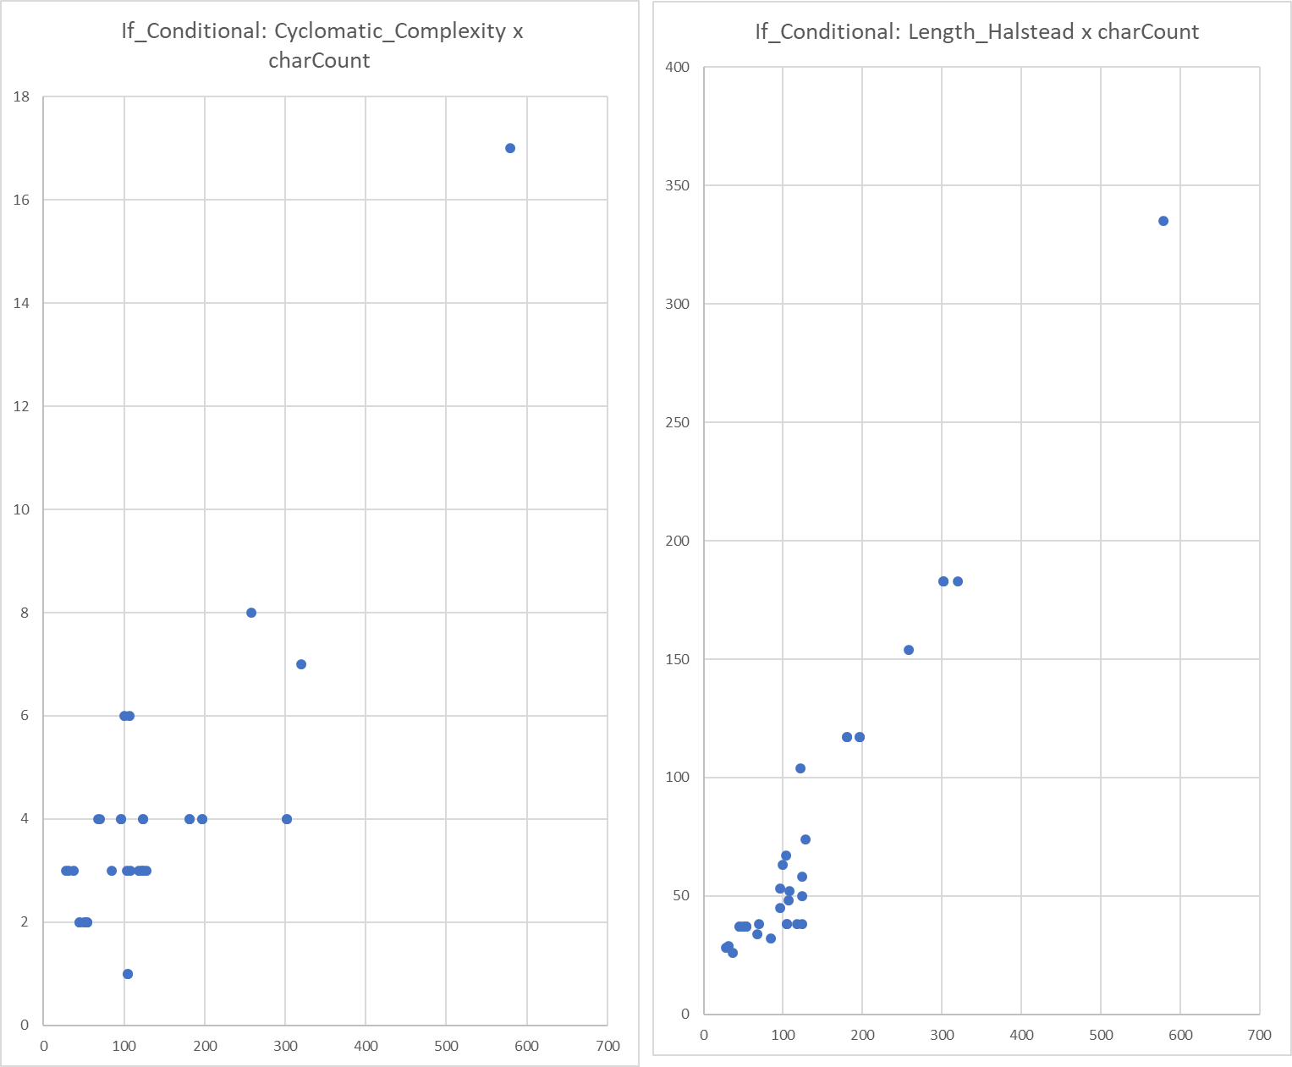
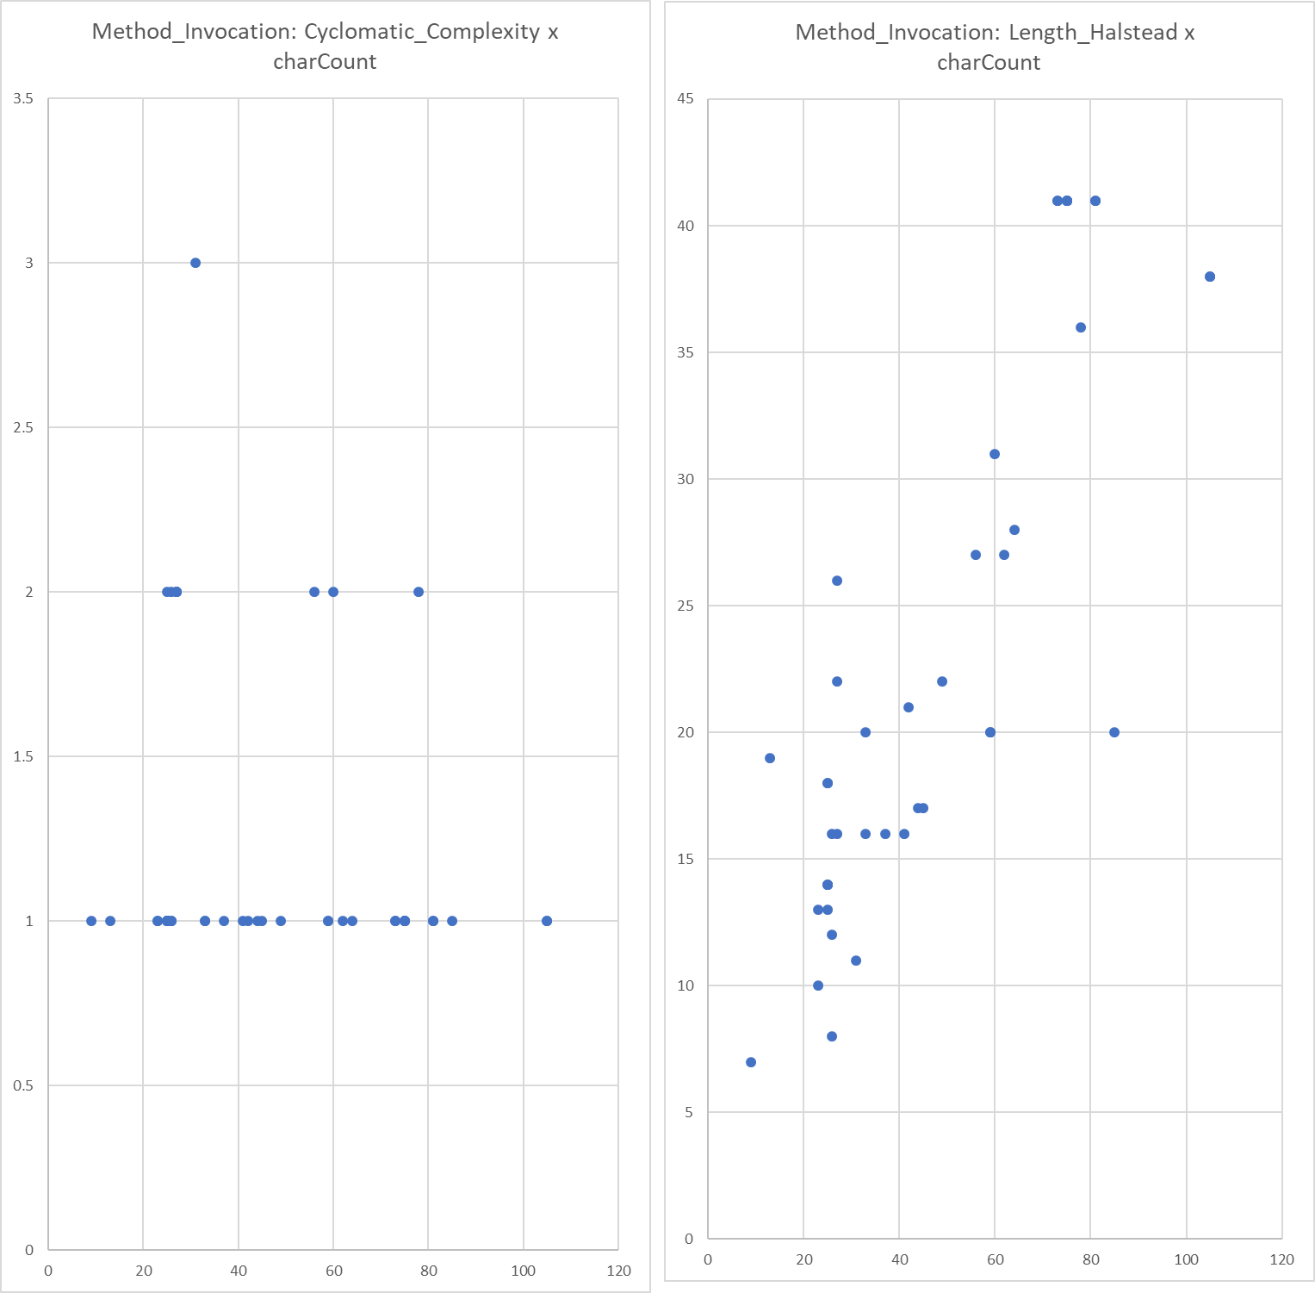

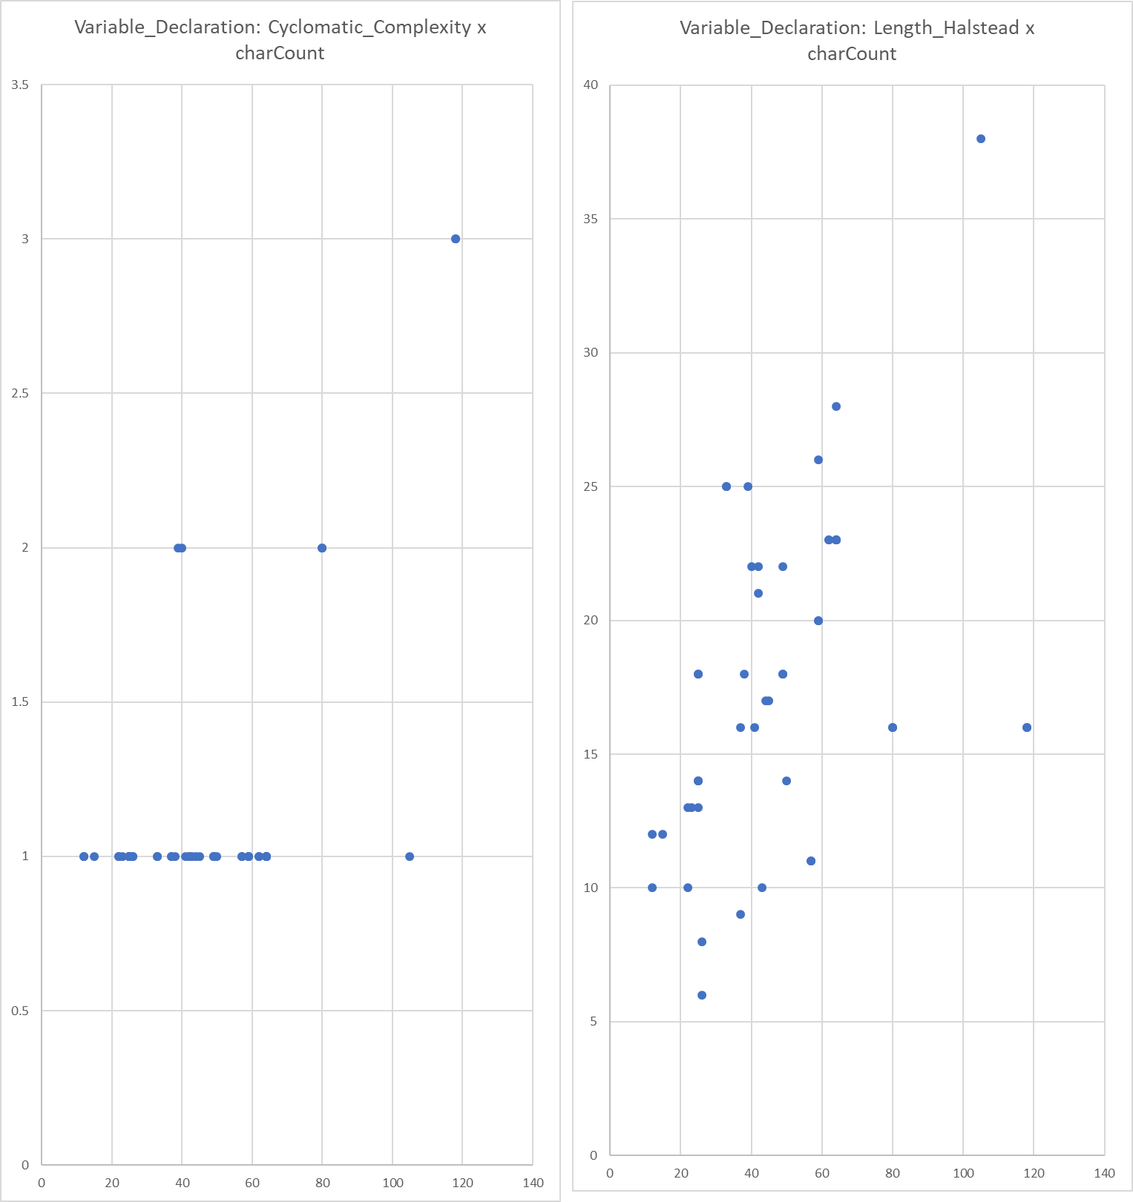

Plots_All
