microtaskComplexity
Loops: Cyclomatic_Complexity x charCount
 | Cyclomatic_Complexity
128 | 3
124 | 3
118 | 3
70 | 4
28 | 3
85 | 3
102 | 2
122 | 3
427 | 5
45 | 2
181 | 4
45 | 2
181 | 4
54 | 2
302 | 4
54 | 2
302 | 4
51 | 2
197 | 4
51 | 2
197 | 4
105 | 1
105 | 1
108 | 3
78 | 2
104 | 3
320 | 7
37 | 3
100 | 6
74 | 2
68 | 4
96 | 4
258 | 8
124 | 4
96 | 4
579 | 17
124 | 4
107 | 6
31 | 3
Loops: Length_Halstead x charCount
 | Length_Halstead
128 | 74
124 | 38
118 | 38
70 | 38
28 | 28
85 | 32
102 | 52
122 | 104
427 | 239
45 | 37
181 | 117
45 | 37
181 | 117
54 | 37
302 | 183
54 | 37
302 | 183
51 | 37
197 | 117
51 | 37
197 | 117
105 | 38
105 | 38
108 | 52
78 | 53
104 | 67
320 | 183
37 | 26
100 | 63
74 | 42
68 | 34
96 | 53
258 | 154
124 | 58
96 | 45
579 | 335
124 | 50
107 | 48
31 | 29
 | Trimmed_LOC
5 | 4
3 | 2
3 | 2
3 | 2
3 | 2
3 | 2
3 | 2
6 | 5
14 | 9
3 | 2
10 | 7
3 | 2
10 | 7
3 | 2
13 | 10
3 | 2
13 | 10
3 | 2
10 | 7
3 | 2
10 | 7
1 | 1
1 | 1
5 | 4
4 | 3
6 | 4
18 | 14
5 | 2
5 | 4
3 | 2
3 | 2
3 | 2
8 | 6
3 | 2
3 | 2
20 | 15
3 | 2
3 | 2
3 | 2
fileName | ID | line | type | charCount | Cyclomatic_Complexity | Length_Halstead | Volume_Halstead | LOC | Trimmed_LOC
HIT01_8 | 7 | 285 | IF_CONDITIONAL | 128 | 3 | 74 | 245.82267902 | 5 | 4
HIT01_8 | 4 | 279 | IF_CONDITIONAL | 124 | 3 | 38 | 140.61670929 | 3 | 2
HIT01_8 | 3 | 276 | IF_CONDITIONAL | 118 | 3 | 38 | 140.61670929 | 3 | 2
HIT01_8 | 2 | 273 | IF_CONDITIONAL | 70 | 4 | 38 | 126.23326761 | 3 | 2
HIT03_6 | 19 | 79 | IF_CONDITIONAL | 28 | 3 | 28 | 72.37895002 | 3 | 2
HIT03_6 | 18 | 76 | IF_CONDITIONAL | 85 | 3 | 32 | 101.43760005 | 3 | 2
HIT03_6 | 30 | 94 | FOR_LOOP | 102 | 2 | 52 | 203.15831097 | 3 | 2
HIT03_6 | 26 | 86 | IF_CONDITIONAL | 122 | 3 | 104 | 433.67220015 | 6 | 5
HIT03_6 | 23 | 84 | WHILE_LOOP | 427 | 5 | 239 | 1312.55289 | 14 | 9
HIT04_7 | 69 | 326 | IF_CONDITIONAL | 45 | 2 | 37 | 117.28722505 | 3 | 2
HIT04_7 | 66 | 323 | IF_CONDITIONAL | 181 | 4 | 117 | 478.23315243 | 10 | 7
HIT04_7 | 65 | 315 | IF_CONDITIONAL | 45 | 2 | 37 | 117.28722505 | 3 | 2
HIT04_7 | 62 | 312 | IF_CONDITIONAL | 181 | 4 | 117 | 478.23315243 | 10 | 7
HIT04_7 | 61 | 304 | IF_CONDITIONAL | 54 | 2 | 37 | 117.28722505 | 3 | 2
HIT04_7 | 55 | 298 | IF_CONDITIONAL | 302 | 4 | 183 | 839.04813763 | 13 | 10
HIT04_7 | 54 | 290 | IF_CONDITIONAL | 54 | 2 | 37 | 117.28722505 | 3 | 2
HIT04_7 | 48 | 284 | IF_CONDITIONAL | 302 | 4 | 183 | 827.81183796 | 13 | 10
HIT04_7 | 47 | 276 | IF_CONDITIONAL | 51 | 2 | 37 | 117.28722505 | 3 | 2
HIT04_7 | 44 | 273 | IF_CONDITIONAL | 197 | 4 | 117 | 478.23315243 | 10 | 7
HIT04_7 | 43 | 265 | IF_CONDITIONAL | 51 | 2 | 37 | 117.28722505 | 3 | 2
HIT04_7 | 40 | 262 | IF_CONDITIONAL | 197 | 4 | 117 | 478.23315243 | 10 | 7
HIT05_35 | 75 | 3288 | IF_CONDITIONAL | 105 | 1 | 38 | 136.22857503 | 1 | 1
HIT05_35 | 73 | 3288 | IF_CONDITIONAL | 105 | 1 | 38 | 136.22857503 | 1 | 1
HIT06_51 | 92 | 257 | IF_CONDITIONAL | 108 | 3 | 52 | 197.98245595 | 5 | 4
HIT06_51 | 90 | 252 | WHILE_LOOP | 78 | 2 | 53 | 201.78981087 | 4 | 3
HIT06_51 | 88 | 251 | IF_CONDITIONAL | 104 | 3 | 67 | 284.6111434 | 6 | 4
HIT06_51 | 84 | 247 | IF_CONDITIONAL | 320 | 7 | 183 | 915 | 18 | 14
HIT06_51 | 82 | 241 | IF_CONDITIONAL | 37 | 3 | 26 | 86.370130467 | 5 | 2
HIT07_33 | 98 | 903 | IF_CONDITIONAL | 100 | 6 | 63 | 217.94419197 | 5 | 4
HIT07_33 | 102 | 909 | FOR_LOOP | 74 | 2 | 42 | 150.56842503 | 3 | 2
HIT07_33 | 99 | 905 | IF_CONDITIONAL | 68 | 4 | 34 | 112.94555523 | 3 | 2
HIT08_54 | 126 | 121 | IF_CONDITIONAL | 96 | 4 | 53 | 190.00301254 | 3 | 2
HIT08_54 | 124 | 118 | IF_CONDITIONAL | 258 | 8 | 154 | 686.75246927 | 8 | 6
HIT08_54 | 123 | 115 | IF_CONDITIONAL | 124 | 4 | 58 | 226.59965455 | 3 | 2
HIT08_54 | 117 | 110 | IF_CONDITIONAL | 96 | 4 | 45 | 161.32331253 | 3 | 2
HIT08_54 | 115 | 107 | IF_CONDITIONAL | 579 | 17 | 335 | 1675 | 20 | 15
HIT08_54 | 114 | 104 | IF_CONDITIONAL | 124 | 4 | 50 | 195.34452978 | 3 | 2
HIT08_54 | 109 | 99 | IF_CONDITIONAL | 107 | 6 | 48 | 187.53074859 | 3 | 2
HIT08_54 | 106 | 95 | IF_CONDITIONAL | 31 | 3 | 29 | 74.963912521 | 3 | 2

Plots_ProgramStatementType
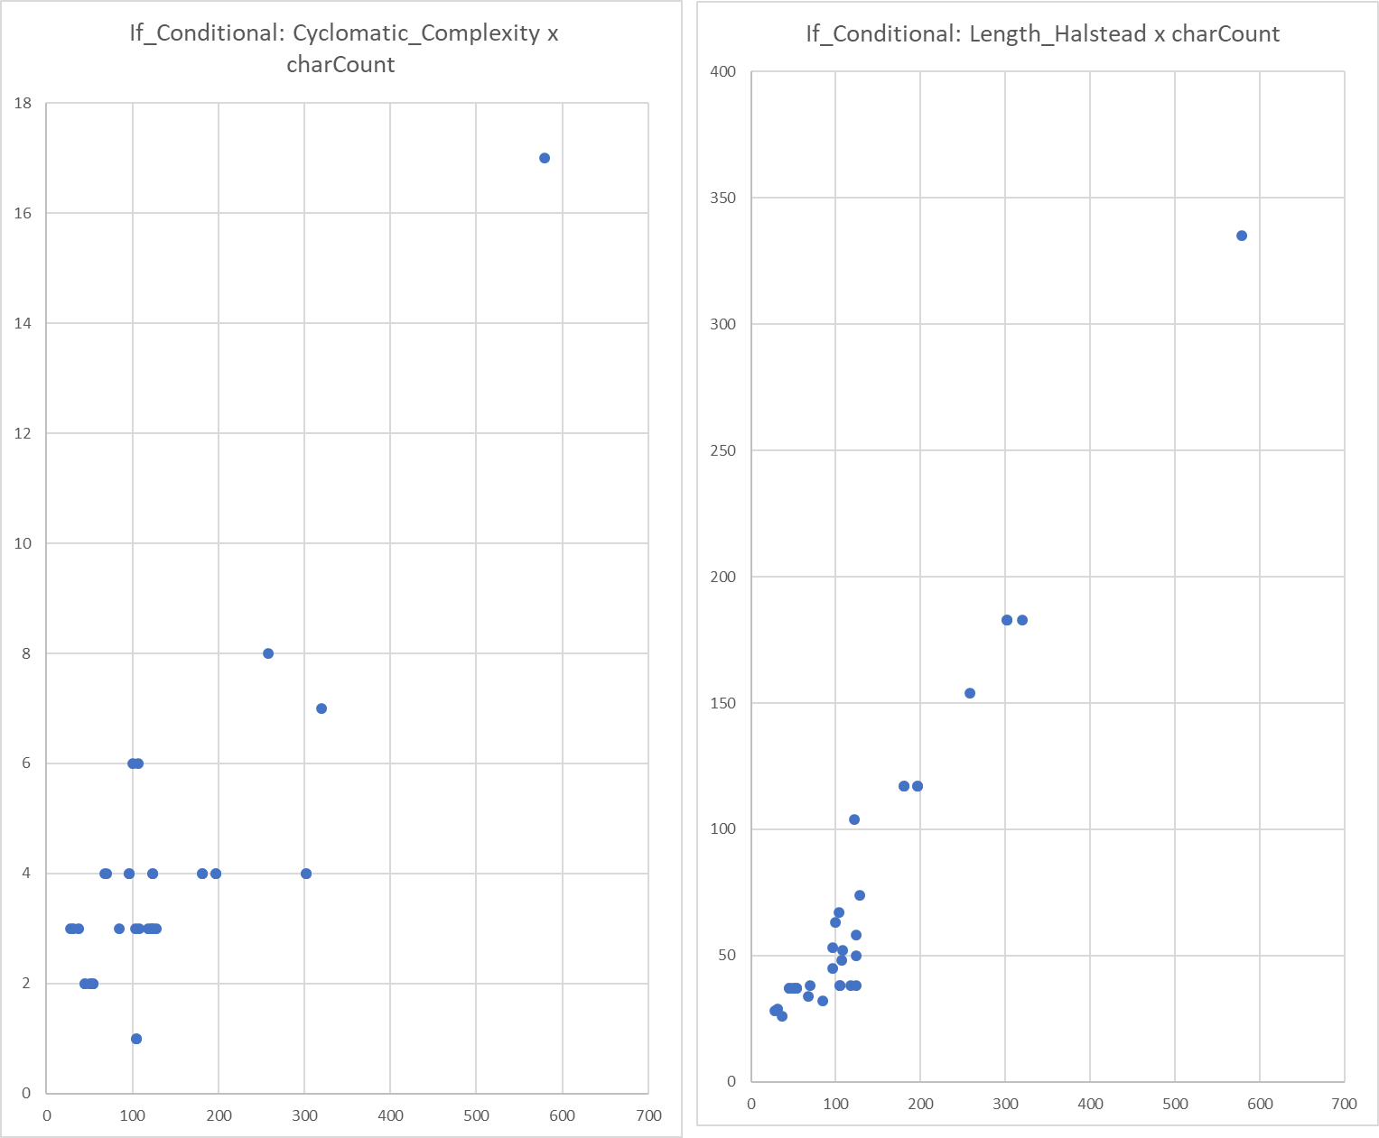
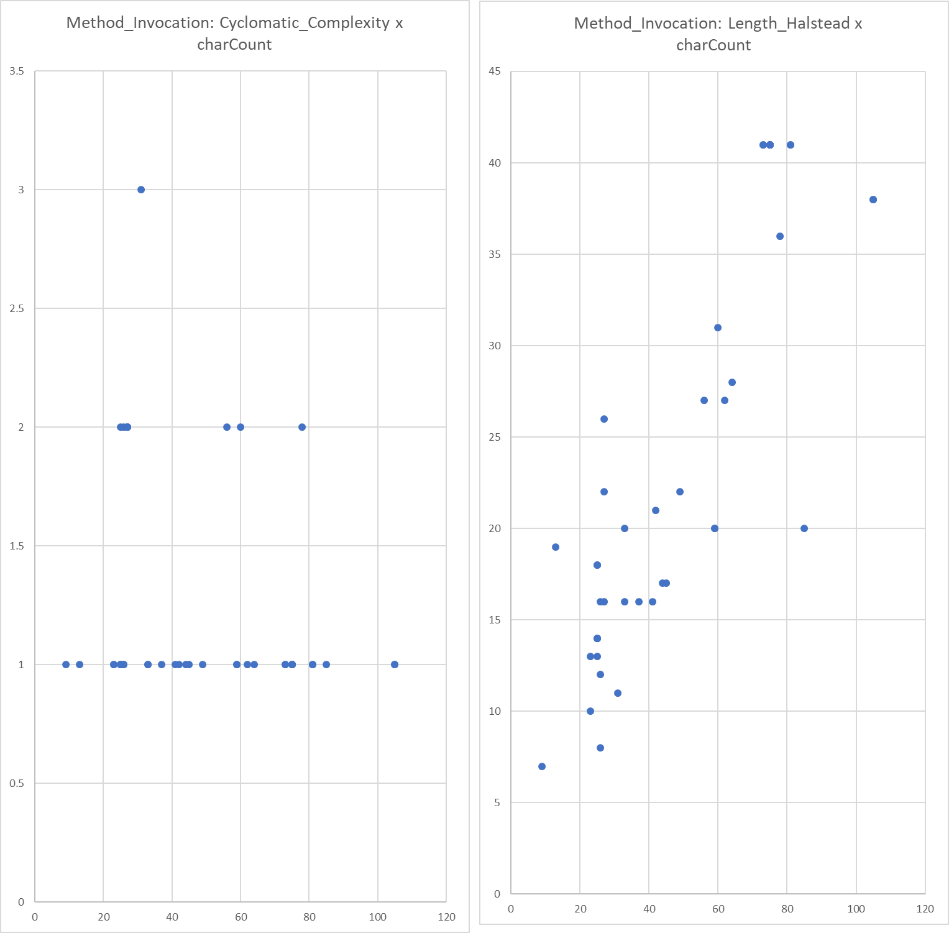

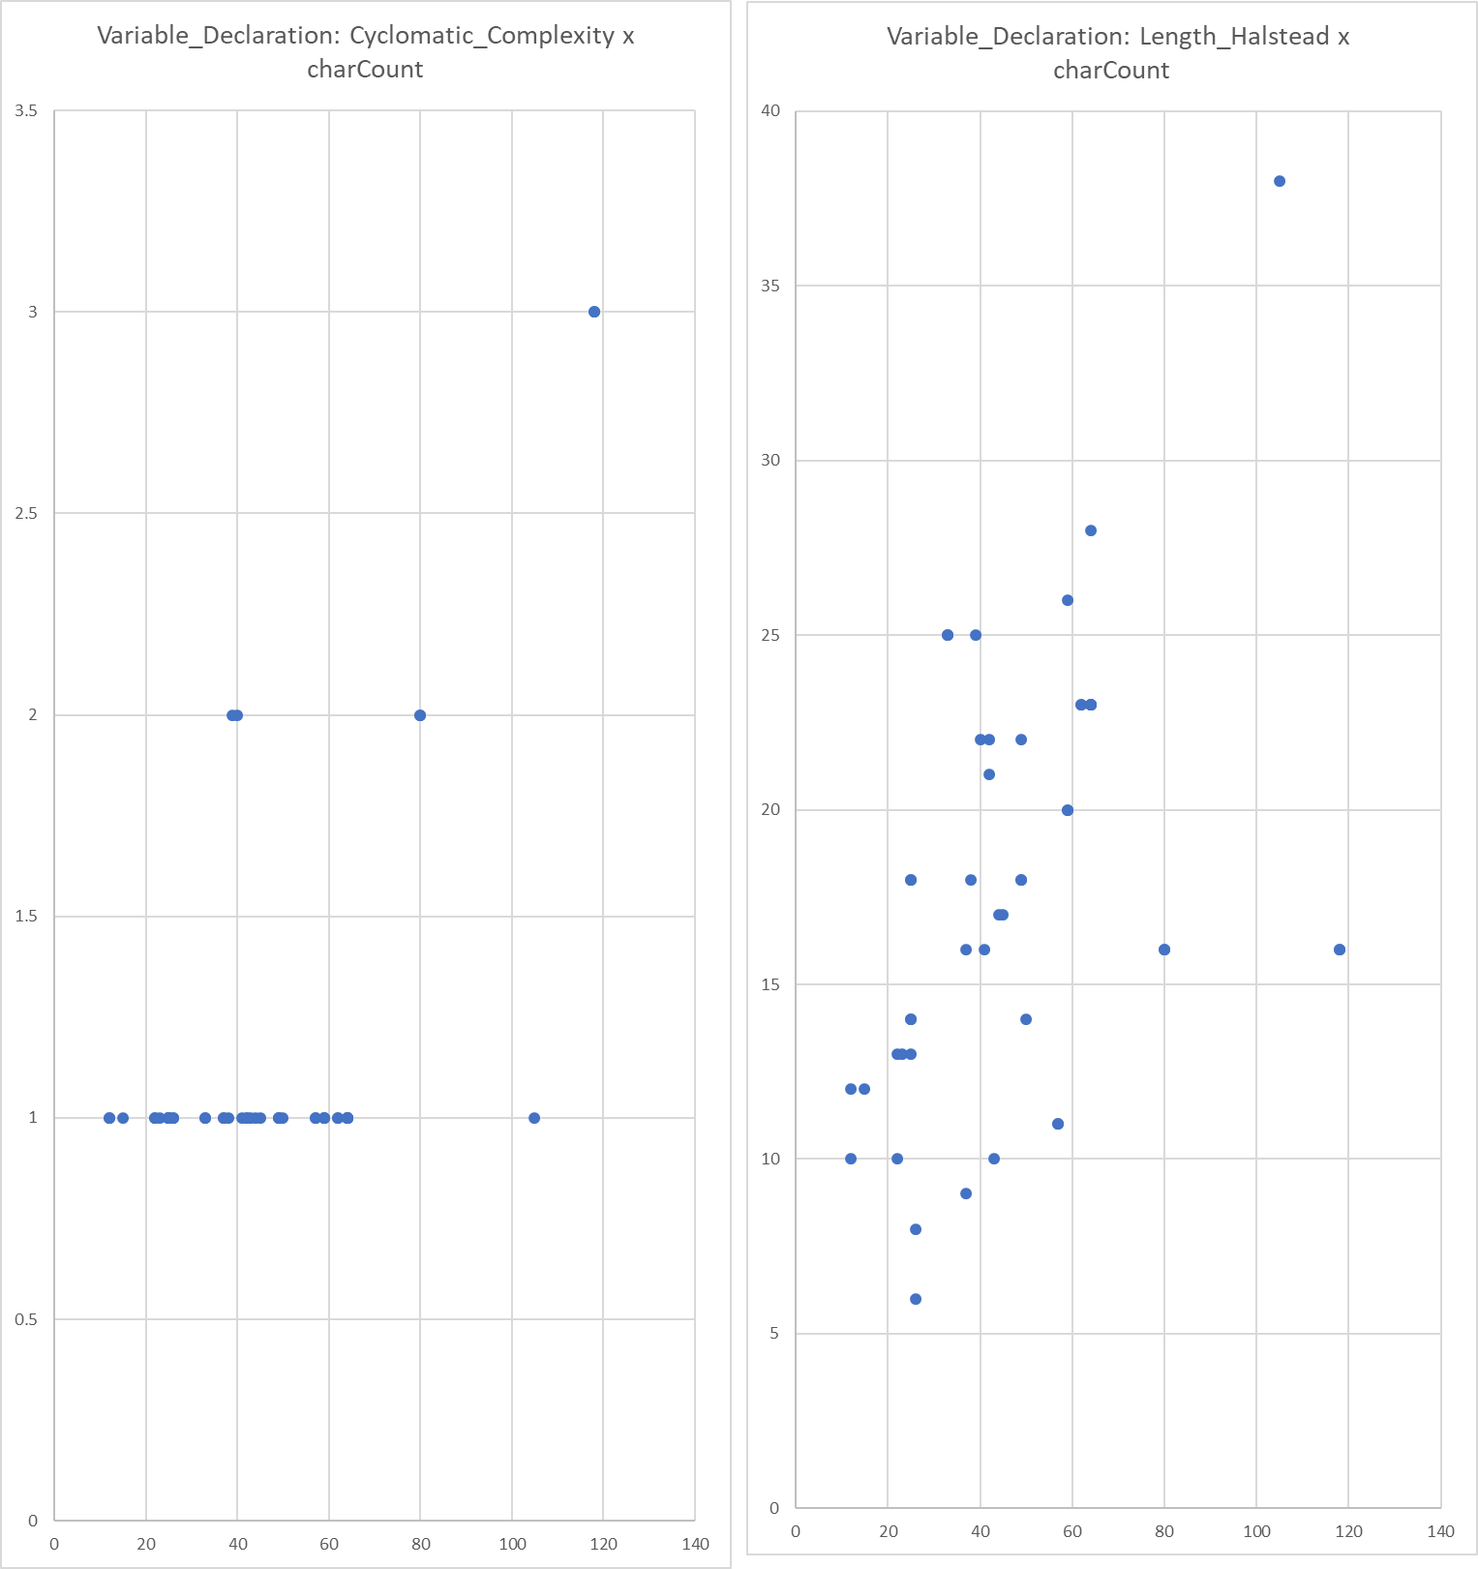

Plots_All
