Compare
Kendall coefficient for different methods
Model | RF | GBM | XGB
Linear | 1.00 | 0.83 | 0.98
Saturating | 0.97 | 0.97 | 0.98
Discontinuous | 0.99 | 0.99 | 0.98
Combined | 0.97 | 0.98 | 0.97

Kendall is not discriminative enough for more complex model
RF is the best for Linear

DCG coefficient for different methods
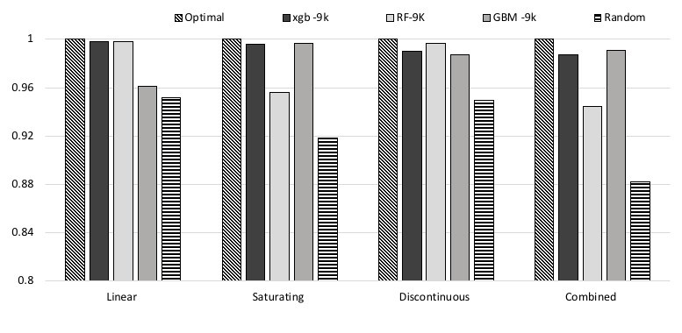
Model | XGB | RF | GBM
Linear | 0.88 | 0.96 | 0.54
Saturating | 0.82 | 0.73 | 0.78
Discontinuous | 0.82 | 0.89 | 0.86
Combined | 0.71 | 0.77 | 0.78

RF is the best model for Linear, Discontinuous and Combined
XGB is the best for Saturating

Jaccard coefficient for different methods
Model | XGB | RF | GBM
Linear | 0.76 | 0.92 | 0.19
Saturating | 0.64 | 0.53 | 0.56
Discontinuous | 0.73 | 0.80 | 0.75
Combined | 0.52 | 0.57 | 0.67

RF is the best model for Linear, Discontinuous, and Combined
XGB is the best for Saturating

Compare-2
Kendall coefficient for different methods
Model | RF | GBM | XGB
Linear | 0.96 | 0.83 | 0.98
Saturating | 0.97 | 0.97 | 0.98
Discontinuous | 0.99 | 0.99 | 0.98
Combined | 0.97 | 0.98 | 0.97

Kendall is not discriminative enough for more complex model
RF is the best for Linear

DCG coefficient for different methods
Model | XGB | RF | GBM
Linear | 0.88 | 0.89 | 0.54
Saturating | 0.82 | 0.73 | 0.78
Discontinuous | 0.82 | 0.89 | 0.86
Combined | 0.71 | 0.77 | 0.78

RF is the best model for Linear, Discontinuous and Combined
XGB is the best for Saturating

Jaccard coefficient for different methods
Model | XGB | RF | GBM
Linear | 0.76 | 0.82 | 0.19
Saturating | 0.64 | 0.53 | 0.56
Discontinuous | 0.73 | 0.80 | 0.75
Combined | 0.52 | 0.57 | 0.67

RF is the best model for Linear, Discontinuous, and Combined
XGB is the best for Saturating

Jaccard
Jaccard coefficient for different ranking sizes
Model | 5 | 25 | 50
Linear | 0.84 | 0.34 | 0.19
Saturating | 0.92 | 0.80 | 0.56
Discontinuous | 0.94 | 0.87 | 0.75
Combined | 0.92 | 0.69 | 0.57

 |  |  |  | Model complexity and cycle size are inversely correlated with the Jaccard coefficient.
 |  |  |  | This follows the same pattern of the prediction errors observed before.
 |  |  |  | Therefore, when dealing with complex models and having a high density of failures,
 |  |  |  | we should expect a larger proportion of mismatches in the ranking.

KendallTau
Kendall tau correlation for different ranking sizes
Model | 5 | 25 | 50
Linear | 0.92 | 0.84 | 0.83
Saturating | 0.92 | 0.98 | 0.97
Discontinuous | 0.92 | 0.99 | 0.99
Combined | 0.96 | 0.97 | 0.97

 |  |  |  | Rank correlation metrics are not sensitive enough to the distance of the mismatches.
 |  |  |  | We computed the Kendall and Spearman correlations. Since these correlations also take into consideration the
 |  |  |  | concordant pairs, the mismatch distance will only significantly affect the metric if the
 |  |  |  | proportion of concordant to discordant pairs remains the same.
 |  |  |  | In the face of that, we decided to build on top of the Jaccard metric by
 |  |  |  | adding weights to the mismatches.

DiscountedCumGain
DCG coefficient for different ranking sizes
Model | 5 | 25 | 50
Linear | 0.97 | 0.67 | 0.54
Saturating | 0.97 | 0.91 | 0.78
Discontinuous | 0.98 | 0.95 | 0.86
Combined | 0.98 | 0.84 | 0.77

 |  |  |  | Mismatches happening at the top of the ranking have higher impact on the metric
 |  |  |  | compared with mismatches at the bottom of the ranking

MismatchPosition
Mismatch position coefficient for different ranking sizes
Model | 5 | 25 | 50
Linear | 0.933 | 0.428 | 0.231
Saturating | 0.927 | 0.807 | 0.527
Discontinuous | 0.987 | 0.871 | 0.761
Combined | 0.920 | 0.737 | 0.568

 |  |  |  | Mismatches happening at the top of the ranking have higher impact on the metric
 |  |  |  | compared with mismatches at the bottom of the ranking

MismatchDistance
Model | 5 | 25 | 50 | DK | Distance | Kendall | DK | Distance | Kendall | DK | Distance | Kendall
Linear | 0.933 | 0.875 | 0.878 | Linear | 0.93333333333 | 0.98 | Linear | 0.875 | 0.97933333333 | Linear | 0.8776 | 0.97551020408
Saturating | 0.950 | 0.980 | 0.976 | Saturating | 0.95 | 0.96 | Saturating | 0.98012820513 | 0.98066666667 | Saturating | 0.97616 | 0.97567346939
Discontinuous | 0.950 | 0.988 | 0.988 | Discontinuous | 0.95 | 0.98 | Discontinuous | 0.98846153846 | 0.97533333333 | Discontinuous | 0.98768 | 0.98302040816
Combined | 0.967 | 0.971 | 0.975 | Combined | 0.96666666667 | 0.93333333333 | Combined | 0.97051282051 | 0.96466666667 | Combined | 0.97472 | 0.96767346939
Mismatch distance coefficient for different ranking sizes
Model | 5 | 25 | 50
Linear | 0.98 | 0.98 | 0.98
Saturating | 0.96 | 0.98 | 0.98
Discontinuous | 0.98 | 0.98 | 0.98
Combined | 0.93 | 0.96 | 0.97
5 size Cycles

 |  |  |  | Rank correlation metrics are not sensitive enough to the distance of the mismatches.
 |  |  |  | We computed the Kendall and Spearman correlations. Since these correlations also take into consideration the
 |  |  |  | concordant pairs, the mismatch distance will only significantly affect the metric if the
50 size cycle
 |  |  |  | proportion of concordant to discordant pairs remains the same.
25 size Cycle
 |  |  |  | In the face of that, we decided to build on top of the Jaccard metric by
 |  |  |  | adding weights to the mismatches.

