Summary_Selection
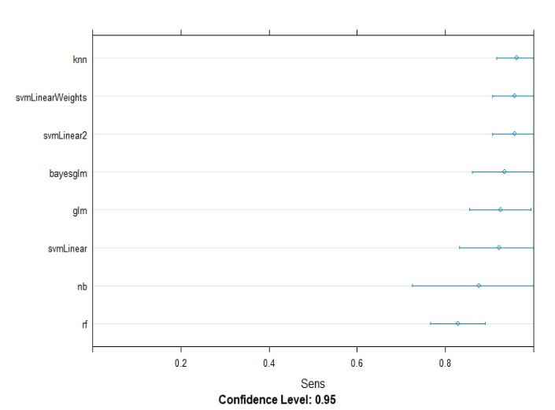
AM.3 Ranking Vote |  | Training |  |  | Validation
Model | Hyper-parameters | ROC | Sensitiviy (recall) | Specificity | Error (1-Accuracy) | Max threshold | Min threshold
KNN | k=5 | 0.7503844 | 0.9606061 | 0.2071429 | 15% | 2 | 1 | Ranking is also learned
SVM Linear 2 | cost=0.5 | 0.6774665 | 0.956229 | 0.2301587 | 15% | 2 | 1 | n=2
SVM Linear Weights | cost=0.5, weight=1 | 0.8392986 | 0.956229 | 0.2301587 | 15% | 2 | 1
Bayes GLM |  | 0.8488574 | 0.9331206 | 0.3860119 | 15% | 2 | 1
GLM |  | 0.8354832 | 0.9238884 | 0.4501786 | 15% | 2 | 1
SVM Linear |  | 0.6093839 | 0.9212121 | 0.4142857 | 15% | 2 | 1
Naïve Bayes |  | 0.624335 | 0.8938447 | 0.4809524 | 15% | 2 | 1
Random Forest |  | 0.7502453 | 0.827679 | 0.6233466 | 15% | 2 | 1
 |  |  | Threshold(AM.3) = max(rankingVote(predictedBugCoveringQuestions))
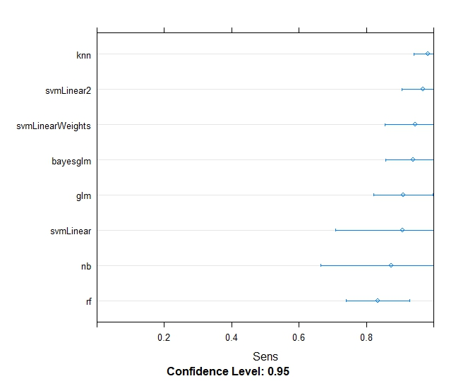
AM.1 Majority Vote |  | Training |  |  | Validation
Model | Hyper-parameters | ROC | Sensitiviy (recall) | Specificity | Error (1-Accuracy) | Max threshold | Min threshold | Majority Vote should be Y-N>n, because it is intuitive
KNN | k = 7 | 0.7462873 | 0.9820896 | 0.07692308 | 10% | 11 | -1 | n=-1
SVM Linear 2 | cost = 0.25 | 0.7043692 | 0.9685649 | 0.09692308 | 15% | 11 | 5
SVM Linear Weights | cost = 1, weight = 1 | 0.7043692 | 0.9441967 | 0.17794872 | 15% | 11 | 5
Bayes GLM |  | 0.852571 | 0.9394895 | 0.2660897 | 15% | 11 | 5
GLM |  | 0.7856068 | 0.9087137 | 0.3646154 | 15% | 11 | 0
SVM Linear |  | 0.4810654 | 0.9068635 | 0.3005128 | 15% | 11 | 5
Naïve Bayes |  | 0.550553 | 0.8730568 | 0.4584615 | 10% | 11 | 1
Random Forest |  | 0.7075615 | 0.8333639 | 0.3952564 | 15% | 11 | -2

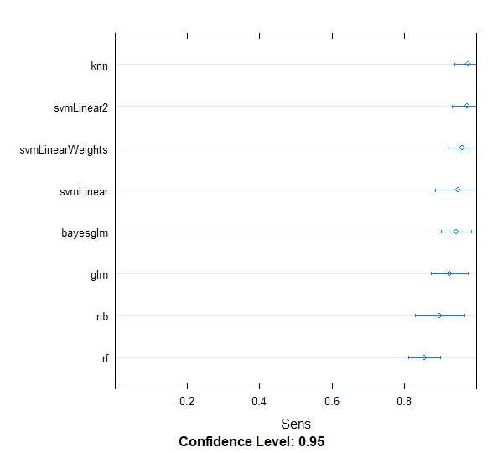
AM.2 Minimal Yes |  | Training |  |  | Validation
Model | Hyper-parameters | ROC | Sensitiviy (recall) | Specificity | Error (1-Accuracy) | Max threshold | Min threshold | Threshold is learned
KNN | k=5 | 0.7617262 | 0.9753846 | 0.1142857 | 10% | 15 | 9 | n=9
SVM Linear 2 | cost = 0.25 | 0.5964841 | 0.9726496 | 0.1343915 | 18% | 15 | 12
SVM Linear Weights | cost = 1, weight = 1 | 0.6712625 | 0.9606764 | 0.2214286 | 13% | 15 | 10
SVM Linear |  | 0.5098773 | 0.9488733 | 0.268254 | 13% | 15 | 10 | Do these three schemes of voting also present similar characteristics in Experiment-1?
Bayes GLM |  | 0.8288319 | 0.9431147 | 0.3256548 | 13% | 15 | 10
GLM |  | 0.8084253 | 0.9246254 | 0.3782143 | 13% | 15 | 10
Naïve Bayes |  | 0.6329126 | 0.9081197 | 0.4246032 | 7.5% | 15 | 9
Random Forest |  | 0.718099 | 0.8549722 | 0.4464947 | 7.5% | 15 | 9
 |  |  |  |  |  |  |  | Models depend on the bug set used for learning.

Training - Sensitiviy (recall)
Model | AM.1 | AM.2 | AM.3
KNN | 98.2% | 97.5% | 96.1%
SVM Linear 2 | 96.9% | 97.3% | 95.6%
SVM Linear Weights | 94.4% | 96.1% | 95.6%
SVM Linear | 93.9% | 94.9% | 93.3%
Bayes GLM | 90.9% | 94.3% | 92.4%
GLM | 90.7% | 92.5% | 92.1%
Naïve Bayes | 87.3% | 90.8% | 89.4%
Random Forest | 83.3% | 85.5% | 82.8%

