DCG industry
 |  |  |  | 4
Ascending index (highest importance has lowest index)
 | Table-1.1 |  |  |  | Table-1.2 |  |  | Table-1.3 |  |  | Table-1.4 |  |  | Table-1.5
 | Actual | Predicted | Discount rate |  | Actual | Predicted | Discount rate | Actual | Predicted | Discount rate | Actual | Predicted | Discount rate | Actual | Predicted | Discount rate | Desc | Asc
 | 1 | 5 | 0.43067655807 |  | 1 | 4 | 0.5 | 1 | 3 | 0.63092975357 | 1 | 2 | 1 | 1 | 4 | 0.5 | 1 | 5
 | 2 | 4 | 1.5 |  | 2 | 3 | 1.8927892607 | 2 | 5 | 1.2920296742 | 2 | 3 | 1.8927892607 | 2 | 5 | 1.2920296742 | 2 | 4
 | 3 | 3 | 4.416508275 |  | 3 | 2 | 7 | 3 | 1 | 0 | 3 | 4 | 3.5 | 3 | 2 | 7 | 3 | 3
 | 4 | 2 | 15 |  | 4 | 1 | 0 | 4 | 2 | 15 | 4 | 5 | 6.4601483711 | 4 | 1 | 0 | 4 | 2
 | 5 | 1 | 0 |  | 5 | 5 | 13.3509733 | 5 | 4 | 15.5 | 5 | 1 | 0 | 5 | 3 | 19.558822361 | 5 | 1
Total relevance | 15 |  | 21.347184833 |  | 15 |  | 22.743762561 | 15 |  | 32.422959428 | 15 |  | 12.852937632 | 15 |  | 28.350852035
 |  | Loss | 6.3471848331 |  |  | Loss | 7.743762561 |  | Loss | 17.422959428 |  | Loss | 2.1470623682 |  | Loss | 13.350852035

Descending index (highest importance has largest index)
 | Table-2.1 |  |  |  | Table-2.2 |  |  | Table-2.3 |  |  | Table-2.4 |  |  | Table-2.5
 | Actual | Predicted | Discount rate |  | Actual | Predicted | Discount rate | Actual | Predicted | Discount rate | Actual | Predicted | Discount rate | Actual | Predicted | Discount rate
 | 5 | 1 | 0 |  | 5 | 2 | 31 | 5 | 3 | 19.558822361 | 5 | 4 | 15.5 | 5 | 2 | 31
 | 4 | 2 | 15 |  | 4 | 3 | 9.4639463036 | 4 | 1 | 0 | 4 | 3 | 9.4639463036 | 4 | 1 | 0
 | 3 | 3 | 4.416508275 |  | 3 | 4 | 3.5 | 3 | 5 | 3.0147359065 | 3 | 2 | 7 | 3 | 4 | 3.5
 | 2 | 4 | 1.5 |  | 2 | 5 | 1.2920296742 | 2 | 4 | 1.5 | 2 | 1 | 0 | 2 | 5 | 1.2920296742
 | 1 | 5 | 0.43067655807 |  | 1 | 1 | 0 | 1 | 2 | 1 | 1 | 5 | 0.43067655807 | 1 | 3 | 0.63092975357
Total relevance | 15 |  | 21.347184833 |  | 15 |  | 45.255975978 | 15 |  | 25.073558267 | 15 |  | 32.394622862 | 15 |  | 36.422959428
 |  | Loss | 6.3471848331 |  |  | Loss | 30.255975978 |  | Loss | 10.073558267 |  | Loss | 17.394622862 |  | Loss | 21.422959428
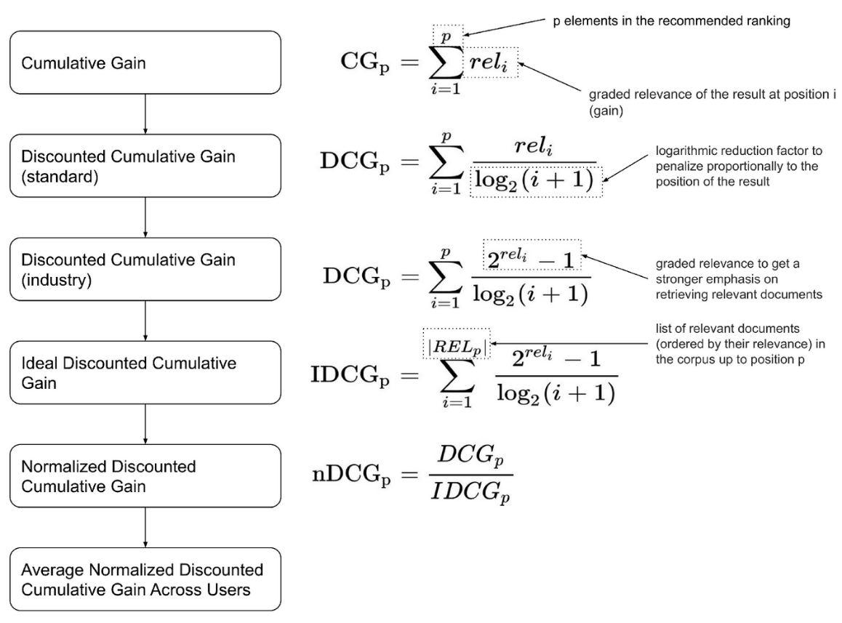
Comparative Loss | Total Relevance - Total Discounted Relevance
Column1 | Ascending | Descending | Descending>Ascending
Tables X.1 | 6.3471848331 | 6.3471848331 | FALSE
Tables X.2 | 7.743762561 | 30.255975978 | TRUE
Tables X.3 | 17.422959428 | 10.073558267 | FALSE
Tables X.4 | 2.1470623682 | 17.394622862 | TRUE
Tables X.5 | 13.350852035 | 21.422959428 | TRUE

 |  |  |  |  | source: https://medium.com/swlh/rank-aware-recsys-evaluation-metrics-5191bba16832

