Result
Training Result

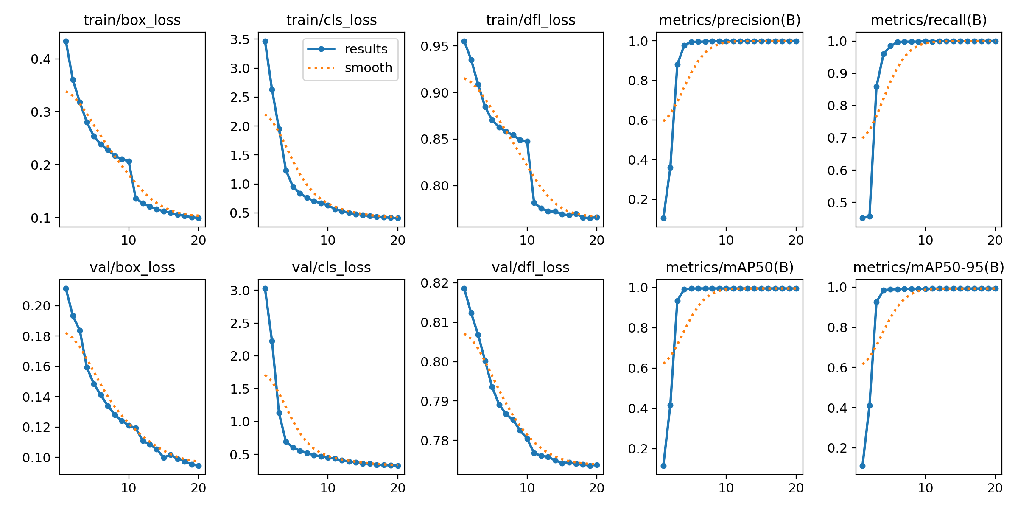
epoch | time | train/box_loss | train/cls_loss | train/dfl_loss | metrics/precision(B) | metrics/recall(B) | metrics/mAP50(B) | metrics/mAP50-95(B) | val/box_loss | val/cls_loss | val/dfl_loss
1 | 2799.86 | 0.43374 | 3.4694 | 0.95544 | 0.10461 | 0.45131 | 0.11552 | 0.11167 | 0.21145 | 3.02591 | 0.81858
2 | 4592.35 | 0.36066 | 2.6334 | 0.93521 | 0.35923 | 0.45726 | 0.4162 | 0.41087 | 0.19342 | 2.22784 | 0.81232
3 | 6097.48 | 0.31784 | 1.95241 | 0.90866 | 0.88104 | 0.85843 | 0.93458 | 0.92615 | 0.18374 | 1.13187 | 0.8068
4 | 7493.71 | 0.28048 | 1.23163 | 0.88447 | 0.97813 | 0.9597 | 0.99165 | 0.9843 | 0.15949 | 0.69298 | 0.80014
5 | 8927.31 | 0.2537 | 0.95374 | 0.87031 | 0.99551 | 0.98431 | 0.9947 | 0.98836 | 0.14855 | 0.60712 | 0.79356
6 | 10392 | 0.23835 | 0.83714 | 0.8628 | 0.99562 | 0.99665 | 0.99495 | 0.98986 | 0.14115 | 0.55619 | 0.7891
7 | 11859.8 | 0.2279 | 0.76421 | 0.85808 | 0.99699 | 0.99807 | 0.995 | 0.99102 | 0.13406 | 0.52334 | 0.78669
8 | 13360.1 | 0.21689 | 0.70277 | 0.85426 | 0.99848 | 0.99761 | 0.995 | 0.99183 | 0.12816 | 0.48674 | 0.78515
9 | 14836.6 | 0.21043 | 0.66515 | 0.84897 | 0.99918 | 0.99815 | 0.995 | 0.99174 | 0.12423 | 0.4726 | 0.78255
10 | 16291.3 | 0.2064 | 0.63314 | 0.84769 | 0.99938 | 0.99968 | 0.995 | 0.99152 | 0.12101 | 0.45349 | 0.78044
11 | 17478.7 | 0.13593 | 0.56762 | 0.78161 | 0.99938 | 0.99854 | 0.995 | 0.99237 | 0.11934 | 0.43686 | 0.77677
12 | 18611.8 | 0.12715 | 0.53271 | 0.77562 | 0.99905 | 0.99969 | 0.995 | 0.99264 | 0.11094 | 0.40871 | 0.7761
13 | 19741 | 0.12114 | 0.5021 | 0.77221 | 0.99922 | 0.99955 | 0.995 | 0.99235 | 0.10861 | 0.39513 | 0.77584
14 | 20877.9 | 0.11598 | 0.48158 | 0.77223 | 0.99918 | 0.99938 | 0.995 | 0.99238 | 0.10536 | 0.3792 | 0.77493
15 | 22013.6 | 0.11199 | 0.46544 | 0.76905 | 0.99954 | 0.99963 | 0.995 | 0.99281 | 0.09996 | 0.36138 | 0.77426
16 | 23150.4 | 0.10897 | 0.44655 | 0.76819 | 0.99939 | 0.99945 | 0.99496 | 0.99269 | 0.10172 | 0.35831 | 0.77438
17 | 24285.9 | 0.10572 | 0.43494 | 0.76971 | 0.99956 | 0.99986 | 0.995 | 0.99288 | 0.09894 | 0.34351 | 0.77405
18 | 25414.7 | 0.10309 | 0.42382 | 0.76564 | 0.99973 | 1 | 0.995 | 0.99296 | 0.09738 | 0.33866 | 0.77385
19 | 26542.5 | 0.10083 | 0.41704 | 0.76505 | 0.99978 | 0.99991 | 0.995 | 0.99305 | 0.09527 | 0.33179 | 0.7736
20 | 27665.9 | 0.09909 | 0.41079 | 0.76616 | 0.99977 | 1 | 0.995 | 0.9932 | 0.0946 | 0.32971 | 0.77381

 |  |  |  |  |  |  |  |  |  |  |  | 1 | train/box_loss | Loss for bounding box accuracy. | YOLO predict the bounding box of the marker
 |  |  |  |  |  |  |  |  |  |  |  | 2 | train/cls_loss | Loss for class classification. | YOLO predict the marker ID
 |  |  |  |  |  |  |  |  |  |  |  | 3 | train/dfl_loss | Distribution Focal Loss | YOLO modeling the distribution of possible box positions
 |  |  |  |  |  |  |  |  |  |  |  | 4 | metrics/precision | calculation for precision | Calculating how many marker ID predictions are correct out of all detected markers
 |  |  |  |  |  |  |  |  |  |  |  | 5 | metrics/recall | calculation for recall | Calculating how many markers are found out of all existing markers.
 |  |  |  |  |  |  |  |  |  |  |  | 6 | val/box_loss | Loss for bounding box accuracy. | YOLO predict the bounding box of the marker
 |  |  |  |  |  |  |  |  |  |  |  | 7 | val/cls_loss | Loss for class classification. | YOLO predict the marker ID
 |  |  |  |  |  |  |  |  |  |  |  | 8 | val/dfl_loss | Distribution Focal Loss | YOLO modeling the distribution of possible box positions
 |  |  |  |  |  |  |  |  |  |  |  | 9 | metrics/mAP50 | model’s ability to detect objects | Calculating the success rate of object recognition
 |  |  |  |  |  |  |  |  |  |  |  | 10 | metrics/mAP50-95 | precision of the bounding boxes | Detecting objects and marking their positions as accurately as possible, as quickly as possible

 | 0

