APC 8x4.5MR_omega_5
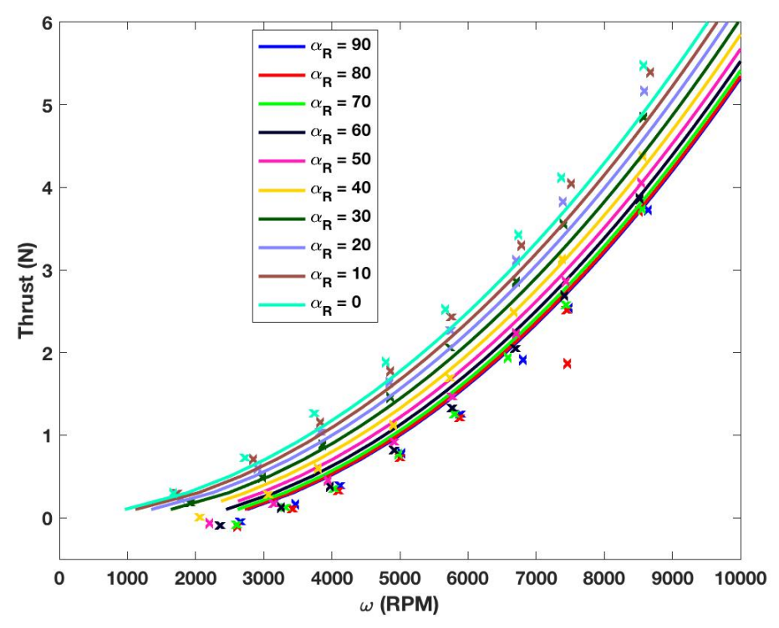
alpha_R | V_inf | rpm | T
0 | 5 | 1645.905421 | 0.28633217993
0 | 5 | 2697.8085352 | 0.72472999895
0 | 5 | 3740.4844291 | 1.2691971619
0 | 5 | 4792.3875433 | 1.8742616476
0 | 5 | 5668.9734717 | 2.5249466988
0 | 5 | 6730.1038062 | 3.4103054769
0 | 5 | 7366.7820069 | 4.1066722589
0 | 5 | 8575.5478662 | 5.4615882003
30 | 5 | 1913.4948097 | 0.17244241725
30 | 5 | 2974.6251442 | 0.47446786201
30 | 5 | 3878.8927336 | 0.8827024571
30 | 5 | 4847.7508651 | 1.4575425536
30 | 5 | 5724.3367935 | 2.0551973017
30 | 5 | 6720.8765859 | 2.8345566391
30 | 5 | 7394.4636678 | 3.538464227
30 | 5 | 8557.0934256 | 4.8479693125
60 | 5 | 2356.4013841 | -0.093128517004
60 | 5 | 3251.4417532 | 0.11814511901
60 | 5 | 3971.1649366 | 0.36746356297
60 | 5 | 4921.5686275 | 0.81353325644
60 | 5 | 5761.2456747 | 1.3278896229
60 | 5 | 6702.4221453 | 2.0391195694
60 | 5 | 7422.1453287 | 2.6748016497
60 | 5 | 8501.7301038 | 3.8555974975
89.9 | 5 | 2670.1268743 | -0.055546817658
89.9 | 5 | 3454.4405998 | 0.15583167313
89.9 | 5 | 4100.3460208 | 0.39006850512
89.9 | 5 | 5023.0680507 | 0.77555835168
89.9 | 5 | 5881.1995386 | 1.2444426969
89.9 | 5 | 6822.3760092 | 1.9102180979
89.9 | 5 | 7468.2814302 | 2.5308185663
89.9 | 5 | 8640.1384083 | 3.6963755199

APC 8x4.5MR_omega_10
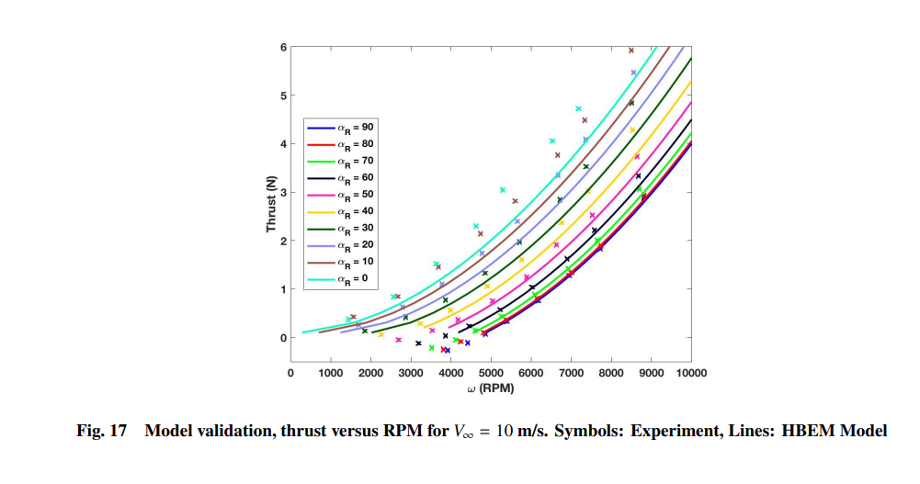
alpha_R | V_inf | rpm | T
0 | 10 | 276.17539494 | 0.099932134374
0 | 10 | 1738.9309907 | 0.3488356018
0 | 10 | 3092.0647488 | 0.85982292099
0 | 10 | 4528.805188 | 1.6782321004
0 | 10 | 5897.2087119 | 2.7245095452
0 | 10 | 7086.2396159 | 3.7482122435
0 | 10 | 8428.1252749 | 5.1817636265
0 | 10 | 9120.0090488 | 5.9896316405
30 | 10 | 2152.0944086 | 0.12057459563
30 | 10 | 3201.0582011 | 0.36994935213
30 | 10 | 4664.9134713 | 1.0174848245
30 | 10 | 5894.7265895 | 1.8247401626
30 | 10 | 7207.9892923 | 2.8824699318
30 | 10 | 8507.7731277 | 4.0541102691
30 | 10 | 9476.3035856 | 5.1464012367
30 | 10 | 10002.073672 | 5.738057535
60 | 10 | 4207.2289459 | 0.10684437407
60 | 10 | 5229.172165 | 0.56126129523
60 | 10 | 6127.1663588 | 1.0841565182
60 | 10 | 7094.5971421 | 1.7778154809
60 | 10 | 8117.5771971 | 2.6080854353
60 | 10 | 9044.06867 | 3.4612443288
60 | 10 | 9970.937174 | 4.4510770526
89.9 | 10 | 4952.179869 | 0.15155399716
89.9 | 10 | 5766.9758323 | 0.51509067602
89.9 | 10 | 6706.537722 | 1.1062756853
89.9 | 10 | 7756.8839623 | 1.8567878194
89.9 | 10 | 8669.456698 | 2.6644044791
89.9 | 10 | 9471.5906949 | 3.4379783584
89.9 | 10 | 9969.5861454 | 3.9613291609

APC 8x4.5MR_omega_15
alpha_R | V_inf | rpm | T
0 | 15 | 1195.00 | 0.3884
0 | 15 | 2442.33 | 0.9634
0 | 15 | 3534.02 | 1.6198
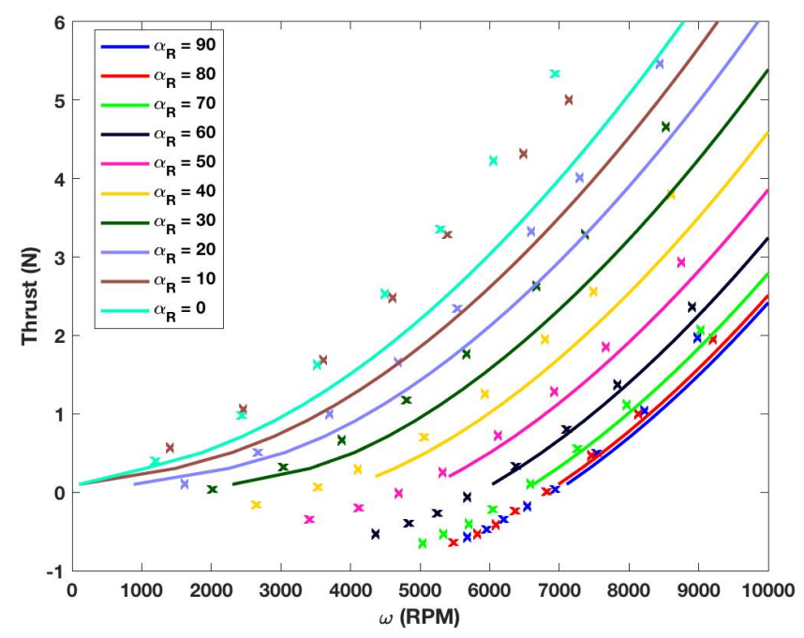
0 | 15 | 4497.89 | 2.5279
0 | 15 | 5305.80 | 3.3469
0 | 15 | 6058.83 | 4.2146
0 | 15 | 6940.59 | 5.3258
30 | 15 | 2019.08 | 0.0304
30 | 15 | 3027.64 | 0.3216
30 | 15 | 3880.46 | 0.6454
30 | 15 | 4816.12 | 1.1640
30 | 15 | 5678.59 | 1.7475
30 | 15 | 6679.03 | 2.6150
30 | 15 | 7395.00 | 3.2636
30 | 15 | 8552.15 | 4.6342
60 | 15 | 4363.99 | -0.5320
60 | 15 | 4849.92 | -0.3945
60 | 15 | 5253.34 | -0.2813
60 | 15 | 5675.26 | -0.0707
60 | 15 | 6381.58 | 0.3182
60 | 15 | 7106.37 | 0.7801
60 | 15 | 7849.71 | 1.3638
60 | 15 | 8914.51 | 2.3449
89.9 | 15 | 5674.32 | -0.5820
89.9 | 15 | 5958.58 | -0.4849
89.9 | 15 | 6206.22 | -0.3634
89.9 | 15 | 6545.58 | -0.2014
89.9 | 15 | 6940.02 | 0.0173
89.9 | 15 | 7545.65 | 0.4631
89.9 | 15 | 8215.62 | 1.0144
89.9 | 15 | 9005.41 | 1.9470

APC 8x4.5MR_omega_0
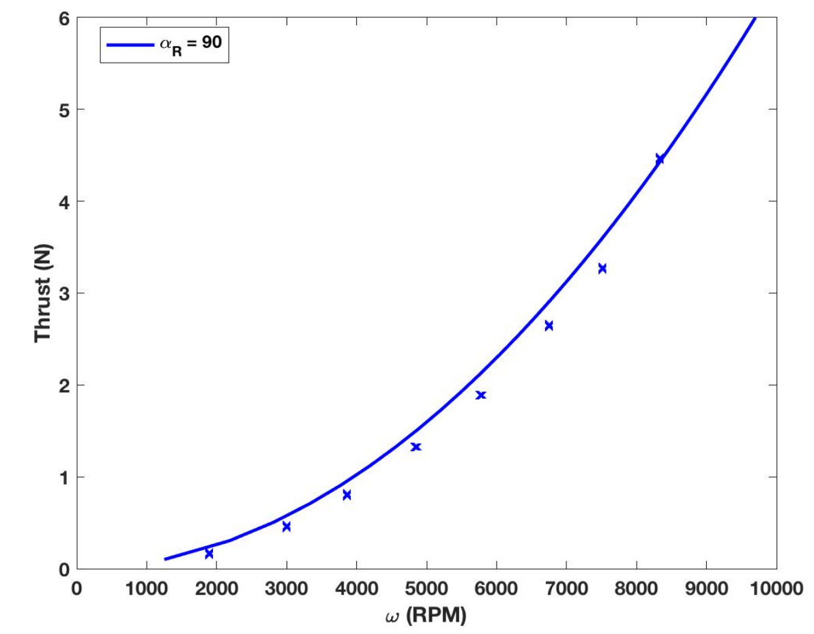
alpha_R | V_inf | rpm | T
89.9 | 0 | 1264.463508 | 0.11251768597
89.9 | 0 | 2901.2542215 | 0.54766967565
89.9 | 0 | 4281.8887559 | 1.1936481585
89.9 | 0 | 5523.4559398 | 1.9616943442
89.9 | 0 | 6815.8108905 | 2.9909080719
89.9 | 0 | 7801.3274832 | 3.8975586459
89.9 | 0 | 8866.9202942 | 5.0320759713
89.9 | 0 | 9684.2110393 | 6.0052062943

