Dashboard
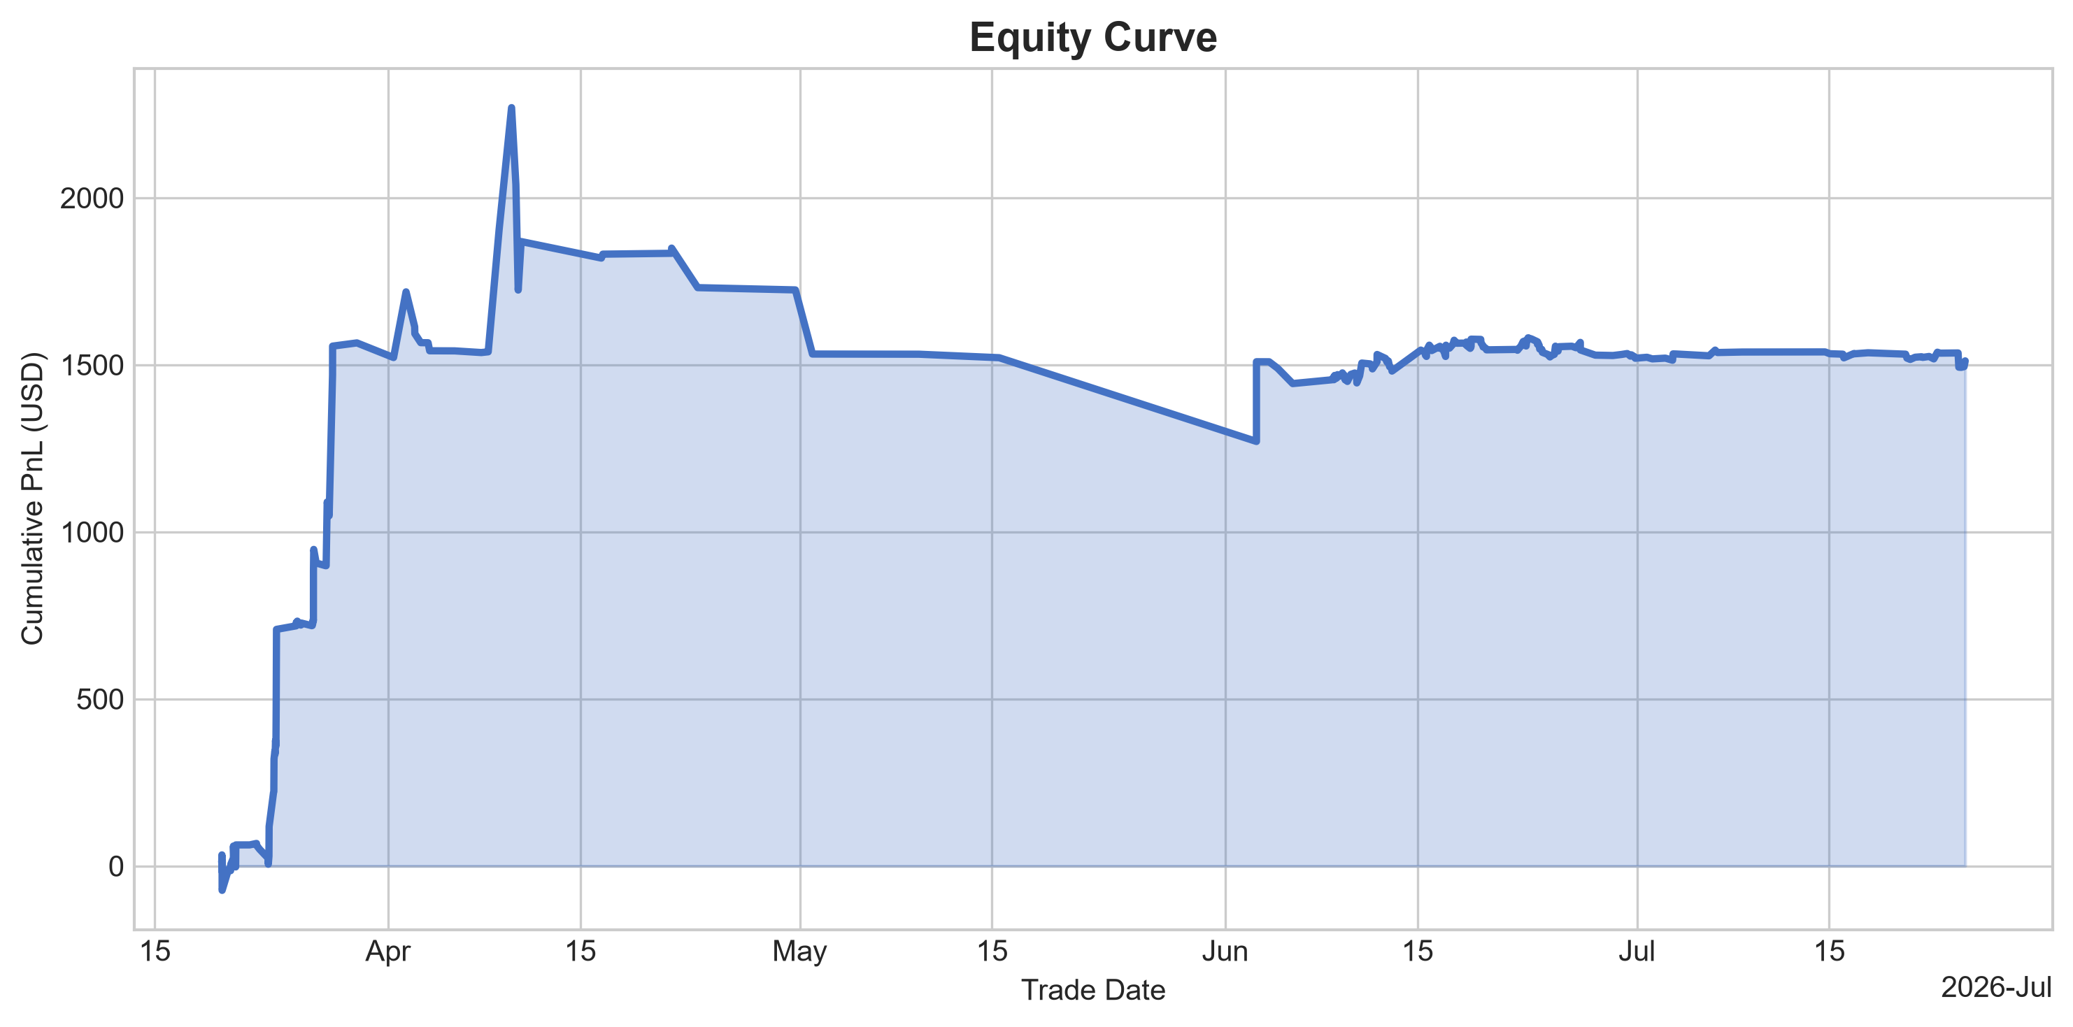
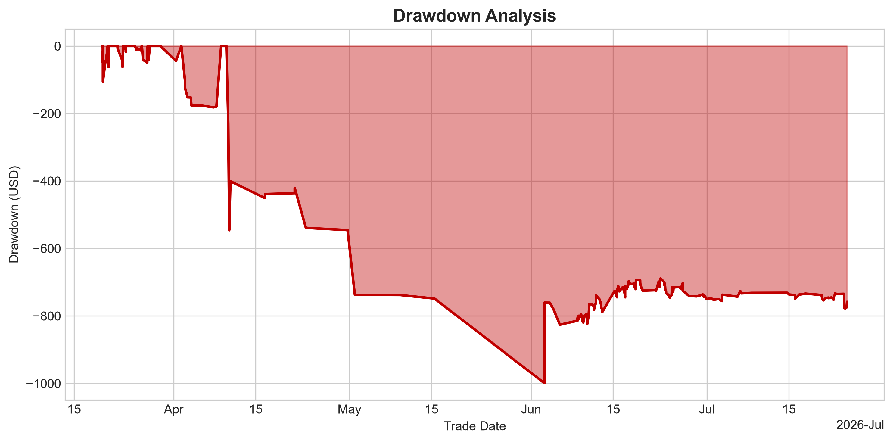
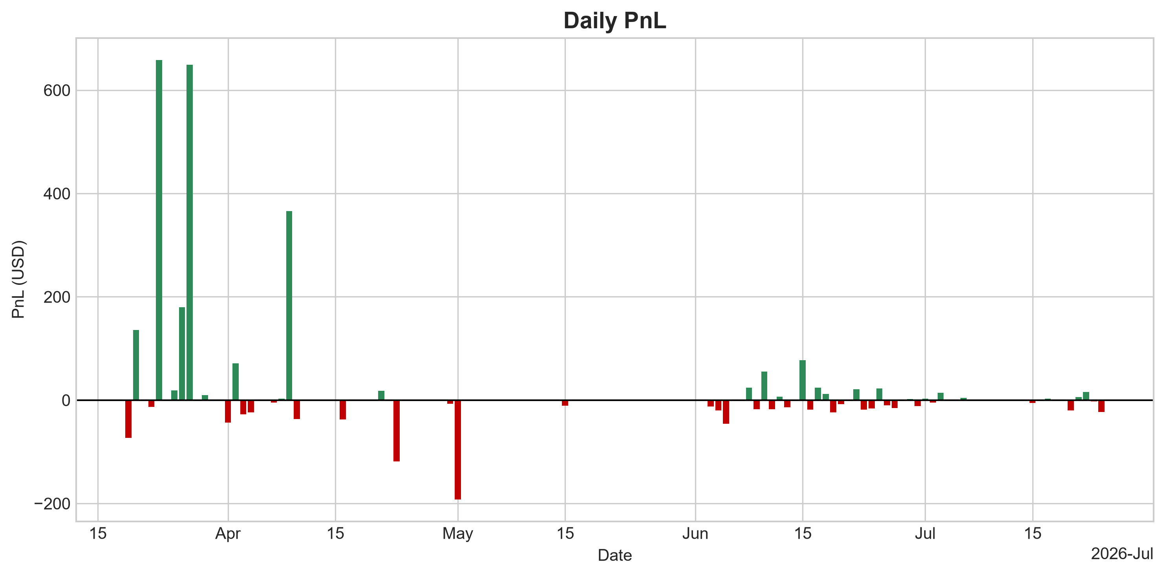
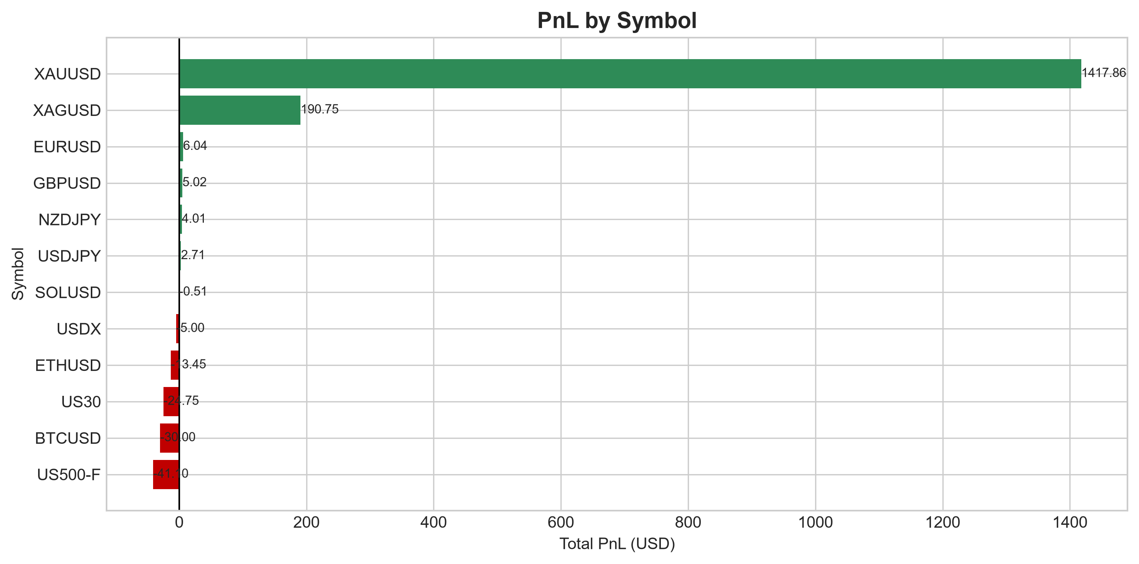
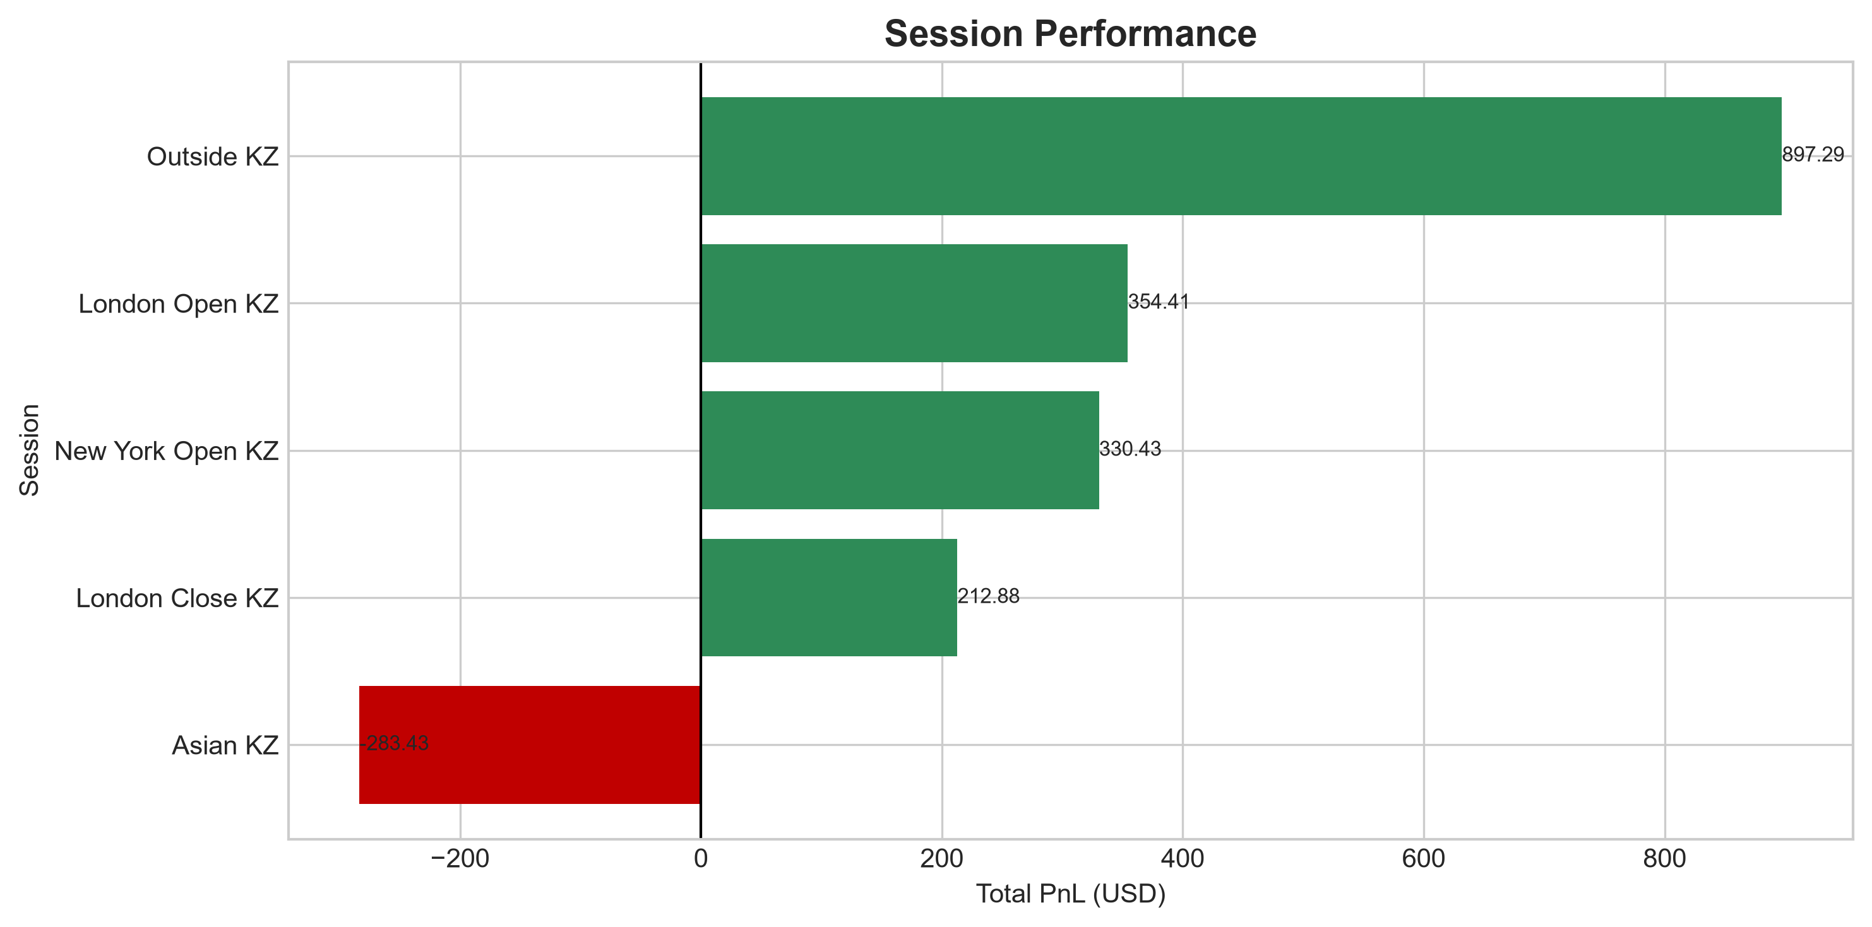
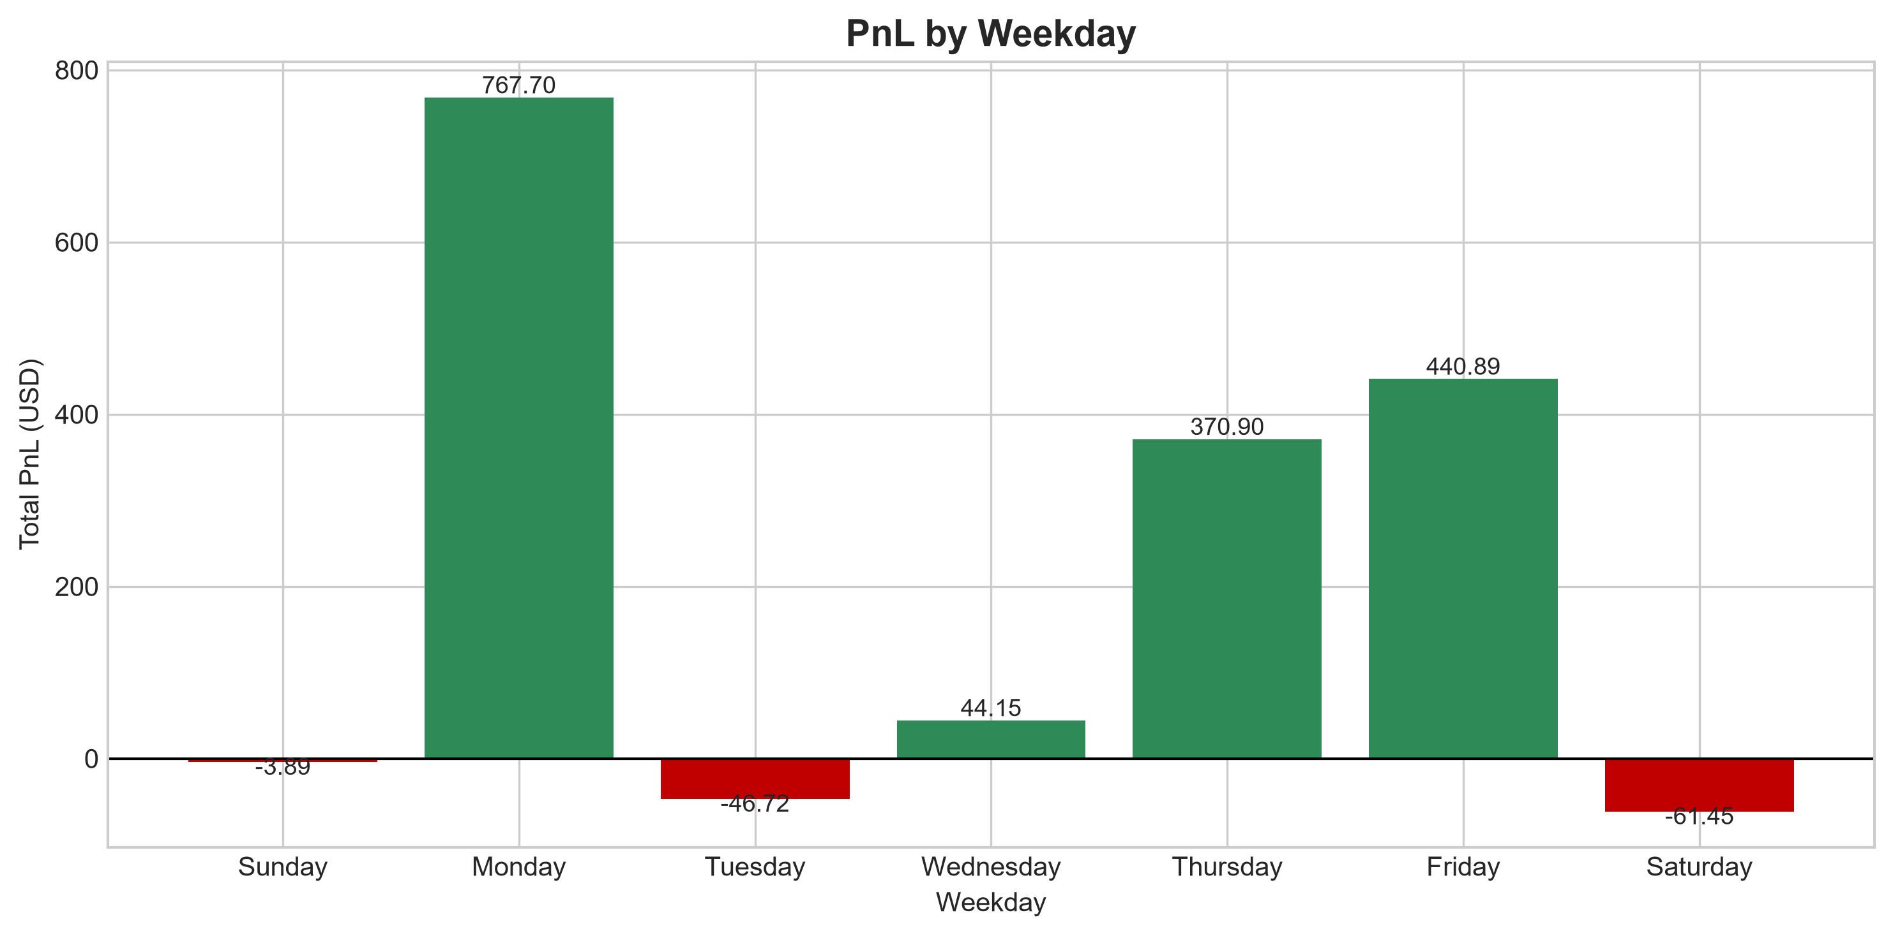
Trading Performance Analytics Dashboard

Total PnL | Win Rate | Profit Factor | Total Trades | Winning Streak
1511.58 | 43.12 | 1.61 | 276 | 7

Best Trade | Worst Trade | Average Win | Average Loss
421.95 | -316 | 33.36 | -15.66

