Rendicion WIX 2
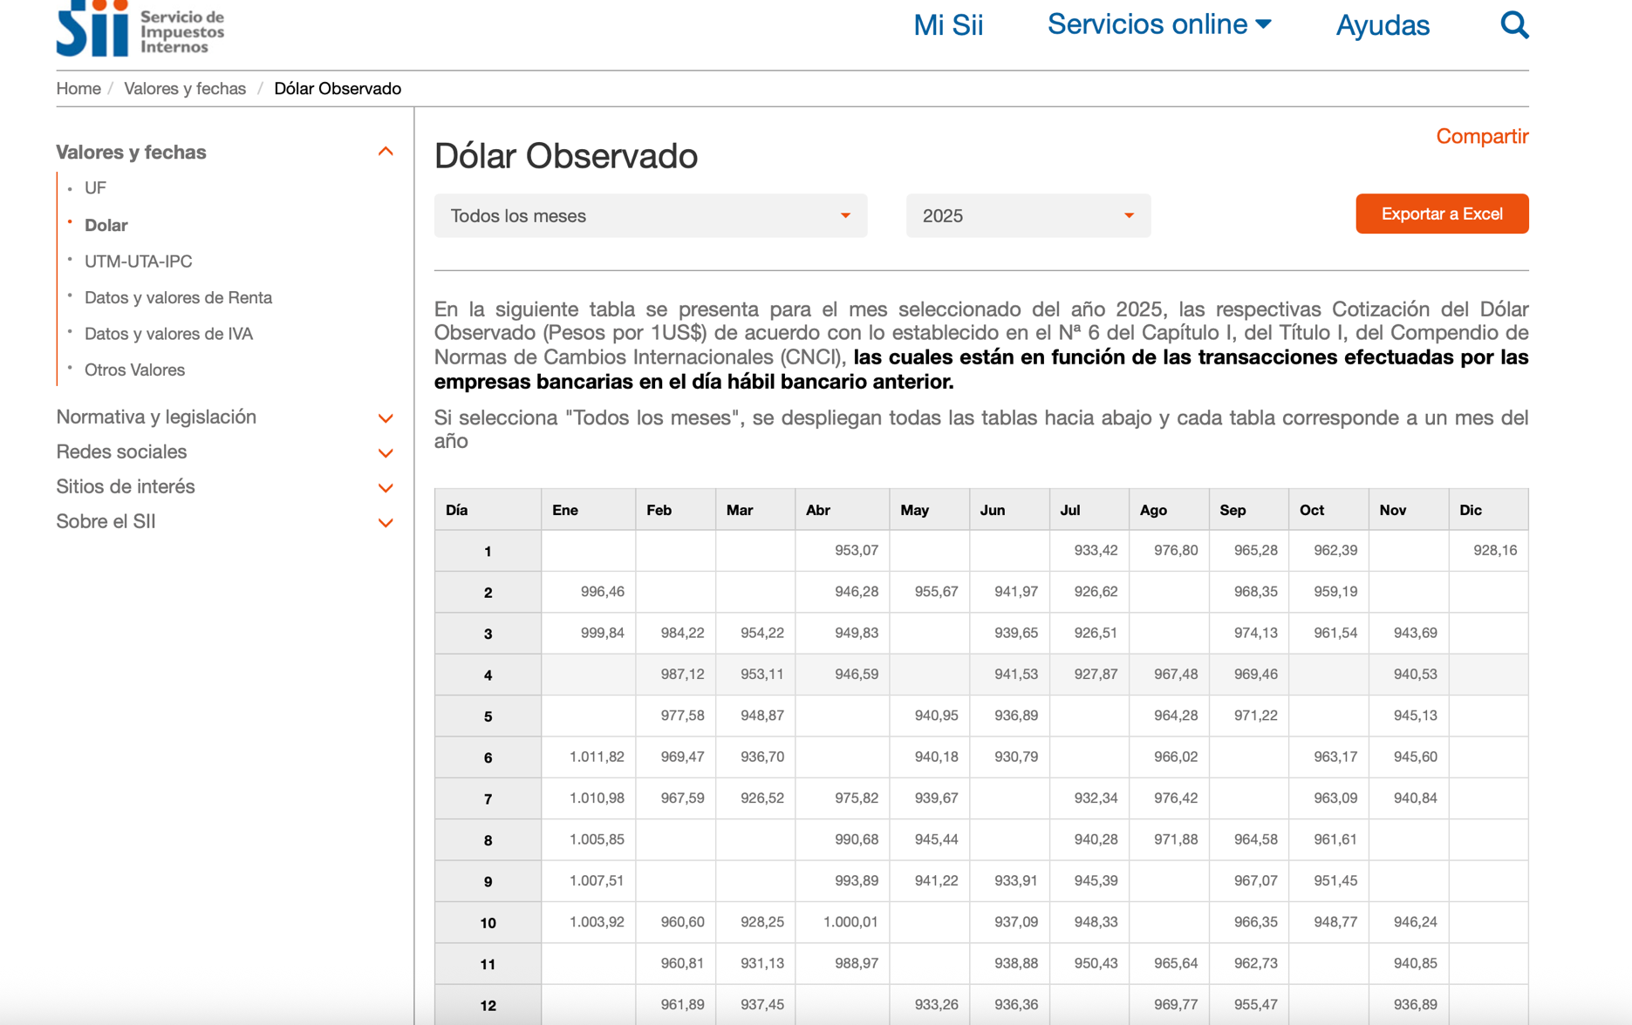
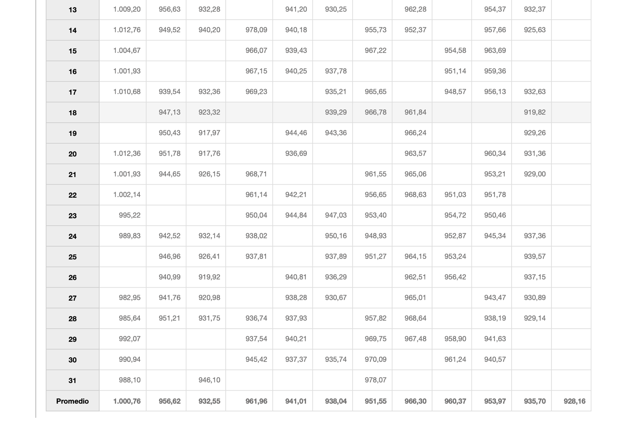
Invoice Number | Date | Subscription | Description | Site Name | Payment Method | Amount | Status | Monto USD | Monto Pesos según dólar mes
1211173817 | Dec 01 2025 | Email marketing | Esencial | e-auto | MASTERCARD **** 6551 | US$14,28 | PAID | 14.28 | $13,254
1210144455 | Dec 01 2025 | Plan Premium | Business | e-auto | MASTERCARD **** 6551 | US$414,12 | PAID | 414.12 | $384,370
1210490805 | Nov 29 2025 | Plan Premium | Core | Gecko Motors | MASTERCARD **** 0377 | US$29,75 | PAID | 29.75 | $27,837
1208732309 | Nov 13 2025 | Plan Premium | Basic | My Site | MASTERCARD **** 6551 | US$19,04 | PAID | 19.04 | $17,816
1206067797 | Nov 11 2025 | Email marketing | Esencial | e-auto | MASTERCARD **** 0377 | US$14,28 | PAID | 14.28 | $13,362
1205391725 | Oct 25 2025 | Plan Premium | Core | Gecko Motors | MASTERCARD **** 0377 | US$29,75 | PAID | 29.75 | $28,381
1205110673 | Oct 22 2025 | Wix Logo Maker | Basic Logo | Imotion | MASTERCARD **** 0377 | US$23,80 | PAID | 23.8 | $22,704
1205108563 | Oct 22 2025 | Plan Premium | Core | Imotion | MASTERCARD **** 0377 | US$142,80 | PAID | 142.8 | $136,227
1201213385 | Sep 28 2025 | Email marketing | Esencial | e-auto | MASTERCARD **** 0377 | US$14,28 | PAID | 14.28 | $13,714
1200328837 | Sep 27 2025 | Plan Premium | Core | Gecko Motors | MASTERCARD **** 0377 | US$29,75 | PAID | 29.75 | $28,571
1195141973 | Sep 15 2025 | Plan Premium | Core | Gecko Motors | MASTERCARD **** 0377 | US$29,75 | PAID | 29.75 | $28,571
1190022011 | Jul 24 2025 | Plan Premium | Core | Gecko Motors | VISA **** 7569 | US$29,75 | PAID | 29.75 | $28,309
1184944025 | Jun 25 2025 | Plan Premium | Core | Gecko Motors | VISA **** 7569 | US$29,75 | PAID | 29.75 | $27,907
1179811329 | May 24 2025 | Plan Premium | Core | Gecko Motors | VISA **** 7569 | US$29,75 | PAID | 29.75 | $27,995
1174657999 | Apr 24 2025 | Plan Premium | Core | Gecko Motors | VISA **** 7569 | US$29,75 | PAID | 29.75 | $28,618
1169320851 | Mar 24 2025 | Plan Premium | Core | Gecko Motors | VISA **** 7569 | US$29,75 | PAID | 29.75 | $27,743
 |  |  |  |  |  |  | SUMA | 910.35 | $855,378
 |  |  |  |  |  |  | Dólar promedio 930

Dólar promedio según SII
Jan-25 | Feb-25 | Mar-25 | Apr-25 | May-25 | Jun-25 | Jul-25 | Aug-25 | Sep-25 | Oct-25 | Nov-25 | Dec-25
1,000.76 | 956.62 | 932.55 | 961.96 | 941.01 | 938.04 | 951.55 | 966.3 | 960.37 | 953.97 | 935.7 | 928.16

