Instructions
1. Go to Azure DevOps -> 7pace Timetracker -> Settings -> Reporting & API and a) Generate API token if you have not done it already. Save the token safely, it will not be displayed again! b) Mark the unique name of your organization that will be used later - in the example below it reads 'time-plutus'. Note that the screen may differ in the future versions of TImetracker, refer to our Documentation for up to date information. | Documentation link - Tokens
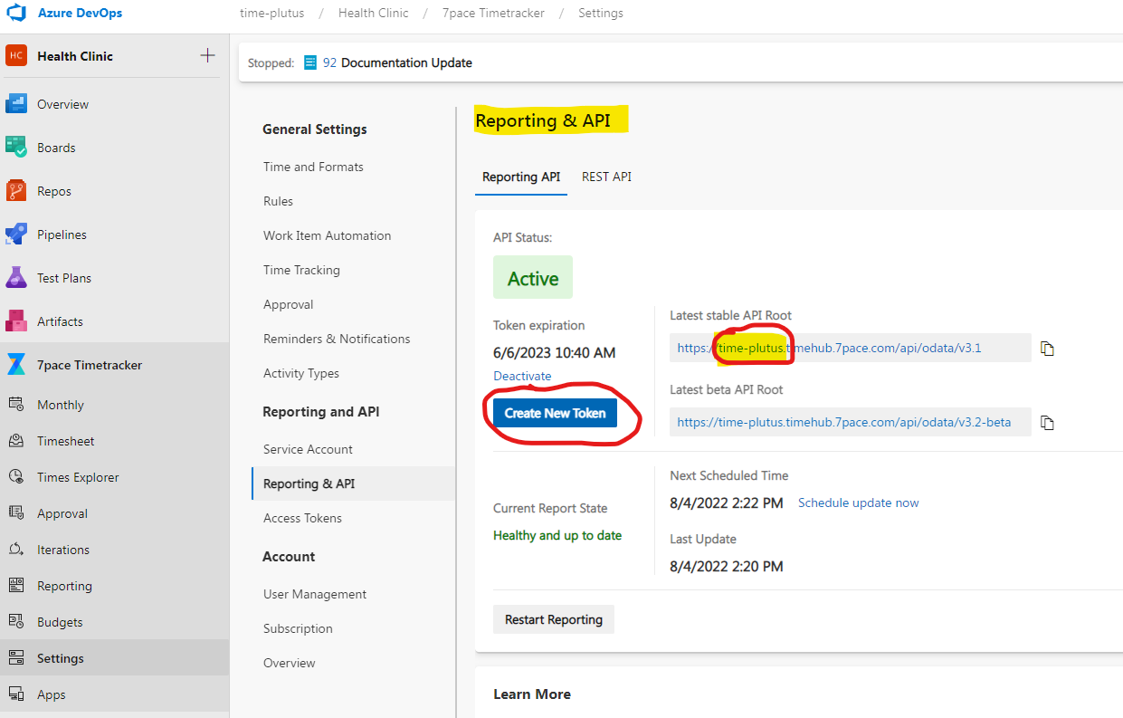

2. In the excel file, click on Data -> 'Queries and connections' so that Excel displays the side menu with connections.
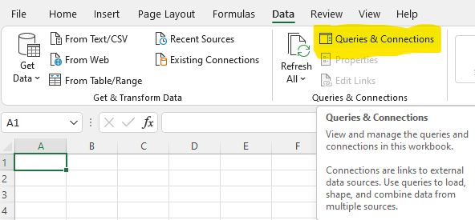

3. In the side menu, double click on the prepared connection 'Get users and roles'.
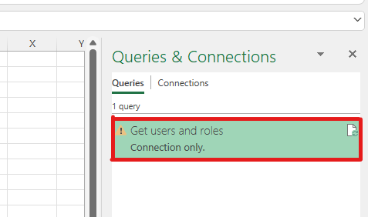

4. Click on 'Source' and replace 'your-org' with the name of your organization that you gathered in step 1b.
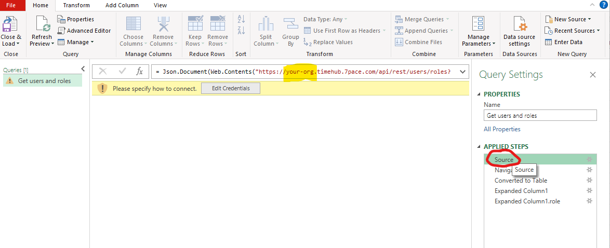

5. Click on 'Edit Credentials', choose Basic authentication type, 'token' as username, paste the API token from step 1a as the password, and click on Connect.

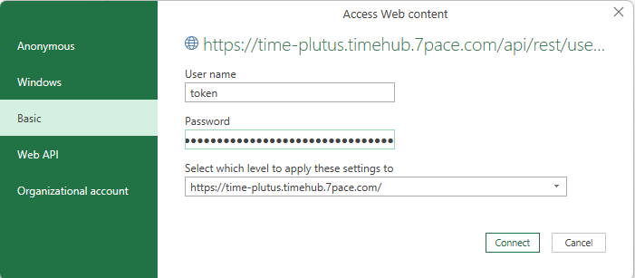

6. If the connection has been successful, you should see the data already. Just click on 'Close & Load'.
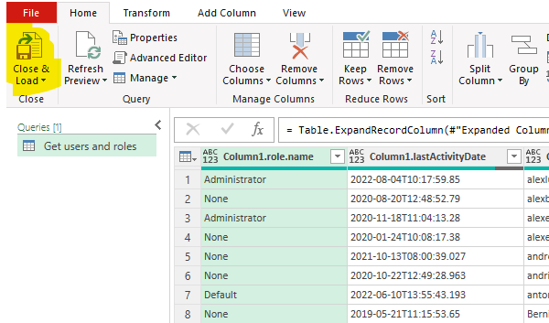

7. The last step is to load the data into an excel sheet. Right-click the connection, select 'Load to', and fill the options according to the screenshot.
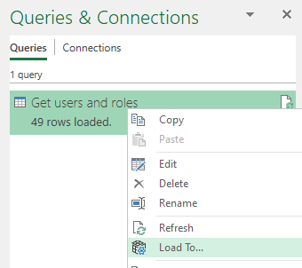
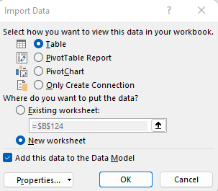

8. A new sheet with your data will be created. You can save the excel file, credentials will be stored as well. Next time you open the file, you can go to Data -> Refresh all to get the fresh data from API.

