Cover
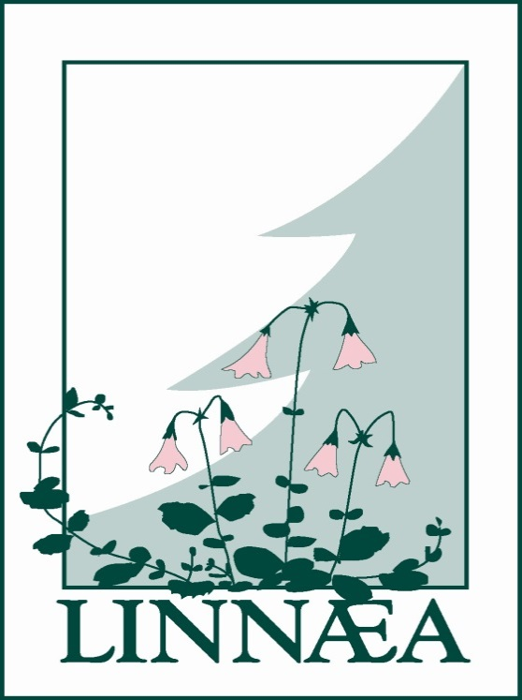

LINNAEA NURSERIES LIMITED
3666 - 224th Street
Langley, B.C. V2Z 2G7
604-533-8281, 1-888-327-7705
Fax: 604-533-8246

2019 - 2020 CONTAINER CATALOGUE

www.linnaeanurseries.com

PW Perrenials
 | NEW for SPRING 2020 |  | 
Item | Species | Zone
# |  |  | #1 |  | Order
 | Proven Winner Perennials
02620 | Amsonia t. Storm Cloud (PW) | 4 |  | (6/tray)
07402 | Brunnera m. Queen of Hearts (PW) | 3 |  | (6/tray)
12788 | Clematis Stand by Me (PW) | 3 |  | (6/tray)
16270 | Dianthus Paint the Town Magenta (PW) | 4 |  | (6/tray)
19000 | Echinacea Lakota Fire (PW) | 4 |  | (6/tray)
30580 | Heuchera Black Pearl (PW) | 4 |  | (6/tray)
30620 | Heuchera Wildberry (PW) | 4 |  | (6/tray)
31402 | Hosta Autumn Frost (PW) | 3 |  | (6/tray)
31434 | Hosta Empress Wu (PW) | 3 |  | (6/tray)
45662 | Lavandula ang. Sweet Romance (PW) | 5 |  | (6/tray)
45850 | Leucanthemum s. Daisy May (PW) | 5 |  | (6/tray)
51260 | Monarda d. Pardon My Purple (PW) | 4 |  | (6/tray)
53200 | Nepeta Cat's Pajamas (PW) | 3 |  | (6/tray)
57920 | Perovskia a. Denim n' Lace (PW) | 4 |  | (6/tray)
58040 | Phlox Opening Act Ultrapink (PW) | 4 |  | (6/tray)
71950 | Salvia n. Crystal Blue (PW) | 3 |  | (6/tray)
71960 | Salvia n. Pink Dawn (PW) | 3 |  | (6/tray)
71970 | Salvia n. Violet Riot (PW) | 3 |  | (6/tray)
73710 | Sedum Bundle of Joy (PW) | 3 |  | (6/tray)
73910 | Sedum Superstar (PW) | 3 |  | (6/tray)
86810 | Veronica Wizard of Ahhs (PW) | 4 |  | (6/tray)
86800 | Veronica White Wands (PW) | 4 |  | (6/tray)

