Measurement models
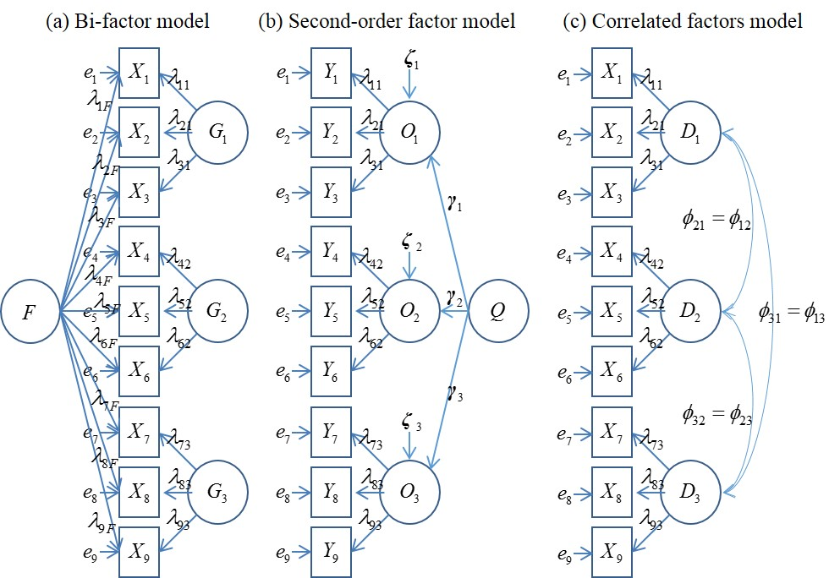
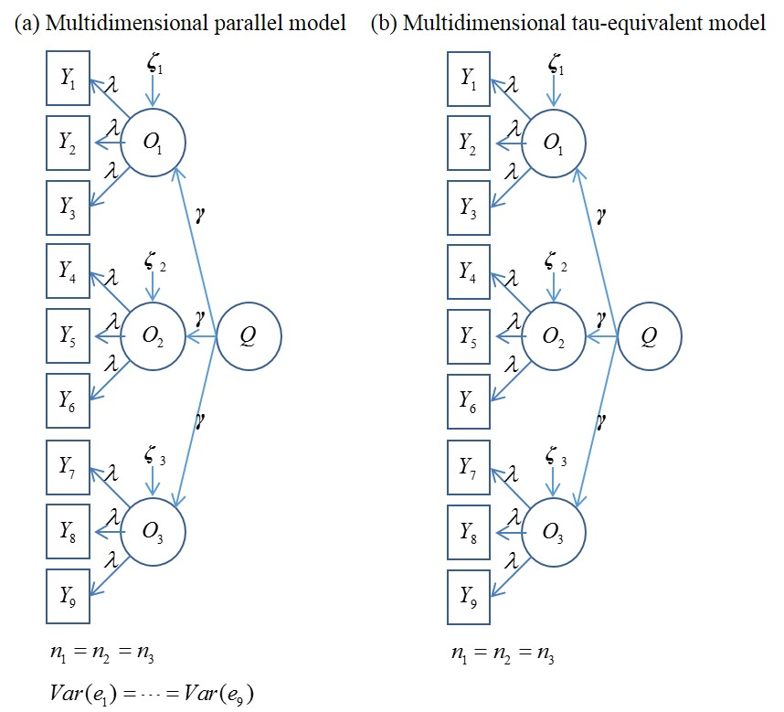
Unidimensional measurement models
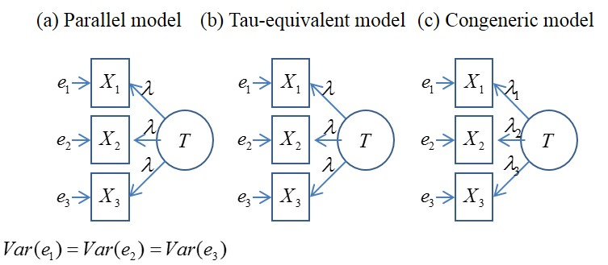
 | For more information, Cho (2016), "Making reliability reliable: A systematic approach to reliability coefficients," Organizational Research Methods, 19(4), 651-682

Major multidimensional measurement models | Suggested multidimensional measurement models

