C4
34. |  | Are you related by consanguinity or affinity to the appointing or recommending authority, or to the
 |  | chief of bureau or office or to the person who has immediate supervision over you in the Office,
 |  | Bureau or Department where you will be apppointed,

 |  | a. within the third degree?

 |  | b. within the fourth degree (for Local Government Unit - Career Employees)?
 |  |  |  |  |  | If YES, give details: ________________________________ ________________________________

35. |  | a. Have you ever been found guilty of any administrative offense?
 |  |  |  |  |  | If YES, give details: ________________________________ ________________________________

 |  | b. Have you been criminally charged before any court?
 |  |  |  |  |  | If YES, give details: ________________________________ ________________________________
 |  |  |  |  |  |  | Date Filed:
 |  |  |  |  |  | Status of Case/s:

36. |  | Have you ever been convicted of any crime or violation of any law, decree, ordinance or regulation by any court or tribunal?
 |  |  |  |  |  | If YES, give details: ________________________________ ________________________________

37. |  | Have you ever been separated from the service in any of the following modes: resignation, retirement, dropped from the rolls, dismissal, termination, end of term, finished contract or phased out (abolition) in the public or private sector?
 |  |  |  |  |  | If YES, give details: ________________________________ ________________________________

38. |  | a. Have you ever been a candidate in a national or local election held within the last year (except Barangay election)?
 |  |  |  |  |  | If YES, give details:

 |  | b. Have you resigned from the government service during the three (3)-month period before the last election to promote/actively campaign for a national or local candidate?
 |  |  |  |  |  | If YES, give details:

39. |  | Have you acquired the status of an immigrant or permanent resident of another country?
 |  |  |  |  |  | If YES, give details (country):

40. |  | Pursuant to: (a) Indigenous People's Act (RA 8371); (b) Magna Carta for Disabled Persons (RA 7277); and (c) Solo Parents Welfare Act of 2000 (RA 8972), please answer the following items:

a. |  | Are you a member of any indigenous group?
 |  |  |  |  |  | If YES, please specify:
b. |  | Are you a person with disability?
 |  |  |  |  |  | If YES, please specify ID No:
c. |  | Are you a solo parent?
 |  |  |  |  |  | If YES, please specify ID No:

41. |  | REFERENCES (Person not related by consanguinity or affinity to applicant /appointee) |  |  |  |  |  | 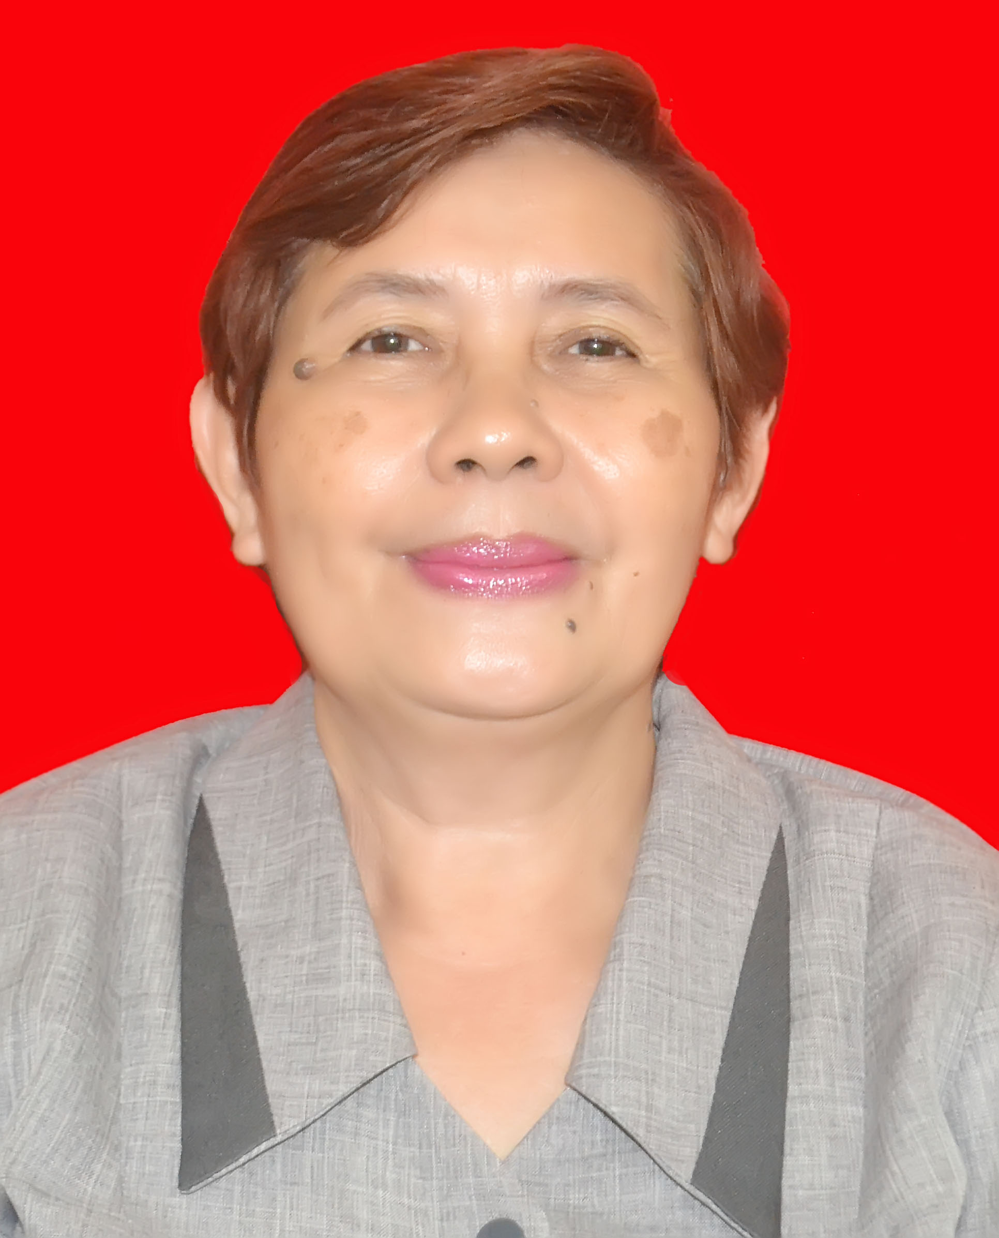
NAME |  |  |  |  | ADDRESS | TEL. NO.
Nesciunt corporis r |  |  |  |  | Consequuntur dolore | 1234567890

42. |  | I declare under oath that I have personally accomplished this Personal Data Sheet which is a true, correct and complete statement pursuant to the provisions of pertinent laws, rules and regulations of the Republic of the Philippines. I authorize the agency head/authorized representative to verify/validate the contents stated herein. I agree that any misrepresentation made in this document and its attachments shall cause the filing of administrative/criminal case/s against me.
 |  |  |  |  |  |  |  |  | PHOTO

 | Government Issued ID (i.e.Passport, GSIS, SSS, PRC, Driver's License, etc.) PLEASE INDICATE ID Number and Date of Issuance
 | Government Issued ID: |  | PHIL HEALTH ID
 | ID/License/Passport No.: |  | 15-01755
 |  |  |  |  | Signature (Sign inside the box)
 | Date/Place of Issuance: |  | 01-01-2001/METRO MANILA
 |  |  |  |  | Date Accomplished |  |  |  | Right Thumbmark

SUBSCRIBED AND SWORN to before me this , affiant exhibiting his/her validly issued government ID as indicated above.

 |  |  |  | Person Administering Oath

CS FORM 212 (Revised 2017), Page 4 of 4

