Quartiles
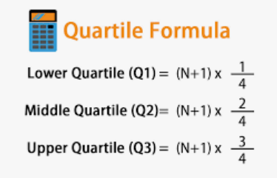
Index number | Language Score | N=20
1 | 20 |  | Index number |  | value
2 | 10 | Q1=25th % value |  | Q1 value=
3 | 14
4 | 18 | Q2=50th% value |  | Q2 value= |  | 2nd quartile
5 | 21 |  |  |  |  | is same as
6 | 11 | Q3 =75th% value |  | Q3 value= |  | median
7 | 9
8 | 18 | IQR=Q3-Q1
9 | 24 | Inter Quartile Range(IQR)
10 | 22
11 | 14
12 | 9 | QD=IQR/2
13 | 25 | Quartile Deviation(QD)
14 | 18
15 | 17
16 | 22
17 | 23
18 | 22
19 | 18
20 | 20

Arrange the numbers in ascending order
1 | 9
2 | 9
3 | 10
4 | 11
5 | 14
6 | 14
7 | 17
8 | 18
9 | 18
10 | 18
11 | 18
12 | 20
13 | 20
14 | 21
15 | 22
16 | 22
17 | 22
18 | 23
19 | 24
20 | 25

