安装
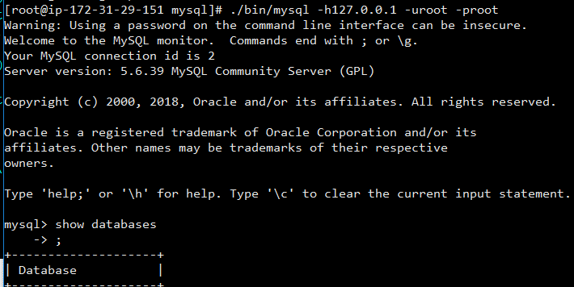
检查是否已安装
rpm -qa | grep mysql

安装目录
/usr/local

安装autoconf库
yum -y install autoconf

安装步骤
1.j解压
tar -zxvf mysql-xxxx.tar.gz

2.添加系统mysql组
sudo groupadd mysql

3.添加mysql用户
sudo useradd -r -g mysql mysql

4.查看是否添加成功
id mysql

5.修改当前目录拥有者为mysql用户
sudo chown -R mysql:mysql ./

6.安装
./scripts/mysql_install_db --user=mysql

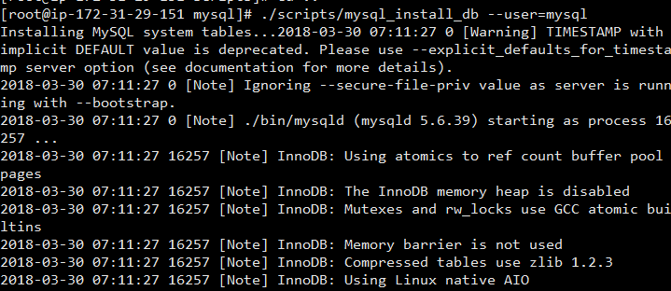

7.修改目录拥有者
chown -R root:root ./ chown -R mysql:mysql data

8.启动
./support-files/mysql.server start

8.1 如果报错
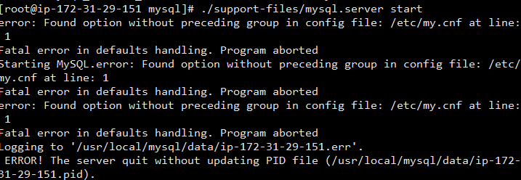

查看pid
ps -ef|grep masql

杀掉对应进程

9.成功

10.修改密码
./bin/mysqladmin -u root -h localhost.localdomain password 'root'

11.连接
./bin/mysql -h127.0.0.1 -uroot -proot

Docker安装主从复制
编写master的my.cnf
master.my.cnf

[mysqld]
pid-file = /var/run/mysqld/mysqld.pid
socket = /var/run/mysqld/mysqld.sock
datadir = /var/lib/mysql
secure-file-priv= NULL
server-id=1
# Disabling symbolic-links is recommended to prevent assorted security risks
symbolic-links=0
# Custom config should go here
!includedir /etc/mysql/conf.d/

编写slave的my.cnf
slave.my.cnf
[mysqld]
pid-file = /var/run/mysqld/mysqld.pid
socket = /var/run/mysqld/mysqld.sock
datadir = /var/lib/mysql
secure-file-priv= NULL
server-id=2
relay_log_recovery=0
# Disabling symbolic-links is recommended to prevent assorted security risks
symbolic-links=0
# Custom config should go here
!includedir /etc/mysql/conf.d/

编写docker-compose文件

version: '2'
services:
mysql-master:
image: docker.io/mysql
networks:
jznet:
ipv4_address: 54.249.79.156
volumes:
- /root/data/mysql-master:/var/lib/mysql
- /home/ec2-user/master.my.cnf:/mysql/my.cnf
ports:
- "3306:3306"
environment:
- MYSQL_DATABASE=root
- MYSQL_ROOT_PASSWORD=root
mysql-slave:
image: docker.io/mysql
# networks:
# jznet:
# ipv4_address: 54.249.79.156
volumes:
- /root/data/mysql-slave:/var/lib/mysql
- /home/ec2-user/slave.my.cnf:/mysql/my.cnf
ports:
- "3307:3306"
environment:
- MYSQL_DATABASE=root
- MYSQL_ROOT_PASSWORD=root
networks:
jznet:
driver: bridge
ipam:
driver: default
config:
- subnet: 54.249.79.156/26

 |  | /home/ec2-user/master.my.cnf | 是上一步的cnf位置 | /mysql/my.cnf | 需要创建文件夹

 |  | networks:注释掉了。如果IIP地址不同，需要完成填写

docker network create -d bridge my-bridge
docker run --name mysql-master -p:3306:3306 -v /home/ec2-user/master.my.cnf:/mysql/my.cnf -e MYSQL_ROOT_PASSWORD=root --network my-bridge --privileged=true -d mysql
docker run --name mysql-slave -p:3307:3306 -v /home/ec2-user/slave.my.cnf:/mysql/my.cnf -e MYSQL_ROOT_PASSWORD=root --network my-bridge --privileged=true -d mysql
docker network inspect bridge my-bridge
GRANT REPLICATION SLAVE ON *.* TO 'root'@'%';
reset slave;
change master to master_host='172.20.0.2',
master_user='root',
master_password='root',
master_log_file='binlog.000002',
master_log_pos=155;
show slave status\G
start slave;

运行 docker-compose up -d

解决navicat无法登陆的问题

进入容器后，进入mysql | docker exec -it -uroot ec2-user_mysql-slave_1 /bin/sh
alter user 'root'@'localhost' identified with mysql_native_password by 'root';
alter user 'root'@'%' identified with mysql_native_password by 'root';

