安装
OS
Linux

安装目录
/usr/local/src/redis

安装步骤
1.解压redis
tar -zxvf redist-xxx.gar.gz
2.进入文件夹
cd redis-xxxx
3.安装

make

make install
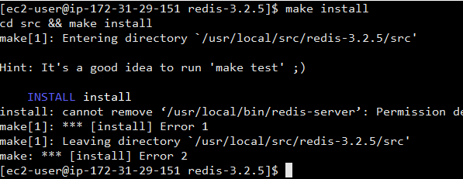

4.内存配置策略，写到内核参数中
echo "vm.overcommit_memory=1" >> /etc/sysctl.conf
如果memory=0,首先要检查是否有足够的内存供应
如果memory=1,将所有内存都交给应用使用
如果memory=2,分配所有物理内存和交换空间的总内存

/sbin/sysctl -p

工具目录
1.创建目录
mkdir -p /usr/local/redis/{bin,conf}
2.拷贝运行文件
cp /usr/local/src/redis-xxxx/src/redis-server /usr/local/redis/bin | redis服务启动程序
cp /usr/local/src/redis-xxxx/src/redis-cli /usr/local/redis/bin | redis命令行客户端
cp /usr/local/src/redis-xxxx/src/redis-benchmark /usr/local/redis/bin | redis性能测试工具
cp /usr/local/src/redis-xxxx/redis.conf /usr/local/redis/conf | redis配置文件

数据存储目录
建立储存日志，redis数据文件的目录
mkdir -p /usr/data/redis/{run, logs,dbcache}

Docker集群安装
预备工作
mkdir redis
mkdir redis/redis1 redis/redis2 redis/redis3 redis/sentinel1 redis/sentinel2 redis/sentinel3 redis/data

准备conf
进入redis1目录
vim redis-6379.conf

port 6379
logfile "redis-6379.log"
dir /data
appendonly yes
appendfilename appendonly.aof
masterauth 123456
requirepass 123456

进入redis2目录
vim redis-6380.conf

port 6380
logfile "redis-6380.log"
dir /data
appendonly yes
appendfilename appendonly.aof
slaveof 54.249.79.156 6379
masterauth 123456
requirepass 123456

进入redis3目录
vim redis-6381.conf

port 6381
logfile "redis-6381.log"
dir /data
appendonly yes
appendfilename appendonly.aof
slaveof 54.249.79.156 6379
masterauth 123456
requirepass 123456

启动容器

docker run -p 6379:6379 --net=host --restart=always --name redis-6379 -v /home/ec2-user/redis/redis1/redis-6379.conf:/etc/redis/redis-6379.conf -v /home/ec2-user/redis/data/redis-6379-data:/data -d redis redis-server /etc/redis/redis-6379.conf
docker run -p 6379:6380 --net=host --restart=always --name redis-6380 -v /home/ec2-user/redis/redis2/redis-6380.conf:/etc/redis/redis-6380.conf -v /home/ec2-user/redis/data/redis-6380-data:/data -d redis redis-server /etc/redis/redis-6380.conf
docker run -p 6379:6381 --net=host --restart=always --name redis-6381 -v /home/ec2-user/redis/redis3/redis-6381.conf:/etc/redis/redis-6381.conf -v /home/ec2-user/redis/data/redis-6381-data:/data -d redis redis-server /etc/redis/redis-6381.conf

验证
1.进入master
docker exec -it redis-6379 /bin/bash
redis-cli
auth 123456
set test 111

2.进入slave
docker exec -it redis-6380 /bin/bash
redis-cli
get test

Docker主从+哨兵
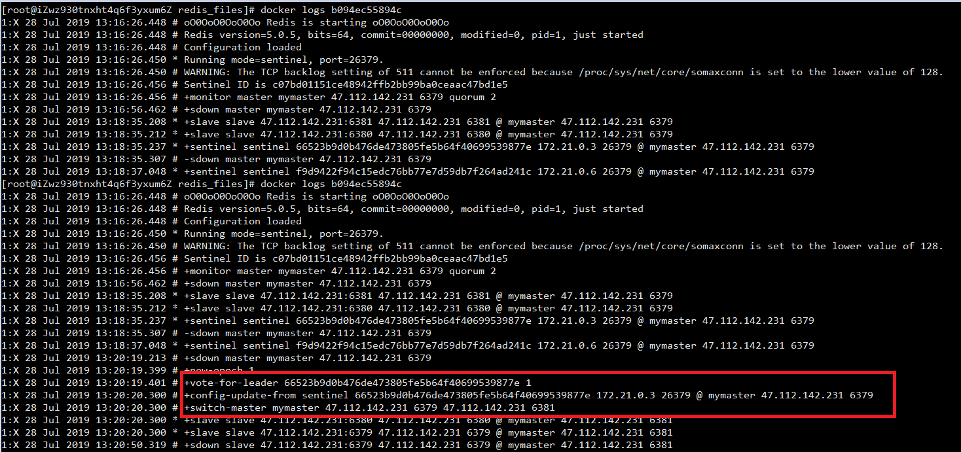
参考资料
https://www.cnblogs.com/hckblogs/p/11186311.html

版本
5.0.5

步骤
1.拉取镜像
docker pull redis

2.准备一主二从
vim docker-compose.yml

version: '3.7'
services:
master:
image: redis
container_name: redis-master
restart: always
command: redis-server --port 6379 --requirepass test@dbuser2018 --appendonly yes
ports:
- 6379:6379
volumes:
- ./data:/data
slave1:
image: redis
container_name: redis-slave-1
restart: always
command: redis-server --slaveof 47.112.142.231 6379 --port 6380 --requirepass test@dbuser2018 --masterauth test@dbuser2018 --appendonly yes
ports:
- 6380:6380
volumes:
- ./data:/data
slave2:
image: redis
container_name: redis-slave-2
restart: always
command: redis-server --slaveof 47.112.142.231 6379 --port 6381 --requirepass test@dbuser2018 --masterauth test@dbuser2018 --appendonly yes
ports:
- 6381:6381
volumes:
- ./data:/data

 |  |  |  |  | 见docker-compose.yml_sentinel_redis

3.启动redis
docker-compose up -d

4.确定主从是否完成
docker exec -ti {master container id} redis-cli -h 127.0.0.1 -p {master 的映射端口}

输入账号 auth
输入密码 test@dbuser2018

增加key
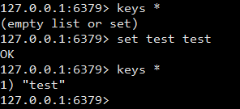

进入slave
docker exec -ti {slave container id} redis-cli -h 127.0.0.1 -p {slave 的映射端口}
例： docker exec -ti ce572b4aa23d redis-cli -h 127.0.0.1 -p 6380

如果有key，就证明主从配置成功。

5. 编写redis-sentinel的docker-compose.yml

version: '3.7'
services:
sentinel1:
image: redis:5.0.5
container_name: redis-sentinel-1
command: redis-sentinel /usr/local/etc/redis/sentinel.conf
restart: always
ports:
- 26379:26379
volumes:
- ./sentinel1.conf:/usr/local/etc/redis/sentinel.conf
sentinel2:
image: redis:5.0.5
container_name: redis-sentinel-2
command: redis-sentinel /usr/local/etc/redis/sentinel.conf
restart: always
ports:
- 26380:26379
volumes:
- ./sentinel2.conf:/usr/local/etc/redis/sentinel.conf
sentinel3:
image: redis:5.0.5
container_name: redis-sentinel-3
command: redis-sentinel /usr/local/etc/redis/sentinel.conf
restart: always
ports:
- 26381:26379
volumes:
- ./sentinel3.conf:/usr/local/etc/redis/sentinel.conf

6.编写sentinel.conf

vim sentinel.conf

# Example sentinel.conf
# *** IMPORTANT ***
#
# By default Sentinel will not be reachable from interfaces different than
# localhost, either use the 'bind' directive to bind to a list of network
# interfaces, or disable protected mode with "protected-mode no" by
# adding it to this configuration file.
#
# Before doing that MAKE SURE the instance is protected from the outside
# world via firewalling or other means.
#
# For example you may use one of the following:
#
# bind 127.0.0.1 192.168.1.1
#
# protected-mode no
protected-mode no
# port <sentinel-port>
# The port that this sentinel instance will run on
port 26379
# By default Redis Sentinel does not run as a daemon. Use 'yes' if you need it.
# Note that Redis will write a pid file in /var/run/redis-sentinel.pid when
# daemonized.
daemonize no
# When running daemonized, Redis Sentinel writes a pid file in
# /var/run/redis-sentinel.pid by default. You can specify a custom pid file
# location here.
pidfile /var/run/redis-sentinel.pid
# Specify the log file name. Also the empty string can be used to force
# Sentinel to log on the standard output. Note that if you use standard
# output for logging but daemonize, logs will be sent to /dev/null
logfile ""
# sentinel announce-ip <ip>
# sentinel announce-port <port>
#
# The above two configuration directives are useful in environments where,
# because of NAT, Sentinel is reachable from outside via a non-local address.
#
# When announce-ip is provided, the Sentinel will claim the specified IP address
# in HELLO messages used to gossip its presence, instead of auto-detecting the
# local address as it usually does.
#
# Similarly when announce-port is provided and is valid and non-zero, Sentinel
# will announce the specified TCP port.
#
# The two options don't need to be used together, if only announce-ip is
# provided, the Sentinel will announce the specified IP and the server port
# as specified by the "port" option. If only announce-port is provided, the
# Sentinel will announce the auto-detected local IP and the specified port.
#
# Example:
#
# sentinel announce-ip 1.2.3.4
# dir <working-directory>
# Every long running process should have a well-defined working directory.
# For Redis Sentinel to chdir to /tmp at startup is the simplest thing
# for the process to don't interfere with administrative tasks such as
# unmounting filesystems.
dir /tmp
# sentinel monitor <master-name> <ip> <redis-port> <quorum>
#
# Tells Sentinel to monitor this master, and to consider it in O_DOWN
# (Objectively Down) state only if at least <quorum> sentinels agree.
#
# Note that whatever is the ODOWN quorum, a Sentinel will require to
# be elected by the majority of the known Sentinels in order to
# start a failover, so no failover can be performed in minority.
#
# Replicas are auto-discovered, so you don't need to specify replicas in
# any way. Sentinel itself will rewrite this configuration file adding
# the replicas using additional configuration options.
# Also note that the configuration file is rewritten when a
# replica is promoted to master.
#
# Note: master name should not include special characters or spaces.
# The valid charset is A-z 0-9 and the three characters ".-_".
sentinel monitor mymaster 47.112.142.231 6379 2
# sentinel auth-pass <master-name> <password>
#
# Set the password to use to authenticate with the master and replicas.
# Useful if there is a password set in the Redis instances to monitor.
#
# Note that the master password is also used for replicas, so it is not
# possible to set a different password in masters and replicas instances
# if you want to be able to monitor these instances with Sentinel.
#
# However you can have Redis instances without the authentication enabled
# mixed with Redis instances requiring the authentication (as long as the
# password set is the same for all the instances requiring the password) as
# the AUTH command will have no effect in Redis instances with authentication
# switched off.
#
# Example:
#
# sentinel auth-pass mymaster MySUPER--secret-0123passw0rd
sentinel auth-pass mymaster test@dbuser2018
# sentinel down-after-milliseconds <master-name> <milliseconds>
#
# Number of milliseconds the master (or any attached replica or sentinel) should
# be unreachable (as in, not acceptable reply to PING, continuously, for the
# specified period) in order to consider it in S_DOWN state (Subjectively
# Down).
#
# Default is 30 seconds.
sentinel down-after-milliseconds mymaster 30000
# sentinel parallel-syncs <master-name> <numreplicas>
#
# How many replicas we can reconfigure to point to the new replica simultaneously
# during the failover. Use a low number if you use the replicas to serve query
# to avoid that all the replicas will be unreachable at about the same
# time while performing the synchronization with the master.
sentinel parallel-syncs mymaster 1
# sentinel failover-timeout <master-name> <milliseconds>
#
# Specifies the failover timeout in milliseconds. It is used in many ways:
#
# - The time needed to re-start a failover after a previous failover was
# already tried against the same master by a given Sentinel, is two
# times the failover timeout.
#
# - The time needed for a replica replicating to a wrong master according
# to a Sentinel current configuration, to be forced to replicate
# with the right master, is exactly the failover timeout (counting since
# the moment a Sentinel detected the misconfiguration).
#
# - The time needed to cancel a failover that is already in progress but
# did not produced any configuration change (SLAVEOF NO ONE yet not
# acknowledged by the promoted replica).
#
# - The maximum time a failover in progress waits for all the replicas to be
# reconfigured as replicas of the new master. However even after this time
# the replicas will be reconfigured by the Sentinels anyway, but not with
# the exact parallel-syncs progression as specified.
#
# Default is 3 minutes.
sentinel failover-timeout mymaster 180000
# SCRIPTS EXECUTION
#
# sentinel notification-script and sentinel reconfig-script are used in order
# to configure scripts that are called to notify the system administrator
# or to reconfigure clients after a failover. The scripts are executed
# with the following rules for error handling:
#
# If script exits with "1" the execution is retried later (up to a maximum
# number of times currently set to 10).
#
# If script exits with "2" (or an higher value) the script execution is
# not retried.
#
# If script terminates because it receives a signal the behavior is the same
# as exit code 1.
#
# A script has a maximum running time of 60 seconds. After this limit is
# reached the script is terminated with a SIGKILL and the execution retried.
# NOTIFICATION SCRIPT
#
# sentinel notification-script <master-name> <script-path>
#
# Call the specified notification script for any sentinel event that is
# generated in the WARNING level (for instance -sdown, -odown, and so forth).
# This script should notify the system administrator via email, SMS, or any
# other messaging system, that there is something wrong with the monitored
# Redis systems.
#
# The script is called with just two arguments: the first is the event type
# and the second the event description.
#
# The script must exist and be executable in order for sentinel to start if
# this option is provided.
#
# Example:
#
# sentinel notification-script mymaster /var/redis/notify.sh
# CLIENTS RECONFIGURATION SCRIPT
#
# sentinel client-reconfig-script <master-name> <script-path>
#
# When the master changed because of a failover a script can be called in
# order to perform application-specific tasks to notify the clients that the
# configuration has changed and the master is at a different address.
#
# The following arguments are passed to the script:
#
# <master-name> <role> <state> <from-ip> <from-port> <to-ip> <to-port>
#
# <state> is currently always "failover"
# <role> is either "leader" or "observer"
#
# The arguments from-ip, from-port, to-ip, to-port are used to communicate
# the old address of the master and the new address of the elected replica
# (now a master).
#
# This script should be resistant to multiple invocations.
#
# Example:
#
# sentinel client-reconfig-script mymaster /var/redis/reconfig.sh
# SECURITY
#
# By default SENTINEL SET will not be able to change the notification-script
# and client-reconfig-script at runtime. This avoids a trivial security issue
# where clients can set the script to anything and trigger a failover in order
# to get the program executed.
sentinel deny-scripts-reconfig yes
# REDIS COMMANDS RENAMING
#
# Sometimes the Redis server has certain commands, that are needed for Sentinel
# to work correctly, renamed to unguessable strings. This is often the case
# of CONFIG and SLAVEOF in the context of providers that provide Redis as
# a service, and don't want the customers to reconfigure the instances outside
# of the administration console.
#
# In such case it is possible to tell Sentinel to use different command names
# instead of the normal ones. For example if the master "mymaster", and the
# associated replicas, have "CONFIG" all renamed to "GUESSME", I could use:
#
# SENTINEL rename-command mymaster CONFIG GUESSME
#
# After such configuration is set, every time Sentinel would use CONFIG it will
# use GUESSME instead. Note that there is no actual need to respect the command
# case, so writing "config guessme" is the same in the example above.
#
# SENTINEL SET can also be used in order to perform this configuration at runtime.
#
# In order to set a command back to its original name (undo the renaming), it
# is possible to just rename a command to itsef:
#
# SENTINEL rename-command mymaster CONFIG CONFIG

 |  |  |  | 需要将protected-mode设置未no,否则将不能发现其他sentinel

 |  |  | 修改master的ip地址和端口。因为有 3 台 Sentinel 所以可以设置成 2

 |  |  | master的账号密码

7.复制配置文件 | 此时应该有如下几个文件
cp sentinel.conf sentinel1.conf
cp sentinel.conf sentinel2.conf
cp sentinel.conf sentinel3.conf

8.启动
docker-compose up -d

9. 进入sentinel容器中查看
docker exec -ti {sentinel container id} redis-cli -h 127.0.0.1 -p {sentinel port}
例： docker exec -ti ce572b4aa23d redis-cli -h 127.0.0.1 -p 6380

sentinel master mymaster |  | sentinel slaves mymaster

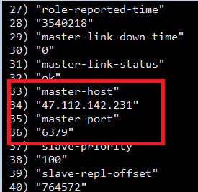

10.验证

查看sentinel log

