安装
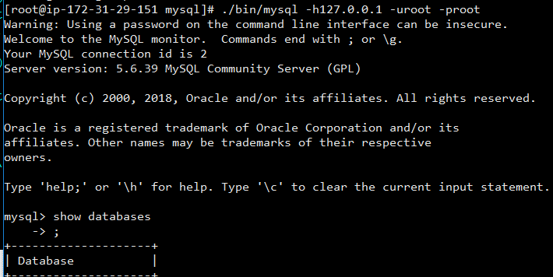
检查是否已安装
rpm -qa | grep mysql

安装目录
/usr/local

安装autoconf库
yum -y install autoconf

安装步骤
1.j解压
tar -zxvf mysql-xxxx.tar.gz

2.添加系统mysql组
sudo groupadd mysql

3.添加mysql用户
sudo useradd -r -g mysql mysql

4.查看是否添加成功
id mysql

5.修改当前目录拥有者为mysql用户
sudo chown -R mysql:mysql ./

6.安装
./scripts/mysql_install_db --user=mysql

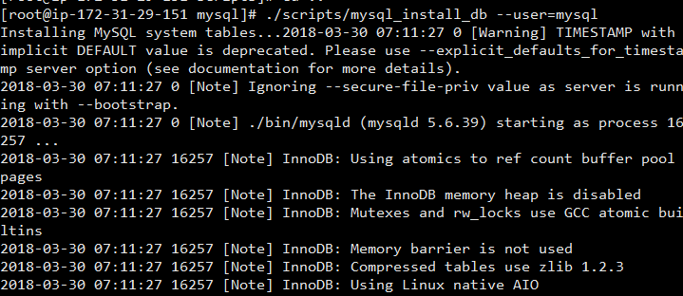

7.修改目录拥有者
chown -R root:root ./ chown -R mysql:mysql data

8.启动
./support-files/mysql.server start

8.1 如果报错
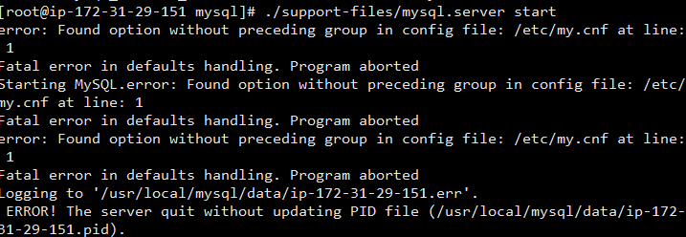

查看pid
ps -ef|grep masql

杀掉对应进程

9.成功

10.修改密码
./bin/mysqladmin -u root -h localhost.localdomain password 'root'

11.连接
./bin/mysql -h127.0.0.1 -uroot -proot

Docker安装主从复制
编写master的my.cnf
master.my.cnf

[mysqld]
pid-file = /var/run/mysqld/mysqld.pid
socket = /var/run/mysqld/mysqld.sock
datadir = /var/lib/mysql
secure-file-priv= NULL
server-id=1
# Disabling symbolic-links is recommended to prevent assorted security risks
symbolic-links=0
# Custom config should go here
!includedir /etc/mysql/conf.d/

编写slave的my.cnf
slave.my.cnf
[mysqld]
pid-file = /var/run/mysqld/mysqld.pid
socket = /var/run/mysqld/mysqld.sock
datadir = /var/lib/mysql
secure-file-priv= NULL
server-id=2
relay_log_recovery=0
# Disabling symbolic-links is recommended to prevent assorted security risks
symbolic-links=0
# Custom config should go here
!includedir /etc/mysql/conf.d/

清理docker相关内容（非必须，除非没有空间，否则不适用）
docker system prune --volumes

创建network
docker network create -d bridge my-bridge

创建容器
docker run --name mysql-master -p:3306:3306 -v /home/ec2-user/master.my.cnf:/etc/my.cnf -e MYSQL_ROOT_PASSWORD=root --network my-bridge --privileged=true -d mysql |  | 创建master容器 | /home/ec2-user/master.my.cnf:/etc/my.cnf 将前面所写的master.my.cnf 挂载到容器内。

docker run --name mysql-slave -p:3307:3306 -v /home/ec2-user/slave.my.cnf:/etc/my.cnf -e MYSQL_ROOT_PASSWORD=root --network my-bridge --privileged=true -d mysql |  | 创建slave容器 | /home/ec2-user/slave.my.cnf:/etc/my.cnf 将前面所写的slave.my.cnf 挂载到容器内。

查看是否将容器加入network
docker network inspect bridge my-bridge

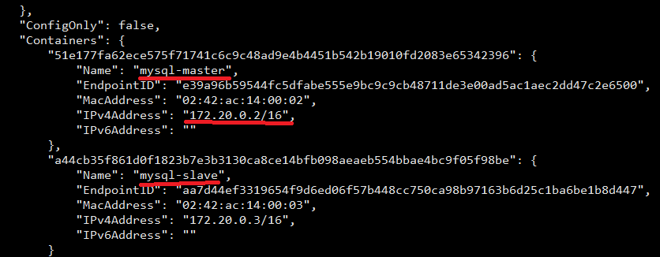

进入master 容器
docker exec -it -uroot mysql-master /bin/sh

进入mysql
mysql -uroot -proot

创建用户并赋权
CREATE USER 'slaveuser'@'%' IDENTIFIED WITH sha256_password BY '0000';
GRANT REPLICATION SLAVE ON *.* TO 'slaveuser'@'%';
flush privileges;

查看状态
show master status;

进入slave 容器
docker exec -it -uroot mysql-slave /bin/sh

进入mysql
mysql -uroot -proot

在slave容器中输入master相关信息

reset slave;

change master to master_host='172.19.0.2',
master_user='slaveuser',
master_password='0000',
master_log_file='binlog.000002',
master_log_pos=684;
 | host为network中ipv4的地址

 | log_file为master的file名
 | log pos为master的position

启动slave
start slave;

查看状态
show slave status\G
得到 Waiting for master to send event 状态表示成功

