测试项目
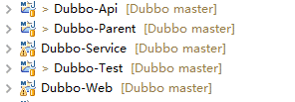
目录结构
父项目
远程接口
业务实现
客户端

Docker急速体验
参考文档
https://blog.csdn.net/boling_cavalry/article/details/72303126

version: '2'
services:
zk_server:
image: daocloud.io/library/zookeeper:3.3.6
restart: always
dubbo_admin:
image: bolingcavalry/dubbo_admin_tomcat:0.0.1
links:
- zk_server:zkhost
depends_on:
- "zk_server"
ports:
- "8080:8080"
restart: always
dubbo_provider:
image: bolingcavalry/dubbo_provider_tomcat:0.0.1
links:
- zk_server:zkhost
depends_on:
- "dubbo_admin"
environment:
TOMCAT_SERVER_ID: dubbo_provider_tomcat
restart: always
dubbo_consumer:
image: bolingcavalry/online_deploy_tomcat:0.0.1
ports:
- "8082:8080"
environment:
TOMCAT_SERVER_ID: dubbo_consumer_tomcat
restart: always

docker-compose up -d

异常错误

-bash: docker-compose: command not found

解决：
 | 安装 pip ： |  | 安装Docker-Compose：
yum -y install epel-release
yum -y install python-pip
#升级
pip install --upgrade pip

pip install docker-compose

 | 检查是是否成功：
 | docker-compose -version

解决方案，制裁urllib3 和chardet
sudo pip uninstall urllib3
sudo pip uninstall chardet
然后，再安装
sudo pip uninstall requests
然后重新安装
pip install docker-compose

验证

 | 访问8080端口： | 账号：root, 密码: root

本地消费者验证

下载web应用的源码，地址是git@github.com:zq2599/blog_demos.git，执行git clone git@github.com:zq2599/blog_demos.git即可。 Http地址：https://github.com/zq2599/blog_demos.git

dubbo_service_consumer/src/main/resources的目录下，打开spring-extends.xml文件 |  |  |  | pom文件

修改注册中心地址为上面的zk地址 |  |  |  | 修改source, target为jdk对应版本号

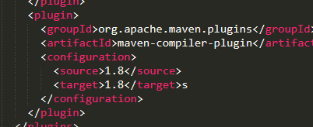

打开控制台，在dubbo_service_consumer目录下执行以下命令开始 编译、打包、部署
mvn clean package -U -Dmaven.test.skip=true tomcat7:redeploy

验证： | http://localhost:8082/dubboserviceconsumer/add

