配置
默认登录密码
admin / admin123

修改下载配置
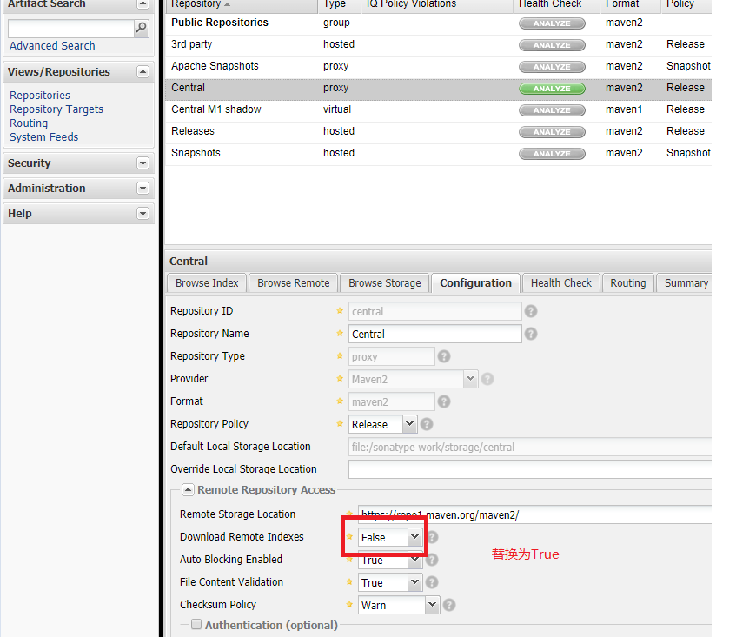

重置Index

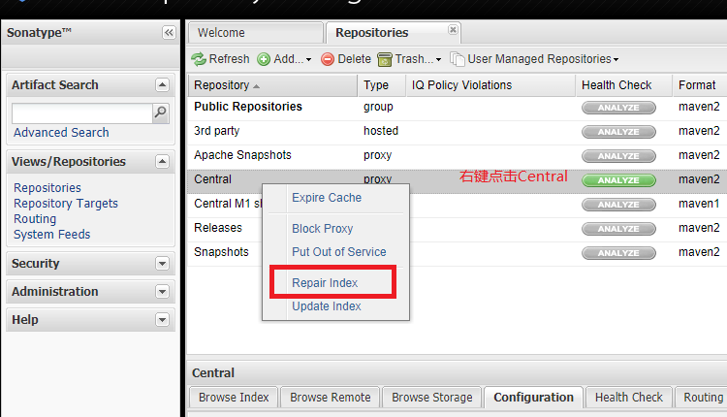

仓库地址

Maven引用
方法一：
pom.xml文件 （项目的）

<repositories>
<repository>
<id>public</id>
<name>public</name>
<url>http://193.112.76.194:8081/nexus/content/groups/public/</url>
<releases>
<enabled>true</enabled>
</releases>
<snapshots>
<enabled>true</enabled>
</snapshots>
</repository>
</repositories>

方法二：
setting文件 （Maven的）

<?xml version="1.0" encoding="UTF-8"?>
<settings xmlns="http://maven.apache.org/SETTINGS/1.0.0"
xmlns:xsi="http://www.w3.org/2001/XMLSchema-instance"
xsi:schemaLocation="http://maven.apache.org/SETTINGS/1.0.0 http://maven.apache.org/xsd/settings-1.0.0.xsd">
<pluginGroups></pluginGroups>
<proxies></proxies>
<servers>
<server>
<id>nexus-releases</id>
<username>admin</username>
<password>admin123</password>
</server>
<server>
<id>nexus-snapshots</id>
<username>admin</username>
<password>admin123</password>
</server>
</servers>
<mirrors>
<mirror>
<id>nexus-releases</id>
<mirrorOf>*</mirrorOf>
<url>http://47.112.142.231:8081/nexus/content/repositories/central/</url>
</mirror>
<mirror>
<id>nexus-snapshots</id>
<mirrorOf>*</mirrorOf>
<url>http://47.112.142.231:8081/nexus/content/groups/public/</url>
</mirror>
</mirrors>
<profiles>
<profile>
<id>nexus</id>
<repositories>
<repository>
<id>nexus-releases</id>
<url>http://nexus-releases</url>
<releases><enabled>true</enabled></releases>
<snapshots><enabled>true</enabled></snapshots>
</repository>
<repository>
<id>nexus-snapshots</id>
<url>http://nexus-snapshots</url>
<releases><enabled>true</enabled></releases>
<snapshots><enabled>true</enabled></snapshots>
</repository>
</repositories>
<pluginRepositories>
<pluginRepository>
<id>nexus-releases</id>
<url>http://nexus-releases</url>
<releases><enabled>true</enabled></releases>
<snapshots><enabled>true</enabled></snapshots>
</pluginRepository>
<pluginRepository>
<id>nexus-snapshots</id>
<url>http://nexus-snapshots</url>
<releases><enabled>true</enabled></releases>
<snapshots><enabled>true</enabled></snapshots>
</pluginRepository>
</pluginRepositories>
</profile>
</profiles>
<activeProfiles>
<activeProfile>nexus</activeProfile>
</activeProfiles>
</settings>

 | 注明账号密码

 | 注明仓库地址
 | 如果有多个mirror则多个镜像都会同时储存

