Docker安装单节点版本
参考资料
https://blog.csdn.net/qq_16563637/article/details/81702633

安装步骤
docker pull sequenceiq/hadoop-docker:2.6.0
docker run -i -t -p 50070:50070 -p 9000:9000 -p 8088:8088 -p 8040:8040 -p 8042:8042 -p 49707:49707 -p 50010:50010 -p 50075:50075 -p 50090:50090 sequenceiq/hadoop-docker:2.6.0 /etc/bootstrap.sh -bash

测试是否安装成功
进入容器
docker exec -it ${CONTAINER ID} /bin/bash

如果已经进入docker 则直接运行（省略上一步）

cd /usr/local/hadoop-2.6.0
bin/hadoop jar share/hadoop/mapreduce/hadoop-mapreduce-examples-2.6.0.jar grep input output 'dfs[a-z.]+'

如果执行mapreduce程序说明安装成功 可以打开浏览器查看 宿主机IP:50070

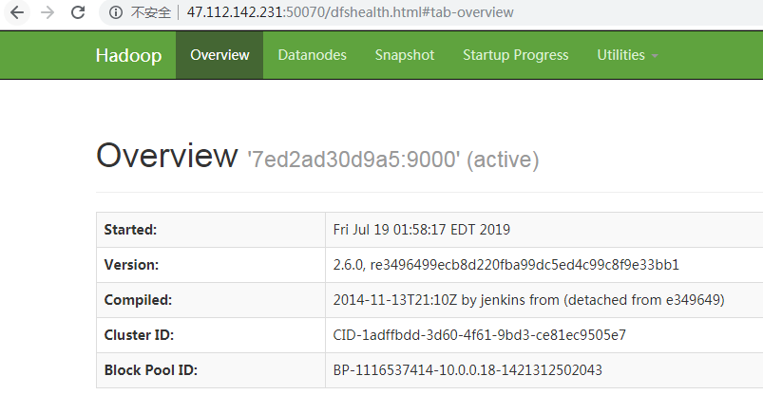

添加配置
vi /etc/profile

在最底部加入下面内容
export HADOOP_HOME="/usr/local/hadoop-2.6.0"
export PATH=$HADOOP_HOME/bin:$HADOOP_HOME/sbin:$PATH

使得配置生效
source /etc/profile

确认是否生效

Docker搭建多节点
参考资料
https://blog.csdn.net/weixin_34184158/article/details/87351820

安装步骤
docker pull bde2020/hadoop-namenode:1.1.0-hadoop2.7.1-java8
docker pull bde2020/hadoop-datanode:1.1.0-hadoop2.7.1-java8
docker pull bde2020/hadoop-resourcemanager:1.1.0-hadoop2.7.1-java8
docker pull bde2020/hadoop-historyserver:1.1.0-hadoop2.7.1-java8
docker pull bde2020/hadoop-nodemanager:1.1.0-hadoop2.7.1-java8

创建 hadoop.env 文件，内容如下：
CORE_CONF_fs_defaultFS=hdfs://namenode:8020
CORE_CONF_hadoop_http_staticuser_user=root
CORE_CONF_hadoop_proxyuser_hue_hosts=*
CORE_CONF_hadoop_proxyuser_hue_groups=*
HDFS_CONF_dfs_webhdfs_enabled=true
HDFS_CONF_dfs_permissions_enabled=false
YARN_CONF_yarn_log___aggregation___enable=true
YARN_CONF_yarn_resourcemanager_recovery_enabled=true
YARN_CONF_yarn_resourcemanager_store_class=org.apache.hadoop.yarn.server.resourcemanager.recovery.FileSystemRMStateStore
YARN_CONF_yarn_resourcemanager_fs_state___store_uri=/rmstate
YARN_CONF_yarn_nodemanager_remote___app___log___dir=/app-logs
YARN_CONF_yarn_log_server_url=http://historyserver:8188/applicationhistory/logs/
YARN_CONF_yarn_timeline___service_enabled=true
YARN_CONF_yarn_timeline___service_generic___application___history_enabled=true
YARN_CONF_yarn_resourcemanager_system___metrics___publisher_enabled=true
YARN_CONF_yarn_resourcemanager_hostname=resourcemanager
YARN_CONF_yarn_timeline___service_hostname=historyserver
YARN_CONF_yarn_resourcemanager_address=resourcemanager:8032
YARN_CONF_yarn_resourcemanager_scheduler_address=resourcemanager:8030
YARN_CONF_yarn_resourcemanager_resource___tracker_address=resourcemanager:8031

创建docker-compose.yml
version: "2"
services:
namenode:
image: bde2020/hadoop-namenode:1.1.0-hadoop2.7.1-java8
container_name: namenode
volumes:
- hadoop_namenode:/hadoop/dfs/name
environment:
- CLUSTER_NAME=test
env_file:
- ./hadoop.env
ports:
- 50070:50070
resourcemanager:
image: bde2020/hadoop-resourcemanager:1.1.0-hadoop2.7.1-java8
container_name: resourcemanager
depends_on:
- namenode
- datanode1
- datanode2
- datanode3
env_file:
- ./hadoop.env
ports:
- 8088:8088
historyserver:
image: bde2020/hadoop-historyserver:1.1.0-hadoop2.7.1-java8
container_name: historyserver
depends_on:
- namenode
- datanode1
- datanode2
- datanode3
volumes:
- hadoop_historyserver:/hadoop/yarn/timeline
env_file:
- ./hadoop.env
ports:
- 8188:8188
nodemanager1:
image: bde2020/hadoop-nodemanager:1.1.0-hadoop2.7.1-java8
container_name: nodemanager1
depends_on:
- namenode
- datanode1
- datanode2
- datanode3
env_file:
- ./hadoop.env
ports:
- 8042:8042
datanode1:
image: bde2020/hadoop-datanode:1.1.0-hadoop2.7.1-java8
container_name: datanode1
depends_on:
- namenode
volumes:
- hadoop_datanode1:/hadoop/dfs/data
env_file:
- ./hadoop.env
ports:
- 50075:50075
datanode2:
image: bde2020/hadoop-datanode:1.1.0-hadoop2.7.1-java8
container_name: datanode2
depends_on:
- namenode
volumes:
- hadoop_datanode2:/hadoop/dfs/data
env_file:
- ./hadoop.env
ports:
- 50076:50075
datanode3:
image: bde2020/hadoop-datanode:1.1.0-hadoop2.7.1-java8
container_name: datanode3
depends_on:
- namenode
volumes:
- hadoop_datanode3:/hadoop/dfs/data
env_file:
- ./hadoop.env
ports:
- 50077:50075
volumes:
hadoop_namenode:
hadoop_datanode1:
hadoop_datanode2:
hadoop_datanode3:
hadoop_historyserver:

启动
sudo docker-compose up

验证
http://{宿主机ip地址}:50070

Wordcount例子
描述
在docker搭建的环境中，利用hadoop-mapreduce-examples-2.6.5.jar 做处理。

步骤
1.将jar包存入容器
docker cp hadoop-mapreduce-examples-2.6.5.jar {datanode container_id}:/

2.创建测试用文件
mkdir /file cd file echo "Hello World" > test1.txt echo "Hello Hadoop" > test2.txt

3.在HDFS上创建输入文件夹
hadoop fs -mkdir /input

4 查看
hadoop fs -ls /

5.执行mapreduce
hadoop jar hadoop-mapreduce-examples-2.6.5.jar wordcount /input /output

6. 查看是否输出
hadoop fs -ls /output

7. 查看结果
hadoop fs -cat /output/part-r-00000

