测试项目
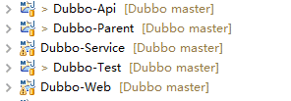
目录结构
父项目
远程接口
业务实现
客户端

