Initial
REPAIR ESTIMATE |  |  |  | MMG AUTOZONE CORP.
Quotation No: | 2605006 |  |  | Blk 14 Lot 14, Road 7, Silcas Village, Binan, Laguna
 |  |  |  | 0917 167 6663; 0917 178 6664
 |  |  |  | info@mmgautozone.com

Customer: | MARY LOU ORANDE |  |  | Date: | 05/12/2026
Address: | ALABANG |  |  | Prepared by: | MARLO GRACILLA
Contact No.: | 0920 968 8933 |  |  | Vehicle: | 2023 TOYOTA AVANZA
Insurance: | - |  |  | Plate no.: | NHRR3229
Reference No.: | - |  |  | Color: | DARK RED METALLIC (3Q3)
Days of Repair: | 10 WORKING DAYS |  |  | Frame: | MHFAA1BY6P0017037

DESCRIPTION |  |  |  |  |  | PARTS | LABOR

PARTS:
HOOD PANEL |  | GENUINE USED |  |  |  | 7,000.00
FRONT BUMPER COVER |  | GENUINE USED |  |  |  | 4,500.00
FRONT BUMPER REINFORCEMENT |  | GENUINE USED |  |  |  | 4,500.00
FRONT BUMPER GRILLE |  | GENUINE USED |  |  |  | 3,800.00
RADIATOR SUPPORT LOWER |  | GENUINE USED |  |  |  | 4,500.00
AIR CLEANER HOUSING |  | GENUINE USED |  |  |  | 6,800.00
LH AIR GUIDE |  | GENUINE USED |  |  |  | 3,000.00
LH HEADLIGHT ASSY |  | GENUINE USED |  |  |  | 11,300.00
RADIATOR |  | REPLACEMENT |  |  |  | 6,000.00
CONDENSER |  | REPLACEMENT |  |  |  | 6,000.00
TOW HOOK COVER |  | GENUINE BRANDNEW |  |  |  | 290.00

SCOPE OF WORK:
BODY WORKS: |  |  |  |  |  |  | 20,000.00
Straighten/ Reform/ Align the following parts:
RADIATOR SUPPORT UPPER
LH RADIATOR STAY
LH HOOD HINGE
RH HOOD HINGE
LH FENDER LINER
RADIATOR GRILLE MOULDING

Remove all parts necessary to give way for repair.

MECHANICAL WORKS: |  |  |  |  |  |  | 1,500.00
Remove and replace RADIATOR ASSY
Perform leak test

AIRCON WORKS: |  |  |  |  |  |  | 2,000.00
Dehydrate/ Recharge Refrigerant
Remove and replace A/C Condenser
Perform leak test
Perform vacuum operation
Check A/C System and Performance

PAINTING (LABOR & SHOP MATERIALS): |  |  |  |  |  |  | 25,500.00
Repaint/ Rubdown/ Simonize all affected panels:
FRONT BUMPER COVER
HOOD PANEL
RADIATOR SUPPORT UPPER
RADIAROR SUPPORT LOWER
LH RADIATOR STAY
RADIATOR GRILLE MOULDING
RH FENDER PANEL (BLEND)
LH FENDER PANEL (BLEND)

 |  |  | **Nothing Follows**

 |  |  |  | Subtotals |  | 57,690.00 | 49,000.00
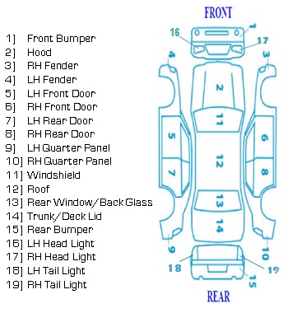

 |  |  |  | ESTIMATE TOTALS
 |  |  |  | TOTAL PARTS |  |  | 57,690.00
 |  |  |  | LABOR/SHOP MATERIALS |  |  | 49,000.00
 |  |  |  | 12% VAT |  |  | -
 |  |  |  | TOTAL |  |  | 106,690.00
 |  |  |  | LESS: | DEDUCTIBLE |  | -
 |  |  |  |  | DEPRECIATION |  | -
 |  |  |  |  | DISCOUNT |  | -
 |  |  |  | NET DUE |  |  | 106,690.00

Notes: | - 6 months warranty against paint application defects. |  |  |  | - Hidden damages are not included.
 | - Prices are subject to change without prior notice. |  |  |  | - This estimate is not valid in court.

Repair
Process:

