Overview
Program |  | Setup Sheet |  | Date
$program.name |  |  |  | $program.generationTime
Comment |  | Overview |  | Part
$program.comment |  |  |  | $program.partName

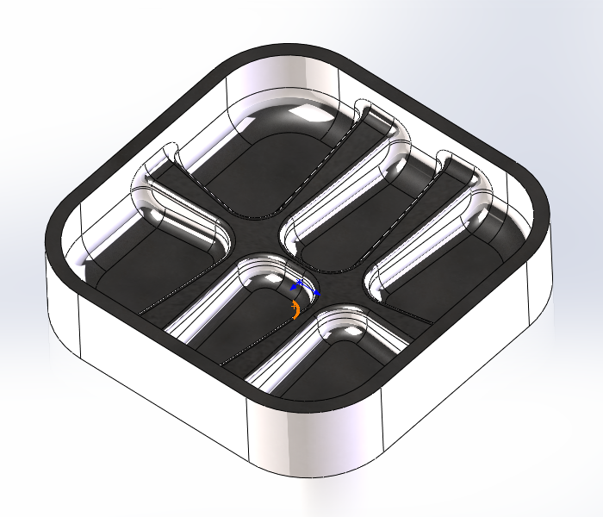
Reference | Job |  | $program.jobDescription
 | Programmer |  | $program.user
Part | DX |  | $program.partDX
 | DY |  | $program.partDY
 | DZ |  | $program.partDZ
Stock | DX |  | #VALUE!
 | DY |  | #VALUE!
 | DZ |  | #VALUE!
 | X min |  | $program.stockLowerX
 | Y min |  | $program.stockLowerY
 | Z min |  | $program.stockLowerZ
 | X max |  | $program.stockUpperX
 | Y max |  | $program.stockUpperY
 | Z max |  | $program.stockUpperZ
Toolpath | WCS # |  | $program.workOffset
 |  | # Operations | $program.numberOfSections
 | # Tools |  | $program.numberOfTools
 | Machining Time |  | $program.cycleTime
 | Feed Distance |  | $program.cuttingDistance
 | Rapid Distance |  | $program.rapidDistance

