Table Description
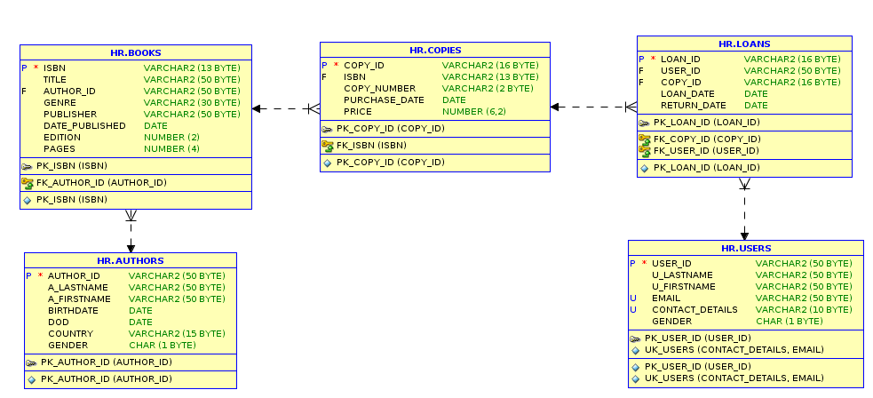
BOOKS
NAME | DATA TYPE | CONSTRAINTS | DEFAULT | COMMENTS
ISBN | VARCHAR2(13 BYTE) | PK_ISBN |  | UNIQUE NUMBER THAT CHARACTERIZES THE BOOK
TITLE | VARCHAR2(50 BYTE) | UPPER |  | TITLE OF THE BOOK
AUTHOR_ID | VARCHAR2(50 BYTE) | FK_ISBN FROM TABLE AUTHORS |  | FOREIGN KEY
GENRE | VARCHAR2(30 BYTE) | UPPER |  | GENRE OF THE BOOK | for | female';
PUBLISHER | VARCHAR2(50 BYTE) | UPPER |  | PUBLISHER OF THE BOOK
DATE_PUBLISHED | DATE |  |  | DATE THAT BOOK PUBLISHED
EDITION | NUMBER(2,0) |  |  | EDITION OF THE BOOK
PAGES | NUMBER(4,0) | PAGES>0 |  | PAGES OF THE BOOK

AUTHORS
NAME | DATA | CONSTRAINTS | DEFAULT | COMMENTS
AUTHOR_ID | VARCHAR2(50 BYTE) | PK_AUTHOR_ID, SEQUENCE |  | AUTO INCREMENT UNIQUE NUMBER
A_LASTNAME | VARCHAR2(50 BYTE) | UPPER |  | LAST NAME OF THE AUTHOR
A_FIRSTNAME | VARCHAR2(50 BYTE) | UPPER |  | FIRST NAME OF THE AUTHOR
BIRTHDATE | DATE |  |  | DATE BORN
DOD | DATE |  |  | DATE OF DEATH (WHEN IS APPLICABLE)
COUNTRY | VARCHAR2(15 BYTE) | UPPER |  | COUNTRY OF THE AUTHOR
GENDER | CHAR(1 BYTE) | CHECK IN ('M', 'F, 'O')

COPIES
NAME | DATA TYPE | CONSTRAINTS | DEFAULT | COMMENTS
COPY_ID | VARCHAR2(16 BYTE) | PK_COPY_ID, SEQUENCE |  | CONCATENATION OF ISBN AND COPY NUMBER
ISBN | VARCHAR2(13 BYTE) | FK_ISBN FROM TABLE BOOKS |  | UNIQUE KEY THAT SPECIFIES THE BOOK
COPY_NUMBER | VARCHAR2(2 BYTE) |  |  | THE NUMBER OF THE COPY
PURCHASE_DATE | DATE |  |  | DATE OF PURCHASE OF THE COPY
PRICE | NUMBER(6,2) | PRICE>0 |  | PRICE BASED ON EACH COPY

LOANS
NAME | DATA TYPE | CONSTRAINTS | DEFAULT | COMMENTS
LOAN_ID | VARCHAR2(16 BYTE) | PK_LOAN_ID, SEQUENCE |  | AUTO INCREMENT UNIQUE NUMBER
USER_ID | VARCHAR2(50 BYTE) | FK_USER_ID FROM TABLE USERS |  | FOREIGN KEY
COPY_ID | VARCHAR2(16 BYTE) | FK_COPY_ID FROM TABLE COPIES |  | FOREIGN KEY
LOAN_DATE | DATE |  |  | DATE THAT THE USER LOANED THE COPY
RETURN_DATE | DATE |  |  | DATE THAT THE USER RETURNED THE COPY

USERS
NAME | DATA | CONSTRAINTS | DEFAULT | COMMENTS
USER_ID | VARCHAR2(50 BYTE) | PK_USER_ID, UNIQUE, NOT NULL |  | AUTO INCREMENT UNIQUE NUMBER
U_LASTNAME | VARCHAR2(50 BYTE) | UPPER |  | LAST NAME OF THE USER
U_FIRSTNAME | VARCHAR2(50 BYTE) | UPPER |  | FIRST NAME OF THE USER
EMAIL | VARCHAR2(50 BYTE) | UNIQUE, UPPER |  | EMAIL OF THE USER
CONTACT_DETAILS | VARCHAR2(10 BYTE) | UNIQUE |  | CONTACT NUMBER OF THE USER
GENDER | CHAR(1 BYTE) | CHECK IN ('M', 'F, 'O')

