Calcs
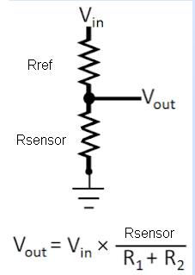
Vref 3V
Vdd | 3.3 | V
Vref 3V | 3 | V
Rstab | 220 | Ohm
I | 1.3636363636
P | 0.00040909090909 | W

Sensors

Vin | 3.31 | V
Rref | 2000 | Ohm
Rsensor | 1200 | Ohm
Vout | 1.24 | V | 2.4825
I

 | Ref | min | max | Imin | Imax | vmin | vmax | vmin mV | vmax mV | Pmax (W) | Rmin | Rmax
Temp | 2000 | 20 | 2500 | 1.64 | 0.74 | 0.03 | 1.84 | 33 | 1839 | 0.002 | 2020 | 4500 | 0.0009900990099 | 1010
Pressure | 465 | 8 | 200 | 7.00 | 4.98 | 0.06 | 1.00 | 56 | 995 | 0.016 | 473 | 665 | 0.0042283298097 | 236.5 | 0.0052184288196 | 191.62855997

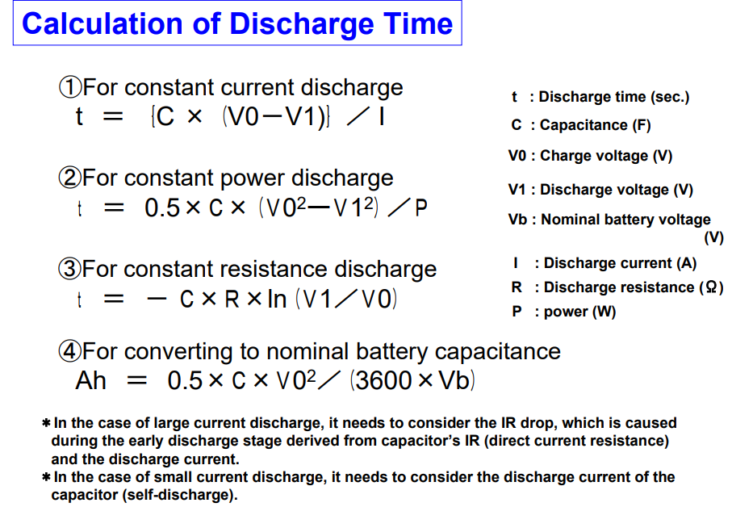
Vsensor | 162 | mV |  | Capacitor discharge speed
Vref | 3148 | mV |  | uF | ohm | v1 | v0 | t | tms | tus
Rref | 2000 | Ohm |  | 470 | 500 | 3.3 | 3.31
I | 1.574 | mA |  | 0.00047 | 500 | 3.3 | 3.31 | -7.11E-04 | -0.71104441539 | -711.04441539
Rsensor | 103 | Ohm
Tsensor | 100.3 | degC
Press | 2.7 | bar

IR Rotor Temp Sensor
I_mA | Rref_Ohm | mV
4 | 47 | 188
20 | 47 | 940

Pinouts
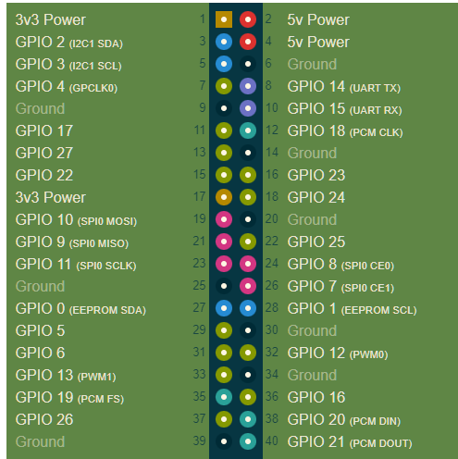
SU-KD Connector |  |  |  |  | pinout |  |  | SU 3.3V | 1 | ORG | RED | 2 | FAN 5V
GND |  |  |  | Black | 6 |  |  | SU I2C Data | 3 | WHT | RED | 4 | SU 5V
5V | Power |  |  | red | 4 |  |  | SU I2C CLK | 5 | YLL | BLK | 6 | SU GND
3.3V | Power |  |  | orange | 1 |  |  | CAN CTRL SW | 7 | BLU | GRY | 8 | SU UART_TX
Global_En | Remote_On |  |  | violet | Global_En |  |  | FAN GND | 9 | BLK | BRO | 10 | SU UART_RX
GPIO2 | I2C1 | Data |  | white | 3 |  |  | FAN Fan | 11 | YLL |  | 12
GPIO3 | I2C1 | Clock |  | yellow |  |  |  | FAN Buzzer | 13 | GRN | BLK | 14 | RESET BTN
GPIO0 | I2C0 | Data | Alternate I2C | blue |  |  |  | SU IGN IN | 15 | GRN |  | 16
GPIO1 | I2C0 | Clock | Alternate I2C | green |  |  |  |  | 17 |  |  | 18
GPIO14 | UART_TX |  |  | grey |  |  |  |  | 19 |  |  | 20
GPIO15 | UART_RX |  |  | brown |  |  |  |  | 21 |  |  | 22
 |  |  |  |  |  |  |  |  | 23 |  |  | 24
 |  |  |  |  |  |  |  |  | 25 |  |  | 26
 |  |  |  |  |  |  |  | SU I2C0 DATA | 27 |  |  | 28 | SU I2C0 CLK
 |  |  |  |  |  |  |  |  | 29 |  |  | 30
Power Connector |  |  |  | Sensor | Channel | cable color |  |  | 31 |  |  | 32
Red/black | 12V In |  |  | transTemp | 0x0 | Green |  |  | 33 |  |  | 34
Black | GND |  |  | diffTemp | 0x1 | Grey |  |  | 35 |  |  | 36
Red | 5V out |  |  | Oil Temp | 0x2 | violet |  |  | 37 |  |  | 38
Grey | Rpi Start |  |  | Oil Press | 0x3 | Blue |  |  | 39 |  |  | 40
Green | Ign ON
Blue | GND switched on Ign |  |  | RotorTemp | 1x1 | WHT(+) | BRO(-)

 |  |  |  | 3.3V RefV | 1x3
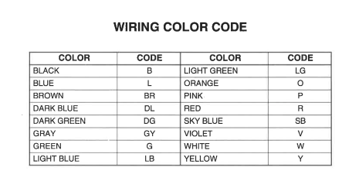

 |  |  |  |  | I2C Addresses
 |  |  |  |  | CANBUS controller | 0x25
 |  |  |  |  | Accelerometer | 0x68
 |  |  |  |  | ADC0 | 0x6a
 |  |  |  |  | ADC1 | 0x6c

Temp
 |  | A | B | C
 |  | 276.3 | -39.95 | 0.09136
Ohm | C
30 | 144.0 | 144.0 | 1.2 | 145.2 | 0.00 | 62
50 | 125.5 | 125.5 | 1.2 | 126.6 | 0.00 | 52
80 | 108.9 | 108.9 | 1.2 | 110.1 | 0.00 | 43
110 | 98.0 | 98.0 | 1.2 | 99.2 | 0.00 | 37
140 | 91.1 | 89.9 | 1.2 | 91.1 | 0.00 | 91.1
152 | 87.8 | 87.2 | 1.2 | 88.4 | 0.37 | 87.8
165 | 85.6 | 84.5 | 1.2 | 85.7 | 0.02 | 85.6
180 | 83.3 | 81.6 | 1.2 | 82.9 | 0.22 | 83.3
195 | 81.1 | 79.0 | 1.3 | 80.3 | 0.68 | 81.1
205 | 78.9 | 77.4 | 1.3 | 78.7 | 0.04 | 78.9
216 | 76.7 | 75.7 | 1.3 | 77.0 | 0.13 | 76.7
226 | 75.6 | 74.3 | 1.3 | 75.6 | 0.00 | 75.6
230 | 75.0 | 73.7 | 1.3 | 75.0 | 0.00 | 75.0
239 | 73.3 | 72.5 | 1.3 | 73.8 | 0.26 | 73.3
252 | 72.2 | 70.8 | 1.35 | 72.2 | 0.00 | 72.2
261 | 71.1 | 69.7 | 1.37 | 71.1 | 0.00 | 71.1
280 | 68.9 | 67.5 | 1.38 | 68.9 | 0.00 | 68.9
300 | 66.7 | 65.4 | 1.40 | 66.8 | 0.01 | 66.7
312 | 65.6 | 64.2 | 1.41 | 65.6 | 0.00 | 65.6
323 | 64.4 | 63.1 | 1.43 | 64.5 | 0.00 | 64.4
342 | 62.8 | 61.3 | 1.44 | 62.8 | 0.00 | 62.8
377 | 60.0 | 58.4 | 1.46 | 59.8 | 0.03 | 60.0
439 | 55.6 | 53.8 | 1.47 | 55.3 | 0.09 | 55.6
480 | 52.8 | 51.1 | 1.49 | 52.6 | 0.02 | 52.8
499 | 51.7 | 50.0 | 1.50 | 51.5 | 0.03 | 51.7
518 | 50.6 | 48.9 | 1.52 | 50.4 | 0.02 | 50.6
528 | 50.0 | 48.3 | 1.53 | 49.9 | 0.02 | 50.0
573 | 47.8 | 46.0 | 1.55 | 47.5 | 0.07 | 47.8
594 | 46.7 | 44.9 | 1.56 | 46.5 | 0.03 | 46.7
611 | 45.6 | 44.1 | 1.58 | 45.7 | 0.02 | 45.6
666 | 42.8 | 41.7 | 1.59 | 43.2 | 0.22 | 42.8
737 | 40.0 | 38.8 | 1.61 | 40.4 | 0.17 | 40.0
802 | 37.8 | 36.4 | 1.62 | 38.1 | 0.09 | 37.8
837 | 36.7 | 35.3 | 1.64 | 36.9 | 0.06 | 36.7
874 | 35.6 | 34.1 | 1.65 | 35.7 | 0.03 | 35.6
931 | 33.9 | 32.4 | 1.67 | 34.0 | 0.02 | 33.9
973 | 32.8 | 31.2 | 1.68 | 32.8 | 0.00 | 32.8
1020 | 31.7 | 29.9 | 1.70 | 31.6 | 0.01 | 31.7
1108 | 29.4 | 27.7 | 1.71 | 29.4 | 0.00 | 29.4
1170 | 28.3 | 26.3 | 1.73 | 28.0 | 0.12 | 28.3
1303 | 25.6 | 23.4 | 1.74 | 25.2 | 0.13 | 25.6
1395 | 23.3 | 21.7 | 1.76 | 23.4 | 0.01 | 23.3
1600 | 18 | 18.2 | 1.77 | 20.0 | 0.00 | -8
1800 | 15 | 15.3 | 1.79 | 17.1 | 0.00 | -9 |  |  |  |  | 57 | 59
2500 | 7 | 7.5 | 1.80 | 9.3 | 0.00 | -14 |  |  |  |  | 42 | 45
 |  |  |  |  |  |  |  |  |  |  | 30 | 32
 |  |  | -0.015 |  | 3 |  |  |  |  | 21 | 22
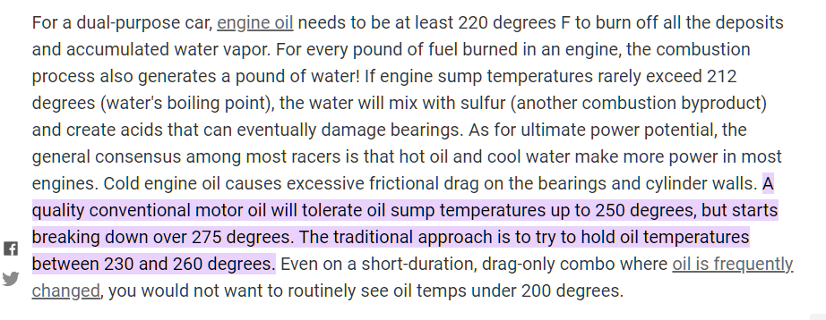
 |  |  |  |  |  |  | Oil Temp warnings | deg C |  | 9 | 10
 |  |  |  |  |  |  | Notify_Low | 100 | 212 | 7 | 8
 |  |  |  |  |  |  | Warning_High | 125 | 257 | 5 | 6
 |  |  |  |  |  |  | Alert_High | 135 | 275

 |  |  |  |  |  |  | Warning_High | 135 | 275

Pressure
PsiToBar |  |  | A | B | C
0.0689476 |  |  | -0.2967 | 0.02529 | 0.0000350
 |  |  |  |  |  | 0.002
Ohm | bar |  |  |  | psi
11.0 | 0.00 | 0.0 | 0.0 |  | 0.00 | 0 | 0.0 | 0.000
21.0 | 0.28 | 0.2 | 0.0 |  | 4.00 | 0.002 | 0.3 | 0.001
24.9 | 0.34 | 0.4 | 0.0 |  | 5.00 | 0.004 | 0.4 | 0.000
31.8 | 0.55 | 0.5 | 0.0 |  | 8.00 | 0.006 | 0.5 | 0.000
38.8 | 0.76 | 0.7 | 0.0 |  | 11.00 | 0.008 | 0.7 | 0.000
45.8 | 0.90 | 0.9 | 0.0 |  | 13.00 | 0.01 | 0.9 | 0.002
50.4 | 1.03 | 1.1 | 0.0 |  | 15.00 | 0.012 | 1.1 | 0.002
55.0 | 1.17 | 1.2 | 0.0 |  | 17.00 | 0.014 | 1.2 | 0.002
57.4 | 1.31 | 1.3 | 0.0 |  | 19.00 | 0.016 | 1.3 | 0.001
64.4 | 1.52 | 1.5 | 0.0 |  | 22.00 | 0.018 | 1.5 | 0.000
69.0 | 1.65 | 1.6 | 0.0 |  | 24.00 | 0.02 | 1.6 | 0.000
78.3 | 1.93 | 1.9 | 0.0 |  | 28.00 | 0.022 | 1.9 | 0.000
82.9 | 2.07 | 2.0 | 0.0 |  | 30.00 | 0.024 | 2.1 | 0.000
87.5 | 2.28 | 2.2 | 0.0 |  | 33.00 | 0.026 | 2.2 | 0.004
94.5 | 2.41 | 2.4 | 0.0 |  | 35.00 | 0.028 | 2.4 | 0.000
96.8 | 2.48 | 2.5 | 0.0 |  | 36.00 | 0.03 | 2.5 | 0.001
103.7 | 2.76 | 2.7 | 0.0 |  | 40.00 | 0.032 | 2.7 | 0.001
108.4 | 2.90 | 2.9 | 0.0 |  | 42.00 | 0.034 | 2.9 | 0.000
113.0 | 3.03 | 3.0 | 0.0 |  | 44.00 | 0.036 | 3.0 | 0.000
117.7 | 3.17 | 3.2 | 0.0 |  | 46.00 | 0.038 | 3.2 | 0.001
119.0 | 3.24 | 3.2 | 0.0 |  | 47.00 | 0.04 | 3.2 | 0.000
124.6 | 3.45 | 3.4 | 0.0 |  | 50.00 | 0.042 | 3.4 | 0.000
129.2 | 3.59 | 3.6 | 0.0 |  | 52.00 | 0.044 | 3.6 | 0.000
129.2 | 3.59 | 3.6 | 0.0 |  | 52.00 | 0.046 | 3.6 | 0.000
131.5 | 3.72 | 3.6 | 0.0 |  | 54.00 | 0.048 | 3.7 | 0.002
133.8 | 3.79 | 3.7 | 0.0 |  | 55.00 | 0.05 | 3.8 | 0.001
138.5 | 3.93 | 3.9 | 0.0 |  | 57.00 | 0.052 | 3.9 | 0.000
145.4 | 4.14 | 4.1 | 0.0 |  | 60.00 | 0.054 | 4.2 | 0.001
147.8 | 4.27 | 4.2 | 0.0 |  | 62.00 | 0.056 | 4.3 | 0.000
180 |  | 5.4 |  |  | 0.00

 |  |  | 0.1 |  |  |  |  | 0.0

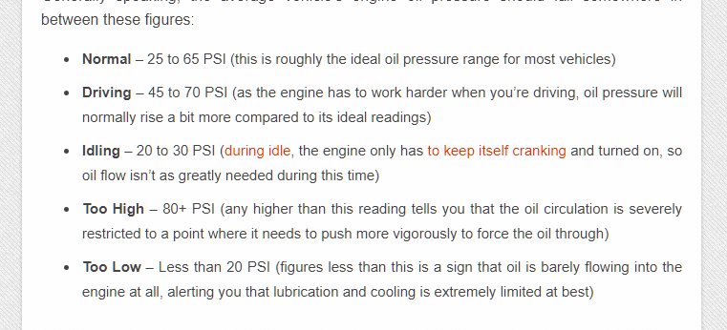
 |  |  |  |  |  |  | bar | psi
 |  |  |  |  |  | Alert_High | 5.5 | 80
 |  |  |  |  |  | Warning_High | 5.0 | 73
 |  |  |  |  |  | Warning_Low | 1.3 | 19
 |  |  |  |  |  | Alert_Low | 0.8 | 12

RotorTemp
 |  |  | mA | degC
V+ | 12 | V | 4 | 0
Imin | 4 | mA | 5 | 62.5
Imax | 20 | mA | 6 | 125
Rref | 47 | Ohm | 7 | 187.5
 |  |  | 8 | 250
V-min | 0.188 |  | 9 | 312.5
V-max | 0.94 |  | 10 | 375
VtotalMin | 11.06 |  | 11 | 437.5
VtotalMax | 11.812 |  | 12 | 500
 |  |  | 13 | 562.5
 |  |  | 14 | 625
 |  |  | 15 | 687.5
A | -250 |  | 16 | 750
B | 62.5 |  | 17 | 812.5
 |  |  | 18 | 875
 |  |  | 19 | 937.5
 |  |  | 20 | 1000

