Calcs
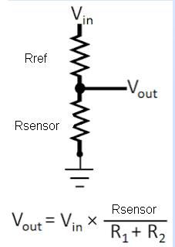
Vref 3V
Vdd | 3.3 | V
Vref 3V | 3 | V
Rstab | 220 | Ohm
I | 1.3636363636
P | 0.00040909090909 | W

Sensors

Vin | 3.3 | V
Rref | 20000 | Ohm
Rsensor | 124 | Ohm
Vout | 20.3 | mV | 40.667859273
I

 | Ref | min | max | Imin mA | Imax mA | vmin V | vmax V | vmin mV | vmax mV | Pmax (W) | Rmin | Rmax
Temp | 2000 | 20 | 2500 | 1.63 | 0.73 | 0.03 | 1.83 | 33 | 1833 | 0.002 | 2020 | 4500 | 0.0009900990099 | 1010
Pressure | 465 | 8 | 200 | 6.98 | 4.96 | 0.06 | 0.99 | 56 | 992 | 0.016 | 473 | 665 | 0.0042283298097 | 236.5 | 0.0052184288196 | 191.62855997
Brake Caliper T | 20000 | 122 | 32000 | 0.16 | 0.06 | 0.02 | 2.03 | 20 | 2031 | 0.000 | 20122 | 52000 | 9.939369844E-05 | 10061

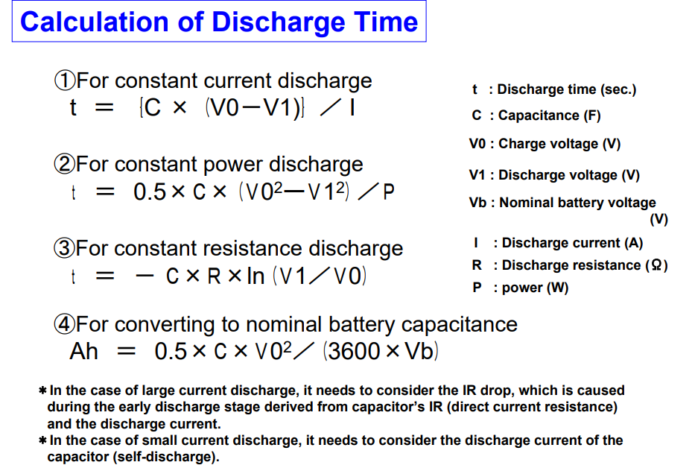
Vsensor | 162 | mV |  | Capacitor discharge speed
Vref | 3138 | mV |  | uF | ohm | v1 | v0 | t | tms | tus
Rref | 2000 | Ohm |  | 470 | 500 | 3.3 | 3.31
I | 1.569 | mA |  | 0.00047 | 500 | 3.3 | 3.31 | -7.11E-04 | -0.71104441539 | -711.04441539
Rsensor | 103 | Ohm
Tsensor | 100.1 | degC
Press | 2.7 | bar

IR Rotor Temp Sensor
I_mA | Rref_Ohm | mV
4 | 47 | 188
20 | 47 | 940

Pinouts
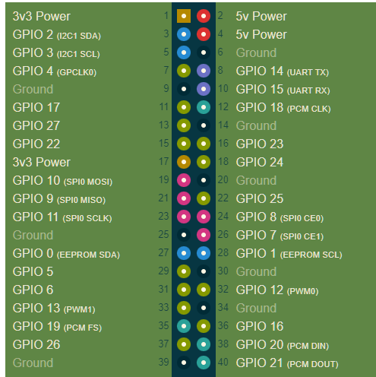
SU-KD Connector |  |  |  |  | pinout |  | SU 3.3V | 1 | ORG | RED | 2 | FAN 5V
GND |  |  |  | Black | 6 |  | SU I2C Data | 3 | WHT | RED | 4 | SU 5V
5V | Power |  |  | red | 4 |  | SU I2C CLK | 5 | YLL | BLK | 6 | SU GND
3.3V | Power |  |  | orange | 1 |  | CAN CTRL SW | 7 | BLU |  | 8
Global_En | Remote_On | Global_EN |  | violet | global_en |  | FAN GND | 9 | BLK |  | 10
GPIO2 | I2C1 | Data |  | white | 3 |  | FAN Fan | 11 | YLL |  | 12
GPIO3 | I2C1 | Clock |  | yellow | 5 |  | FAN Buzzer | 13 | GRN | BLK | 14 | RESET BTN
 | CAN ctrl sw |  |  | blue | 7 |  | SU IGN IN | 15 | GRN | BRO | 16 | TRANS PUMP
 | IGN in |  |  | green | 15 |  |  | 17 |  |  | 18
 | unused |  |  | grey | N/C |  |  | 19 |  |  | 20
 | unused |  |  | brown | N/C |  |  | 21 |  |  | 22
 |  |  |  |  |  |  |  | 23 |  |  | 24
 |  |  |  |  |  |  |  | 25 |  |  | 26
 |  |  |  |  |  |  |  | 27 |  |  | 28
 |  |  |  |  |  | sensor connector 1 |  | 29 |  |  | 30
Power Connector |  |  |  | Sensor | ADC Channel | cable color |  | 31 |  |  | 32
Red/black | 12V In |  |  | transTemp | 0x0 | Green |  | 33 |  |  | 34
Black | GND |  |  | diffTemp | 0x1 | Grey |  | 35 |  |  | 36
Red | 5V out |  |  | Oil Temp | 0x2 | violet |  | 37 |  |  | 38
Grey | Rpi Start |  |  | Oil Press | 0x3 | Blue |  | 39 |  |  | 40
Green | Ign ON
Blue | GND switched on Ign |  |  | RotorTemp 1 | 1x1 | WHT(+)
 |  |  |  | RotorTemp Power |  | BRO(-)
 |  |  |  | 3.3V RefV | 1x3
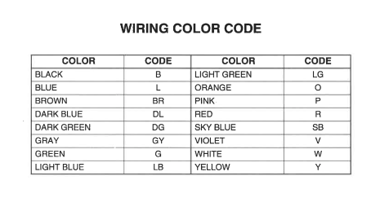

sensor connector 2
Sensor | ADC Channel | cable color | notes |  | I2C Addresses
caliper temp | 1x2 | white |  |  | CANBUS controller | 0x25
trans pump |  | brown | 5V to on |  | Accelerometer | 0x68
 |  | Red |  |  | ADC0 | 0x6a
ground |  | Black |  |  | ADC1 | 0x6c

Temp
 |  | A | B | C
 |  | 276.3 | -39.95 | 0.09136
Ohm | C
30 | 144.0 | 144.0 | 1.2 | 145.2 | 0.00 | 62
50 | 125.5 | 125.5 | 1.2 | 126.6 | 0.00 | 52
80 | 108.9 | 108.9 | 1.2 | 110.1 | 0.00 | 43
110 | 98.0 | 98.0 | 1.2 | 99.2 | 0.00 | 37
140 | 91.1 | 89.9 | 1.2 | 91.1 | 0.00 | 91.1
152 | 87.8 | 87.2 | 1.2 | 88.4 | 0.37 | 87.8
165 | 85.6 | 84.5 | 1.2 | 85.7 | 0.02 | 85.6
180 | 83.3 | 81.6 | 1.2 | 82.9 | 0.22 | 83.3
195 | 81.1 | 79.0 | 1.3 | 80.3 | 0.68 | 81.1
205 | 78.9 | 77.4 | 1.3 | 78.7 | 0.04 | 78.9
216 | 76.7 | 75.7 | 1.3 | 77.0 | 0.13 | 76.7
226 | 75.6 | 74.3 | 1.3 | 75.6 | 0.00 | 75.6
230 | 75.0 | 73.7 | 1.3 | 75.0 | 0.00 | 75.0
239 | 73.3 | 72.5 | 1.3 | 73.8 | 0.26 | 73.3
252 | 72.2 | 70.8 | 1.35 | 72.2 | 0.00 | 72.2
261 | 71.1 | 69.7 | 1.37 | 71.1 | 0.00 | 71.1
280 | 68.9 | 67.5 | 1.38 | 68.9 | 0.00 | 68.9
300 | 66.7 | 65.4 | 1.40 | 66.8 | 0.01 | 66.7
312 | 65.6 | 64.2 | 1.41 | 65.6 | 0.00 | 65.6
323 | 64.4 | 63.1 | 1.43 | 64.5 | 0.00 | 64.4
342 | 62.8 | 61.3 | 1.44 | 62.8 | 0.00 | 62.8
377 | 60.0 | 58.4 | 1.46 | 59.8 | 0.03 | 60.0
439 | 55.6 | 53.8 | 1.47 | 55.3 | 0.09 | 55.6
480 | 52.8 | 51.1 | 1.49 | 52.6 | 0.02 | 52.8
499 | 51.7 | 50.0 | 1.50 | 51.5 | 0.03 | 51.7
518 | 50.6 | 48.9 | 1.52 | 50.4 | 0.02 | 50.6
528 | 50.0 | 48.3 | 1.53 | 49.9 | 0.02 | 50.0
573 | 47.8 | 46.0 | 1.55 | 47.5 | 0.07 | 47.8
594 | 46.7 | 44.9 | 1.56 | 46.5 | 0.03 | 46.7
611 | 45.6 | 44.1 | 1.58 | 45.7 | 0.02 | 45.6
666 | 42.8 | 41.7 | 1.59 | 43.2 | 0.22 | 42.8
737 | 40.0 | 38.8 | 1.61 | 40.4 | 0.17 | 40.0
802 | 37.8 | 36.4 | 1.62 | 38.1 | 0.09 | 37.8
837 | 36.7 | 35.3 | 1.64 | 36.9 | 0.06 | 36.7
874 | 35.6 | 34.1 | 1.65 | 35.7 | 0.03 | 35.6
931 | 33.9 | 32.4 | 1.67 | 34.0 | 0.02 | 33.9
973 | 32.8 | 31.2 | 1.68 | 32.8 | 0.00 | 32.8
1020 | 31.7 | 29.9 | 1.70 | 31.6 | 0.01 | 31.7
1108 | 29.4 | 27.7 | 1.71 | 29.4 | 0.00 | 29.4
1170 | 28.3 | 26.3 | 1.73 | 28.0 | 0.12 | 28.3
1303 | 25.6 | 23.4 | 1.74 | 25.2 | 0.13 | 25.6
1395 | 23.3 | 21.7 | 1.76 | 23.4 | 0.01 | 23.3
1600 | 18 | 18.2 | 1.77 | 20.0 | 0.00 | -8
1800 | 15 | 15.3 | 1.79 | 17.1 | 0.00 | -9 |  |  |  |  | 57 | 59
2500 | 7 | 7.5 | 1.80 | 9.3 | 0.00 | -14 |  |  |  |  | 42 | 45
 |  |  |  |  |  |  |  |  |  |  | 30 | 32
 |  |  | -0.015 |  | 3 |  |  |  |  | 21 | 22
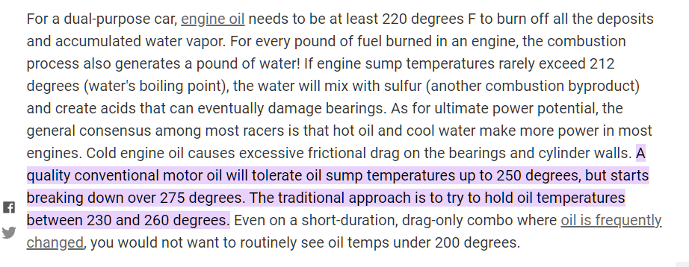
 |  |  |  |  |  |  | Oil Temp warnings | deg C |  | 9 | 10
 |  |  |  |  |  |  | Notify_Low | 100 | 212 | 7 | 8
 |  |  |  |  |  |  | Warning_High | 125 | 257 | 5 | 6
 |  |  |  |  |  |  | Alert_High | 135 | 275

 |  |  |  |  |  |  | Warning_High | 135 | 275

Pressure
PsiToBar |  |  | A | B | C
0.0689476 |  |  | -0.2967 | 0.02529 | 0.0000350
 |  |  |  |  |  | 0.002
Ohm | bar |  |  |  | psi
11.0 | 0.00 | 0.0 | 0.0 |  | 0.00 | 0 | 0.0 | 0.000
21.0 | 0.28 | 0.2 | 0.0 |  | 4.00 | 0.002 | 0.3 | 0.001
24.9 | 0.34 | 0.4 | 0.0 |  | 5.00 | 0.004 | 0.4 | 0.000
31.8 | 0.55 | 0.5 | 0.0 |  | 8.00 | 0.006 | 0.5 | 0.000
38.8 | 0.76 | 0.7 | 0.0 |  | 11.00 | 0.008 | 0.7 | 0.000
45.8 | 0.90 | 0.9 | 0.0 |  | 13.00 | 0.01 | 0.9 | 0.002
50.4 | 1.03 | 1.1 | 0.0 |  | 15.00 | 0.012 | 1.1 | 0.002
55.0 | 1.17 | 1.2 | 0.0 |  | 17.00 | 0.014 | 1.2 | 0.002
57.4 | 1.31 | 1.3 | 0.0 |  | 19.00 | 0.016 | 1.3 | 0.001
64.4 | 1.52 | 1.5 | 0.0 |  | 22.00 | 0.018 | 1.5 | 0.000
69.0 | 1.65 | 1.6 | 0.0 |  | 24.00 | 0.02 | 1.6 | 0.000
78.3 | 1.93 | 1.9 | 0.0 |  | 28.00 | 0.022 | 1.9 | 0.000
82.9 | 2.07 | 2.0 | 0.0 |  | 30.00 | 0.024 | 2.1 | 0.000
87.5 | 2.28 | 2.2 | 0.0 |  | 33.00 | 0.026 | 2.2 | 0.004
94.5 | 2.41 | 2.4 | 0.0 |  | 35.00 | 0.028 | 2.4 | 0.000
96.8 | 2.48 | 2.5 | 0.0 |  | 36.00 | 0.03 | 2.5 | 0.001
103.7 | 2.76 | 2.7 | 0.0 |  | 40.00 | 0.032 | 2.7 | 0.001
108.4 | 2.90 | 2.9 | 0.0 |  | 42.00 | 0.034 | 2.9 | 0.000
113.0 | 3.03 | 3.0 | 0.0 |  | 44.00 | 0.036 | 3.0 | 0.000
117.7 | 3.17 | 3.2 | 0.0 |  | 46.00 | 0.038 | 3.2 | 0.001
119.0 | 3.24 | 3.2 | 0.0 |  | 47.00 | 0.04 | 3.2 | 0.000
124.6 | 3.45 | 3.4 | 0.0 |  | 50.00 | 0.042 | 3.4 | 0.000
129.2 | 3.59 | 3.6 | 0.0 |  | 52.00 | 0.044 | 3.6 | 0.000
129.2 | 3.59 | 3.6 | 0.0 |  | 52.00 | 0.046 | 3.6 | 0.000
131.5 | 3.72 | 3.6 | 0.0 |  | 54.00 | 0.048 | 3.7 | 0.002
133.8 | 3.79 | 3.7 | 0.0 |  | 55.00 | 0.05 | 3.8 | 0.001
138.5 | 3.93 | 3.9 | 0.0 |  | 57.00 | 0.052 | 3.9 | 0.000
145.4 | 4.14 | 4.1 | 0.0 |  | 60.00 | 0.054 | 4.2 | 0.001
147.8 | 4.27 | 4.2 | 0.0 |  | 62.00 | 0.056 | 4.3 | 0.000
180 |  | 5.4 |  |  | 0.00
200 |  | 6.2 |  |  | 0.00
 |  |  |  |  |  |  |  | 0.0
 |  |  | 0.1
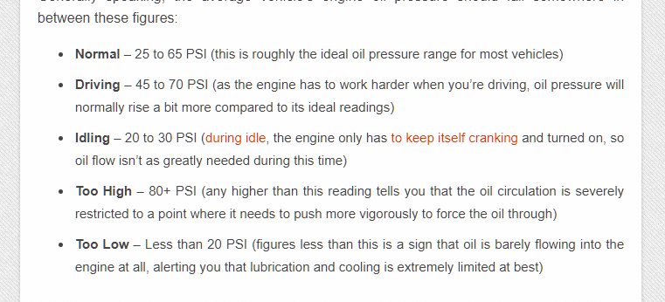
 |  |  |  |  |  |  | bar | psi
 |  |  |  |  |  | Alert_High | 6 | 87
 |  |  |  |  |  | Warning_High | 5.5 | 80
 |  |  |  |  |  | Warning_Low | 1.3 | 19
 |  |  |  |  |  | Alert_Low | 0.8 | 12

RotorTemp
 |  |  | mA | degC
V+ | 12 | V | 4 | 0
Imin | 4 | mA | 5 | 62.5
Imax | 20 | mA | 6 | 125
Rref | 47 | Ohm | 7 | 187.5
 |  |  | 8 | 250
V-min | 0.188 |  | 9 | 312.5
V-max | 0.94 |  | 10 | 375
VtotalMin | 11.06 |  | 11 | 437.5
VtotalMax | 11.812 |  | 12 | 500
 |  |  | 13 | 562.5
 |  |  | 14 | 625
 |  |  | 15 | 687.5
A | -250 |  | 16 | 750
B | 62.5 |  | 17 | 812.5
 |  |  | 18 | 875
t-min | 50 |  | 19 | 937.5
t-max | 1000 |  | 20 | 1000
i-min mA | 4.8
i-max mA | 20.0
v-min | 0.226
v-max | 0.940

CaliperTemp_NTC100K3950
A | B | C | C
761.89 | -137.70 | 9.5068 | -0.27223

 | NTC Spec Sheet | Equation
32,206 | 53 | 52
31,075 | 54 | 53
29,990 | 55 | 54
28,905 | 56 | 55
27,866 | 57 | 57
26,870 | 58 | 58
25,915 | 59 | 59
25,000 | 60 | 60
24,110 | 61 | 61
23,257 | 62 | 62
22,438 | 63 | 63
21,653 | 64 | 64
20,900 | 65 | 65
20,174 | 66 | 66
19,477 | 67 | 67
18,809 | 68 | 68
18,167 | 69 | 69
17,550 | 70 | 70
16,946 | 71 | 71
16,366 | 72 | 72
15,809 | 73 | 73
15,274 | 74 | 74
14,760 | 75 | 75
14,281 | 76 | 76
13,821 | 77 | 77
13,377 | 78 | 78
12,951 | 79 | 79
12,540 | 80 | 80
12,135 | 81 | 81
11,745 | 82 | 82
11,369 | 83 | 83
11,008 | 84 | 84
10,660 | 85 | 85
10,324 | 86 | 86
10,001 | 87 | 87
9,690 | 88 | 88
9,389 | 89 | 89
9,100 | 90 | 90
8,817 | 91 | 91
8,544 | 92 | 92
8,282 | 93 | 93
8,028 | 94 | 94
7,784 | 95 | 96
7,554 | 96 | 97
7,332 | 97 | 97
7,117 | 98 | 98
6,910 | 99 | 99
6,710 | 100 | 100
6,527 | 101 | 101
6,349 | 102 | 102
...
Ohm | DegC |  |  | 27.87
32,206 | 53 |  | 52 | 0.33
31,075 | 54 |  | 53 | 0.32
29,990 | 55 |  | 54 | 0.31
28,905 | 56 |  | 55 | 0.25
27,866 | 57 |  | 57 | 0.21
26,870 | 58 |  | 58 | 0.17
25,915 | 59 |  | 59 | 0.14
25,000 | 60 |  | 60 | 0.11
24,110 | 61 |  | 61 | 0.08
23,257 | 62 |  | 62 | 0.06
22,438 | 63 |  | 63 | 0.04
21,653 | 64 |  | 64 | 0.02
20,900 | 65 |  | 65 | 0.01
20,174 | 66 |  | 66 | 0.01
19,477 | 67 |  | 67 | 0.00
18,809 | 68 |  | 68 | 0.00
18,167 | 69 |  | 69 | 0.00
17,550 | 70 |  | 70 | 0.00
16,946 | 71 |  | 71 | 0.01
16,366 | 72 |  | 72 | 0.02
15,809 | 73 |  | 73 | 0.04
15,274 | 74 |  | 74 | 0.06
14,760 | 75 |  | 75 | 0.08
14,281 | 76 |  | 76 | 0.08
13,821 | 77 |  | 77 | 0.09
13,377 | 78 |  | 78 | 0.09
12,951 | 79 |  | 79 | 0.09
12,540 | 80 |  | 80 | 0.08
12,135 | 81 |  | 81 | 0.10
11,745 | 82 |  | 82 | 0.11
11,369 | 83 |  | 83 | 0.12
11,008 | 84 |  | 84 | 0.13
10,660 | 85 |  | 85 | 0.14
10,324 | 86 |  | 86 | 0.15
10,001 | 87 |  | 87 | 0.16
9,690 | 88 |  | 88 | 0.17
9,389 | 89 |  | 89 | 0.17
9,100 | 90 |  | 90 | 0.18
8,817 | 91 |  | 91 | 0.20
8,544 | 92 |  | 92 | 0.21
8,282 | 93 |  | 93 | 0.23
8,028 | 94 |  | 94 | 0.25
7,784 | 95 |  | 96 | 0.26
7,554 | 96 |  | 97 | 0.25
7,332 | 97 |  | 97 | 0.24
7,117 | 98 |  | 98 | 0.23
6,910 | 99 |  | 99 | 0.21
6,710 | 100 |  | 100 | 0.20
6,527 | 101 |  | 101 | 0.14
6,349 | 102 |  | 102 | 0.10
6,177 | 103 |  | 103 | 0.06
6,011 | 104 |  | 104 | 0.03
5,850 | 105 |  | 105 | 0.01
5,683 | 106 |  | 106 | 0.01
5,522 | 107 |  | 107 | 0.01
5,366 | 108 |  | 108 | 0.00
5,216 | 109 |  | 109 | 0.00
5,070 | 110 |  | 110 | 0.00
4,929 | 111 |  | 111 | 0.00
4,793 | 112 |  | 112 | 0.00
4,661 | 113 |  | 113 | 0.00
4,533 | 114 |  | 114 | 0.00
4,410 | 115 |  | 115 | 0.00
4,291 | 116 |  | 116 | 0.00
4,175 | 117 |  | 117 | 0.01
4,063 | 118 |  | 118 | 0.01
3,955 | 119 |  | 119 | 0.01
3,850 | 120 |  | 120 | 0.02
3,741 | 121 |  | 121 | 0.01
3,636 | 122 |  | 122 | 0.00
3,534 | 123 |  | 123 | 0.00
3,435 | 124 |  | 124 | 0.00
3,340 | 125 |  | 125 | 0.01
3,255 | 126 |  | 126 | 0.00
3,173 | 127 |  | 127 | 0.00
3,093 | 128 |  | 128 | 0.00
3,015 | 129 |  | 129 | 0.01
2,940 | 130 |  | 130 | 0.02
2,863 | 131 |  | 131 | 0.01
2,789 | 132 |  | 132 | 0.01
2,717 | 133 |  | 133 | 0.01
2,648 | 134 |  | 134 | 0.01
2,580 | 135 |  | 135 | 0.01
2,514 | 136 |  | 136 | 0.01
2,451 | 137 |  | 137 | 0.01
2,389 | 138 |  | 138 | 0.01
2,329 | 139 |  | 139 | 0.02
2,271 | 140 |  | 140 | 0.02
2,214 | 141 |  | 141 | 0.01
2,158 | 142 |  | 142 | 0.01
2,104 | 143 |  | 143 | 0.01
2,051 | 144 |  | 144 | 0.00
2,000 | 145 |  | 145 | 0.00
1,951 | 146 |  | 146 | 0.00
1,904 | 147 |  | 147 | 0.00
1,858 | 148 |  | 148 | 0.00
1,813 | 149 |  | 149 | 0.00
1,770 | 150 |  | 150 | 0.00
1,732 | 151 |  | 151 | 0.03
1,695 | 152 |  | 152 | 0.07
1,659 | 153 |  | 153 | 0.14
1,623 | 154 |  | 154 | 0.23
1,589 | 155 |  | 154 | 0.35
1,552 | 156 |  | 155 | 0.36
1,516 | 157 |  | 156 | 0.37
1,481 | 158 |  | 157 | 0.39
1,447 | 159 |  | 158 | 0.40
1,414 | 160 |  | 159 | 0.42
1,381 | 161 |  | 160 | 0.41
1,349 | 162 |  | 161 | 0.41
1,318 | 163 |  | 162 | 0.41
1,288 | 164 |  | 163 | 0.41
1,259 | 165 |  | 164 | 0.41
1,230 | 166 |  | 165 | 0.39
1,202 | 167 |  | 166 | 0.37
1,175 | 168 |  | 167 | 0.35
1,148 | 169 |  | 168 | 0.33
1,122 | 170 |  | 169 | 0.32
1,096 | 171 |  | 170 | 0.25
1,070 | 172 |  | 172 | 0.20
1,045 | 173 |  | 173 | 0.15
1,021 | 174 |  | 174 | 0.10
997 | 175 |  | 175 | 0.07
976 | 176 |  | 176 | 0.08
955 | 177 |  | 177 | 0.09
935 | 178 |  | 178 | 0.11
915 | 179 |  | 179 | 0.12
896 | 180 |  | 180 | 0.14
875 | 181 |  | 181 | 0.08
855 | 182 |  | 182 | 0.03
835 | 183 |  | 183 | 0.01
816 | 184 |  | 184 | 0.00
797 | 185 |  | 185 | 0.01
781 | 186 |  | 186 | 0.00
765 | 187 |  | 187 | 0.00
749 | 188 |  | 188 | 0.00
734 | 189 |  | 189 | 0.00
719 | 190 |  | 190 | 0.00
703 | 191 |  | 191 | 0.01
687 | 192 |  | 192 | 0.02
672 | 193 |  | 193 | 0.06
657 | 194 |  | 194 | 0.10
643 | 195 |  | 195 | 0.16
630 | 196 |  | 196 | 0.15
618 | 197 |  | 197 | 0.13
606 | 198 |  | 198 | 0.12
594 | 199 |  | 199 | 0.11
582 | 200 |  | 200 | 0.10
572 | 201 |  | 201 | 0.04
562 | 202 |  | 202 | 0.01
552 | 203 |  | 203 | 0.00
542 | 204 |  | 204 | 0.02
533 | 205 |  | 205 | 0.08
523 | 206 |  | 206 | 0.07
512 | 207 |  | 207 | 0.07
502 | 208 |  | 208 | 0.07
493 | 209 |  | 209 | 0.07
483 | 210 |  | 210 | 0.07
473 | 211 |  | 211 | 0.05
464 | 212 |  | 212 | 0.03
455 | 213 |  | 213 | 0.02
446 | 214 |  | 214 | 0.01
437 | 215 |  | 215 | 0.01
428 | 216 |  | 216 | 0.00
420 | 217 |  | 217 | 0.00
412 | 218 |  | 218 | 0.00
404 | 219 |  | 219 | 0.01
396 | 220 |  | 220 | 0.02
388 | 221 |  | 221 | 0.02
381 | 222 |  | 222 | 0.03
374 | 223 |  | 223 | 0.04
367 | 224 |  | 224 | 0.05
360 | 225 |  | 225 | 0.06
353 | 226 |  | 226 | 0.06
347 | 227 |  | 227 | 0.08
340 | 228 |  | 228 | 0.09
334 | 229 |  | 229 | 0.09
328 | 230 |  | 230 | 0.10
322 | 231 |  | 231 | 0.11
316 | 232 |  | 232 | 0.12
310 | 233 |  | 233 | 0.13
305 | 234 |  | 234 | 0.14
299 | 235 |  | 235 | 0.15
294 | 236 |  | 236 | 0.15
289 | 237 |  | 237 | 0.15
284 | 238 |  | 238 | 0.16
279 | 239 |  | 239 | 0.17
274 | 240 |  | 240 | 0.17
269 | 241 |  | 241 | 0.18
264 | 242 |  | 242 | 0.18
260 | 243 |  | 243 | 0.18
255 | 244 |  | 244 | 0.19
251 | 245 |  | 245 | 0.19
246 | 246 |  | 246 | 0.18
242 | 247 |  | 247 | 0.18
238 | 248 |  | 248 | 0.19
234 | 249 |  | 249 | 0.18
230 | 250 |  | 250 | 0.19
226 | 251 |  | 251 | 0.17
222 | 252 |  | 252 | 0.18
219 | 253 |  | 253 | 0.17
215 | 254 |  | 254 | 0.16
211 | 255 |  | 255 | 0.16
208 | 256 |  | 256 | 0.15
205 | 257 |  | 257 | 0.14
201 | 258 |  | 258 | 0.14
198 | 259 |  | 259 | 0.13
195 | 260 |  | 260 | 0.12
191 | 261 |  | 261 | 0.12
188 | 262 |  | 262 | 0.11
185 | 263 |  | 263 | 0.09
182 | 264 |  | 264 | 0.09
179 | 265 |  | 265 | 0.07
177 | 266 |  | 266 | 0.07
174 | 267 |  | 267 | 0.06
171 | 268 |  | 268 | 0.04
168 | 269 |  | 269 | 0.04
166 | 270 |  | 270 | 0.04
163 | 271 |  | 271 | 0.03
160 | 272 |  | 272 | 0.03
158 | 273 |  | 273 | 0.02
156 | 274 |  | 274 | 0.01
153 | 275 |  | 275 | 0.01
151 | 276 |  | 276 | 0.00
148 | 277 |  | 277 | 0.00
146 | 278 |  | 278 | 0.00
144 | 279 |  | 279 | 0.00
142 | 280 |  | 280 | 0.00
140 | 281 |  | 281 | 0.01
138 | 282 |  | 282 | 0.01
135 | 283 |  | 283 | 0.02
133 | 284 |  | 284 | 0.03
131 | 285 |  | 285 | 0.04
130 | 286 |  | 286 | 0.07
128 | 287 |  | 287 | 0.07
126 | 288 |  | 288 | 0.12
124 | 289 |  | 289 | 0.13
122 | 290 |  | 290 | 0.16
120 | 291 |  | 291 | 0.18
119 | 292 |  | 292 | 0.25
117 | 293 |  | 292 | 0.30
115 | 294 |  | 293 | 0.34
113 | 295 |  | 294 | 0.36
112 | 296 |  | 295 | 0.44
110 | 297 |  | 296 | 0.50
109 | 298 |  | 297 | 0.54
107 | 299 |  | 298 | 0.66
106 | 300 |  | 299 | 0.76

