Chart2
Vout | 5
I | 100,000

Chart1
Vout | 5
I | 100,000

Calcs
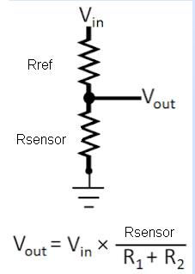

Arduino Resolution: | 4.9 | mV | 20.46

Sensors

Vref | 5 | V | ATmega32U4
Rref | 4700 | Ohm
Rsensor | 100000 | Ohm
Vout | 4.776 | V
I | 0.05 | mA

 | Rref | Rmin | Rmax | Imin (mA) | Imax (mA) | vmin (V) | vmax (V) | vmin (mV) | vmax (mV) | Pmax (W) | Rmin | Rmax
Temp | 4700 | 196 | 160000 | 1.02 | 0.03 | 0.200 | 4.857 | 200 | 4857 | 0.000 | 4896 | 164700

Vout | 4.7755491882
I | 100,000

