Calcs
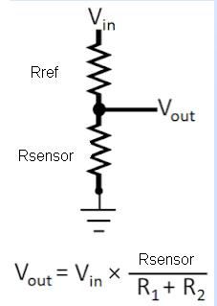

Arduino Resolution: | 4.9 | mV | 20.46

Sensors

Vref | 3.3 | V | ATmega32U4
Rref | 4700 | Ohm
Rsensor | 25000 | Ohm
Vout | 2.778 | V
I | 0.11 | mA
I | 0.00011 | A
Rsensor | 25000 | Ohm

 | Rref | Rmin | Rmax | Imin (mA) | Imax (mA) | vmin (V) | vmax (V) | vmin (mV) | vmax (mV) | Pmax (W) | Rmin | Rmax
Temp | 4700 | 120 | 160000 | 0.68 | 0.02 | 0.082 | 3.206 | 82 | 3206 | 0.000 | 4820 | 164700

 | degC | R | I (mA) | I (uA) | U (V)
 | 0 | 327,240 | 0.010 | 10 | 3.253
 | 10 | 199,990 | 0.016 | 16 | 3.224
 | 25 | 100,000 | 0.032 | 32 | 3.152
 | 40 | 53,500 | 0.057 | 57 | 3.034
 | 50 | 35,899 | 0.081 | 81 | 2.918
 | 60 | 25,000 | 0.111 | 111 | 2.778
 | 80 | 12,540 | 0.191 | 191 | 2.400
 | 100 | 6,710 | 0.289 | 289 | 1.941
 | 125 | 3,340 | 0.410 | 410 | 1.371
 | 200 | 582 | 0.625 | 625 | 0.364

