EnergyperSource
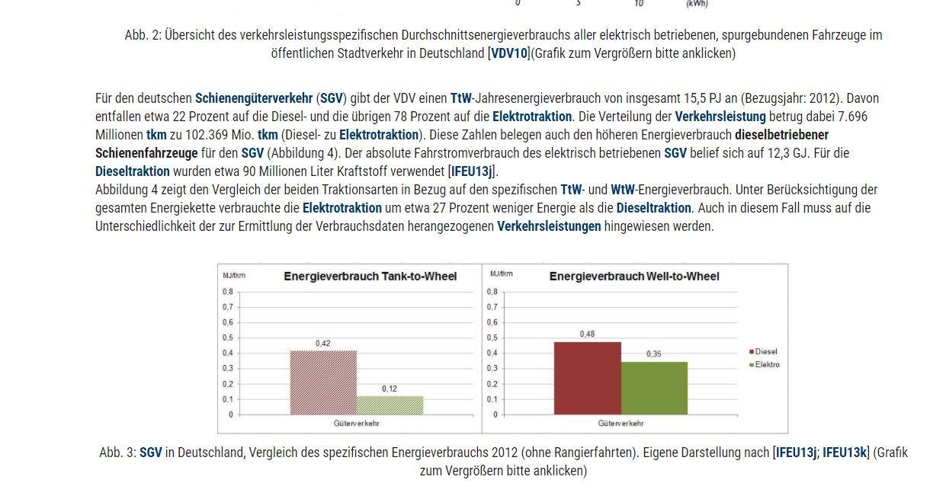
Energy consumption MJ/tkm | road | rail | ship | flight
Elec | 0.2 | 0.12 | 0.4 | 0 | tank-to-wheel
Plug-in-Hybrid | 0.4 | 0 | 0.4 | 0
Hydrogen | 0.25 | 0.25 | 0.4 | 0
Kerosin | 0 | 0 | 0.4 | 9.8
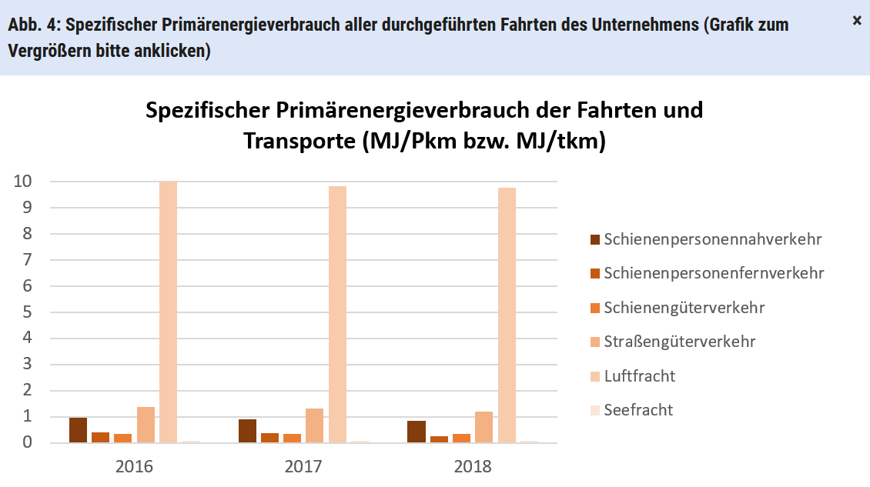
Diesel | 0.52 | 0 | 0.4 | 0
Benzin | 0.5 | 0 | 0.4 | 0

Info-Source | https://www.forschungsinformationssystem.de/servlet/is/342234/
Energy consumption of various modes of transport | roads | railways | waterways | flights
MJ/tkm | 1.4 | 0.3 | 0.4 | 9.8 | komplett andere werte im Bild

 | Project Lab
 | Small trucks (< 3,5t)

