Personkm_road_rail
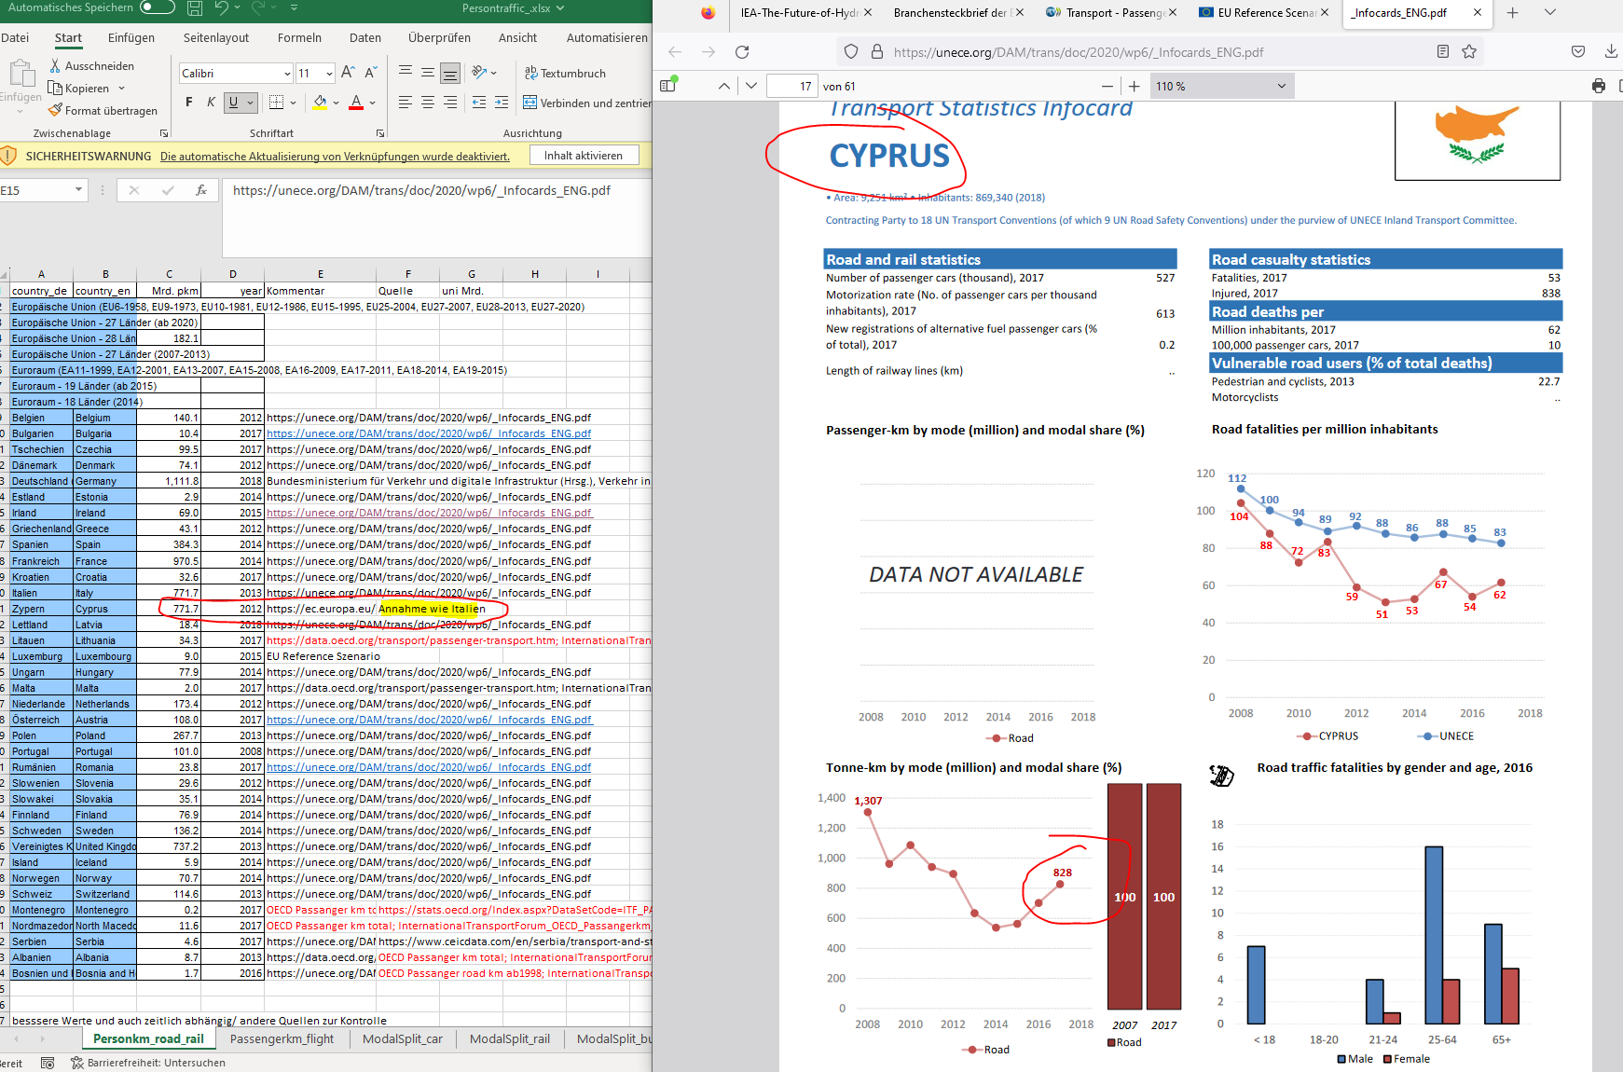
Country_de | Country | Mrd. pkm | year | Source:
Belgien | Belgium | 140.1 | 2012 | [1]
Bulgarien | Bulgaria | 10.4 | 2017 | [1] |  |  | restliche aus https://bikephreak.files.wordpress.com/2015/10/uba_studie_2012_umweltverkehr_4364.pdf
Tschechien | Czechia | 99.5 | 2017 | [1]
Dänemark | Denmark | 74.1 | 2012 | [1]
Deutschland (bis 1990 früheres Gebiet der BRD) | Germany | 1,111.8 | 2018 | [2]
Estland | Estonia | 2.9 | 2014 | [1]
Irland | Ireland | 69.0 | 2015 | [1] |  |  | EU Reference Szenario
Griechenland | Greece | 43.1 | 2012 | [1]
Spanien | Spain | 384.3 | 2014 | [1]
Frankreich | France | 912.111 | 2014 | [1] | 970.5 | In diesem Reiter stimmt die Angabe von der Quelle nicht. Siehe diesen Beispiel (Frankreich), sowie rechts das Bild (Zypern). Bitte aufs neue den gesamten Reiter durchgehen, ich habe mir schon viel Müghe gegeben, aber es stimmt einfach immer wieder nicht
Kroatien | Croatia | 32.6 | 2017 | [1]
Italien | Italy | 771.7 | 2013 | [1]
Zypern | Cyprus | 771.7 | 2013 | A1 | https://ec.europa.eu/eurostat/statistics-explained/index.php/Passenger_cars_in_the_EU |  |  |  | is it A1 or the source you gave?
Lettland | Latvia | 18.4 | 2018 | [1]
Litauen | Lithuania | 33.6 | 2018 | [1] |  | OECD Passanger km total
Luxemburg | Luxembourg | 9.0 | 2015 | 0.304 for Rail [4] |  | EU Reference Szenario | wie Italien?
Ungarn | Hungary | 77.9 | 2014
Malta | Malta | 2.0 | 2017 | [4]
Niederlande | Netherlands | 173.4 | 2012
Österreich | Austria | 108.0 | 2017
Polen | Poland | 267.7 | 2013
Portugal | Portugal | 101.0 | 2008
Rumänien | Romania | 23.8 | 2017
Slowenien | Slovenia | 29.6 | 2012
Slowakei | Slovakia | 35.1 | 2014
Finnland | Finland | 76.9 | 2014
Schweden | Sweden | 136.2 | 2014
Vereinigtes Königreich | United Kingdom | 737.2 | 2013
Island | Iceland | 5.9 | 2014
Norwegen | Norway | 70.7 | 2014
Schweiz | Switzerland | 114.6 | 2013
Montenegro | Montenegro | 0.2 | 2017 | [4]
Nordmazedonien | North Macedonia | 11.6 | 2017 | [4]
Serbien | Serbia | 4.6 | 2017 |  |  |  | https://www.ceicdata.com/en/serbia/transport-and-storage-enterprises-operation-statistics/passenger-transport-person-km
Albanien | Albania | 8.7 | 2013 | [4]
Bosnien und Herzegowina | Bosnia and Herzegovina | 1.7 | 2016 | [4] |  |  | OECD Passanger road km ab1998 | das gibt es nicht in daten

Unit: | Bilion pkm

Source: | [1] |  |  | https://unece.org/DAM/trans/doc/2020/wp6/_Infocards_ENG.pdf
 | [2] | Bundesministerium für Verkehr und digitale Infrastruktur (Hrsg.) | Verkehr in Zahlen 2019/2020, S. 218f. und ältere Jahrgänge | See: 4_abb_personenverkehr_2020-02-14.xlsx
 | [3] |  |  | https://ec.europa.eu/eurostat/statistics-explained/index.php/Passenger_cars_in_the_EU
 | [4] | InternationalTransportForum_OECD_Passangerkm_total.xls |  | https://data.oecd.org/transport/passenger-transport.htm

Assumption: | A1 | same values as for Italy

Further Info: | F1 |  |  | https://unece.org/DAM/trans/doc/2018/wp6/_Infocards_REV_7Dec2017.pdf

EnergyperSource
Energy consumption kWh/pkm (flight: PJ/pkm) | car | rail | bus | ship | flight | Year | für Weiterentwicklung im Effizienzszenario: Rechnen mit diesem Prozentualen Effizienzzugewinn | https://www.lbst.de/download/2015/mks-kurzstudie-ee-im-verkehr.pdf
Elec | 0.2 | 0.12 | 0.1 | 0.00 | 0 | 2019 | https://www.lbst.de/news/2016_docs/FVV_H1086_Renewables-in-Transport-2050-Kraftstoffstudie_II.pdf | https://www.iea.org/data-and-statistics/charts/energy-intensity-of-passenger-transport-modes-2018 | mit Tabelle zu erwarten, dass es der geringste Wert ist
Plug-in-Hybrid | 0.4 | 0.00 | - | 0.00 | 0 | 2019 | S. 115
Hydrogen | 0.25 | 0.25 | 0.25 | 0.00 | 0 | 2019 |  | ohne vorgelagerte Energiebereistellung, da dies die notwendige Energie zur Erzeugung des Kraftstoffes darstellt und in der chem. Industrie enthalten sein sollte
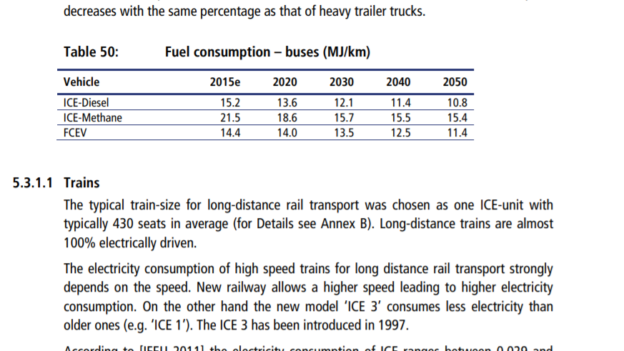
Kerosin | 0 | 0 | 0 | 0.00 | 1.22078E-09 |  |  |  |  |  | https://www.iea.org/data-and-statistics/charts/energy-intensity-of-passenger-transport-modes-2018
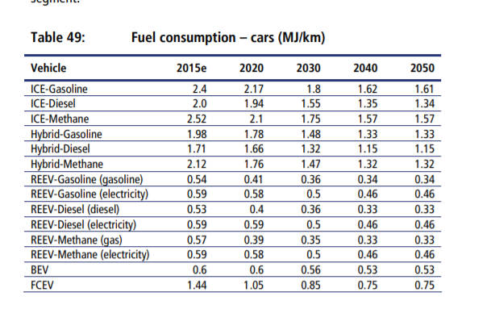
Diesel | 0.52 | 0 | 0 | 0.00 | 0
Benzin | 0.5 | 0 | 0 | 0.00 | 0
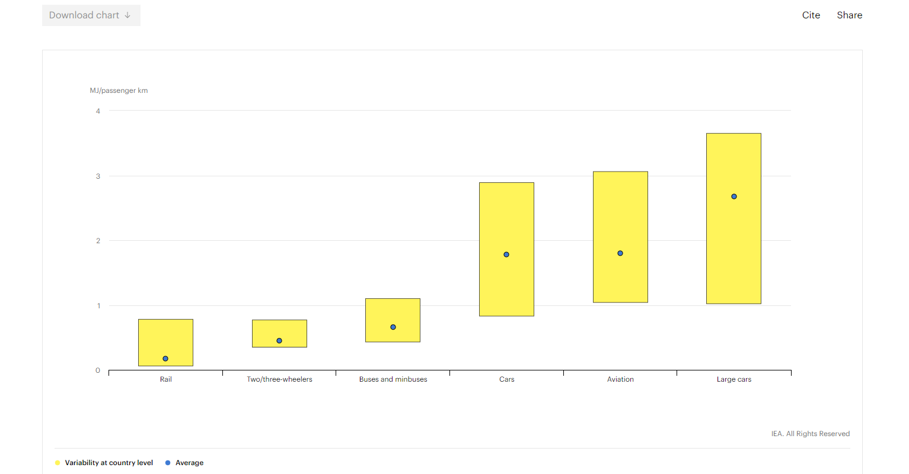
FCEV | Brensstoffzellenfahrzeuge
https://www.lbst.de/news/2016_docs/FVV_H1086_Renewables-in-Transport-2050-Kraftstoffstudie_II.pdf

Energieverbrauch verschiedener Verkehrsträger | cars | rails | buses |  | flights | Year
kWh/Pers.kilometer (flight: PJ/Pessengerkilometer) | 0.56 | 0.19 | 0.13 |  | 1.2E-09
Quelle: | https://www.lbst.de/download/2015/mks-kurzstudie-ee-im-verkehr.pdf
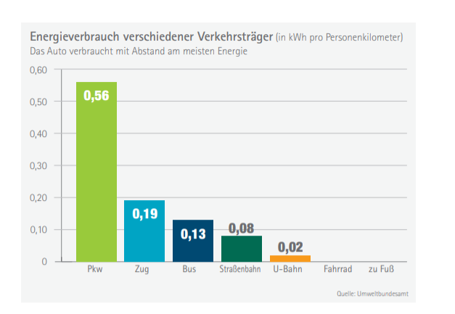
 | S. 15: Verbrauch nach Verkehrsträger

 |  |  |  |  |  |  |  | https://www.forschungsinformationssystem.de/servlet/is/342234/
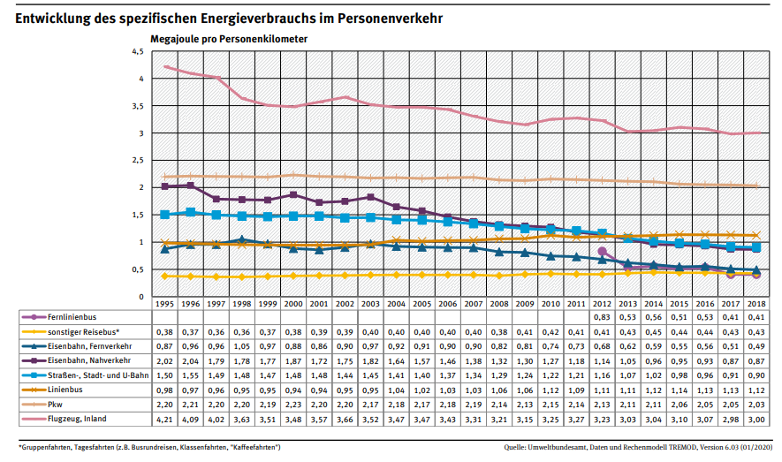
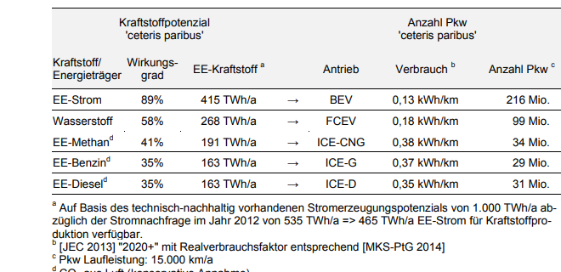
 |  |  |  |  |  |  |  |  |  | https://www.umweltbundesamt.de/sites/default/files/medien/384/bilder/dateien/5_abb_spezif_energieverbrauch-pv_2020-02-14.pdf
 |  |  |  |  |  |  |  |  |  | als % im Effizienzzugewinn?
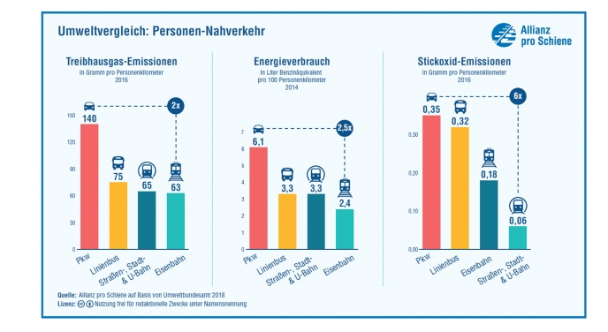

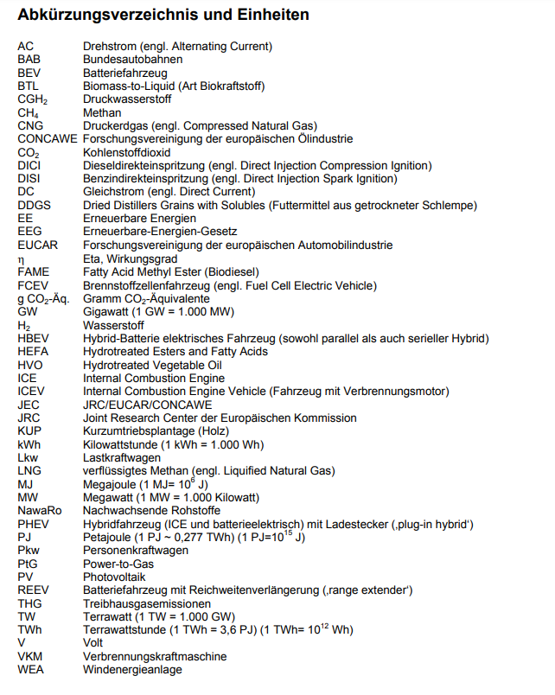

 |  |  |  |  |  |  |  |  |  | https://www.energieagentur.nrw/klimaschutz/haushalt/bus_bahn

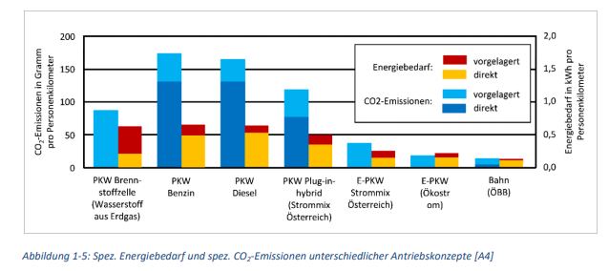

 |  |  |  |  |  |  |  | https://nachhaltigwirtschaften.at/resources/sdz_pdf/berichte/schriftenreihe-2019-57-move2grid.pdf

