hydrogen_road_ref
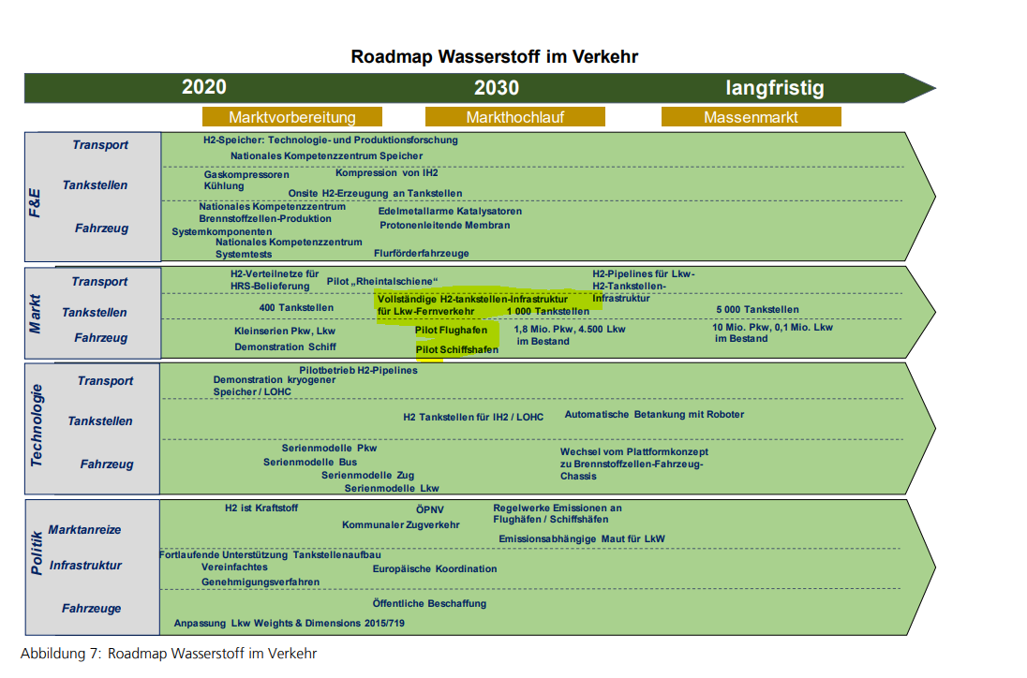
Country | 2018 | 2020 | 2030 | 2050 |  |  | https://www.dlr.de/vf/Portaldata/12/Resources/dokumente/projekte/shell_lkw_studie/shell_truck_study_2030.pdf | https://www.fraunhofer.de/content/dam/zv/de/ueber-fraunhofer/wissenschaftspolitik/Positionen/Fraunhofer-Wasserstoff-Roadmap.pdf
Belgium | 0 | 0 | 0 | 0
Bulgaria | 0 | 0 | 0 | 0
Czechia | 0 | 0 | 0 | 0
Denmark | 0 | 0 | 0 | 0 |  | Anzahl der Fahrzeuge | aus ProPENS
Germany | 0 | 0 | 2 | 10 |  | 2030 | 2050
Estonia | 0 | 0 | 0 | 0 |  | 60000 | 321000
Ireland | 0 | 0 | 0 | 0 | Stand 2020 | 2 | 9
Greece | 0 | 0 | 0 | 0 | https://de.statista.com/themen/735/lastkraftwagen-lkw/#:~:text=Die%20Anzahl%20der%20Lastkraftwagen%20(Lkw,Lastkraftwagen%20werden%20mit%20Benzin%20betrieben.
Spain | 0 | 0 | 0 | 0 | 3400000
France | 0 | 0 | 0 | 0
Croatia | 0 | 0 | 0 | 0
Italy | 0 | 0 | 0 | 0 |  | https://www.trucker.de/nachrichten/transport/98-prozent-der-neuen-lkw-fahren-mit-diesel-elektro-nachfrage-steigt-2591509
Cyprus | 0 | 0 | 0 | 0 |  | Diesel ca. 80 %
Latvia | 0 | 0 | 0 | 0 |  | https://www.eurotransport.de/artikel/wasserstoff-lkw-im-kommen-2030-sieht-der-diesel-alt-aus-11176252.html
Lithuania | 0 | 0 | 0 | 0 |  | Verdrängung des Diesels
Luxembourg | 0 | 0 | 0 | 0
Hungary | 0 | 0 | 0 | 0
Malta | 0 | 0 | 0 | 0
Netherlands | 0 | 0 | 0 | 0
Austria | 0 | 0 | 0 | 0
Poland | 0 | 0 | 0 | 0
Portugal | 0 | 0 | 0 | 0
Romania | 0 | 0 | 0 | 0
Slovenia | 0 | 0 | 0 | 0
Slovakia | 0 | 0 | 0 | 0
Finland | 0 | 0 | 0 | 0
Sweden | 0 | 0 | 0 | 0
United Kingdom | 0 | 0 | 0 | 0
Iceland | 0 | 0 | 0 | 0
Norway | 0 | 0 | 0 | 0
Switzerland | 0 | 0 | 0 | 0
Montenegro | 0 | 0 | 0 | 0
North Macedonia | 0 | 0 | 0 | 0
Serbia | 0 | 0 | 0 | 0
Albania | 0 | 0 | 0 | 0
Bosnia and Herzegovina | 0 | 0 | 0 | 0

