hydrogen_car_ref
Country | 2018 | 2020 | 2030 | 2050
Belgium | 0.00 | 0.00 | 0.02 | 0.025 | ausgehend von Deutscland gleiche Änderungsrate; für alle Länder mindestend ab 2030 |  | FCEV
Bulgaria | 0.00 | 0.00 | 0.02 | 0.023 |  |  | https://www.acea.be/press-releases/article/sales-of-zero-and-low-emission-cars-highly-unbalanced-across-eu-alerts-auto
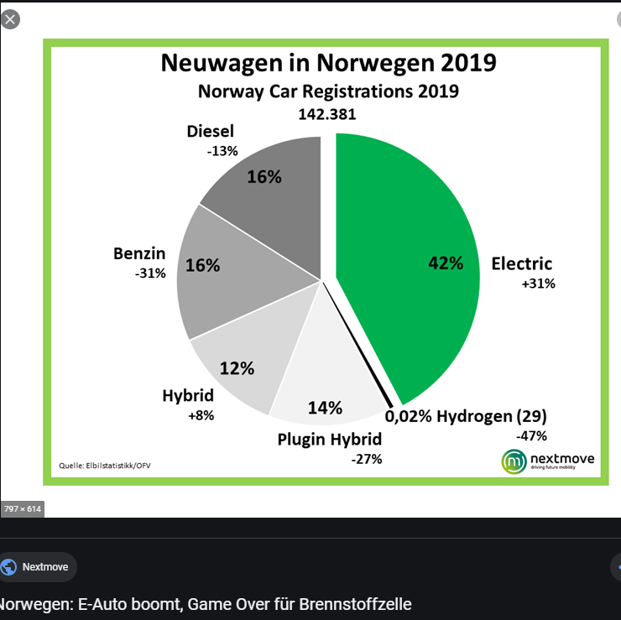
Czechia | 0.00 | 0.00 | 0.02 | 0.023 |  |  | 2019
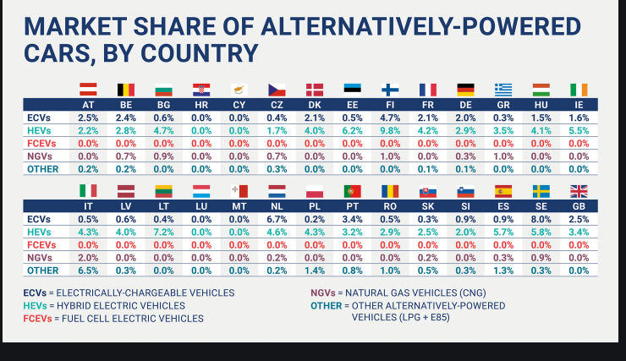
Denmark | 0.00 | 0.00 | 0.02 | 0.032
Germany | 0.00 | 0.00063 | 2.60 | 15.00 | aus ProPENS cars Nils high case | 37.0240
Estonia | 0.00 | 0.00 | 0.02 | 0.025
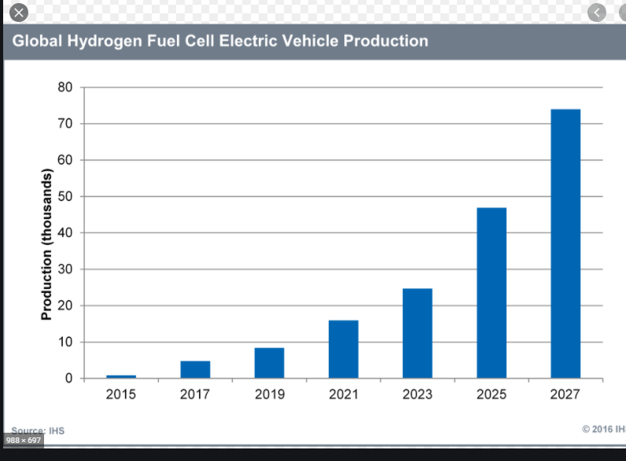
Ireland | 0.00 | 0.00 | 0.02 | 0.023
Greece | 0.00 | 0.00 | 0.02 | 0.023
Spain | 0.00 | 0.00 | 0.02 | 0.023
France | 0.00 | 0.00 | 0.02 | 0.025
Croatia | 0.00 | 0.00 | 0.02 | 0.023
Italy | 0.00 | 0.00 | 0.02 | 0.023
Cyprus | 0.00 | 0.00 | 0.02 | 0.023 |  |  |  |  | https://insights.globalspec.com/article/2645/global-lev-markets-are-on-the-rise
Latvia | 0.00 | 0.00 | 0.02 | 0.023
Lithuania | 0.00 | 0.00 | 0.02 | 0.023
Luxembourg | 0.00 | 0.00 | 0.02 | 0.037
Hungary | 0.00 | 0.00 | 0.02 | 0.023
Malta | 0.00 | 0.00 | 0.02 | 0.023
Netherlands | 0.00 | 0.00 | 0.02 | 0.037
Austria | 0.00 | 0.00 | 0.02 | 0.025
Poland | 0.00 | 0.00 | 0.02 | 0.023
Portugal | 0.00 | 0.00 | 0.02 | 0.023
Romania | 0.00 | 0.00 | 0.02 | 0.023
Slovenia | 0.00 | 0.00 | 0.02 | 0.023
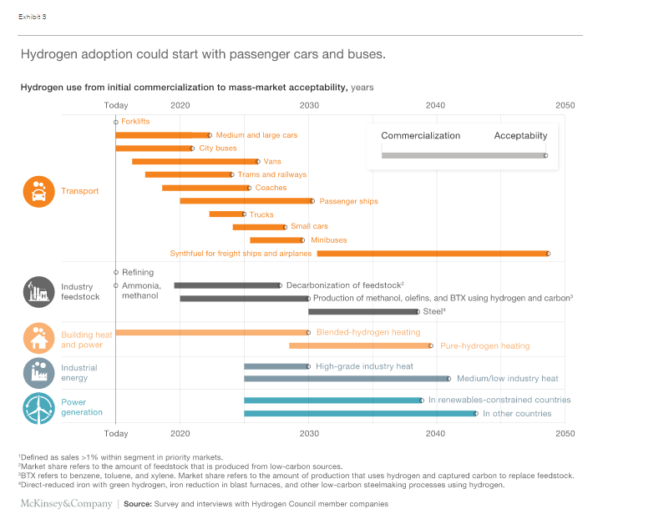
Slovakia | 0.00 | 0.00 | 0.02 | 0.023
Finland | 0.00 | 0.00 | 0.02 | 0.023 |  |  |  | https://www.mckinsey.com/industries/automotive-and-assembly/our-insights/hydrogen-the-next-wave-for-electric-vehicles#
Sweden | 0.00 | 0.00 | 0.02 | 0.032
United Kingdom | 0.00 | 0.00 | 0.02 | 0.032
Iceland | 0.00 | 0.00 | 0.02 | 0.032
Norway | 0.02 | 0.02 | 8.18 | 47.170 | 3.1 | 135.320
Switzerland | 0.00 | 0.00 | 0.02 | 0.032
Montenegro | 0.00 | 0.00 | 0.02 | 0.023
North Macedonia | 0.00 | 0.00 | 0.02 | 0.023
Serbia | 0.00 | 0.00 | 0.02 | 0.023
Albania | 0.00 | 0.00 | 0.02 | 0.023
Bosnia and Herzegovina | 0.00 | 0.00 | 0.02 | 0.023

nach Gruppen Abstufung der Ändeurnraten ausgehend von 31.6 in Dt. |  |  |  |  | gleiche Gruppierung und Abstufung wie elec
100% | 20.0 | maximale Änderngrate wie Dt. | 31.6
10 | 2.0 |  | 3.2
8 | 1.5 |  | 2.4
4 | 0.8 |  | 1.2
3 | 0.5 |  | 0.8

